Pinout
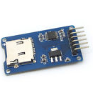
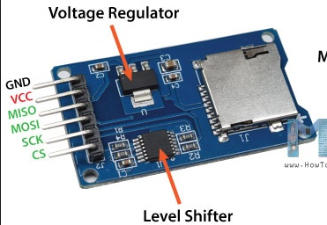
 | Pin
Component | Number | Name | Type | Description | Voltage Rating [V] |  |  | Comments
 |  |  |  |  | Min | Typ | Max
SD Card | 1 | CS | Input |  |  | 3.3 or 5 |  | 1. SD card supported smaller than 2GB
 | 2 | SCK | Clock |  |  | 3.3 or 5
 | 3 | MOSI | Signal |  |  | 3.3 or 5
 | 4 | MISO | Signal |  |  | 3.3 or 5
 | 5 | VCC | Power |  | 4.5 | 5 | 5.5
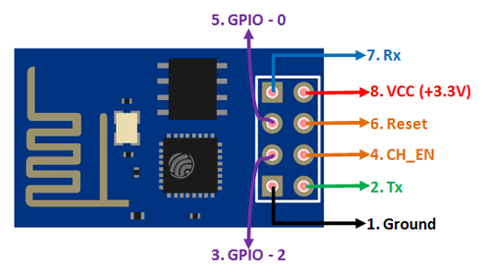
 | 6 | GND | Gnd |  |  | 0
WiFi ESPP8266 | 1 | TX | Signal |  |  | 0.825 | 3.6 | 1. 2. The Typical voltage for the digital outputs refer to the minimum value that describes a high-logic state. The maximum value refers to the max rating
 | 2 | GND | Gnd |  |  | 0
 | 3 | CH_PD |  |  |  | 0.825 | 3.6
 | 4 | GPIO2 | Signal |  |  | 0.825 | 3.6
 | 5 | RST | Signal |  |  | 0.825 | 3.6
 | 6 | GPIO0 | Signal |  |  | 0.825 | 3.6
 | 7 | VCC | Power |  | 3 | 3.3 | 3.6
 | 8 | RX | Signal |  |  | 0.825 | 3.6
Camera OV7670 | 1 | 3V3 | Power |  |  | 3.3 | 5 | 1. From the datasheet: AVDD: 2V8 DOVDD=2V8 DVDD=1V8 2. The Typical voltage for the digital outputs refer to the minimum value that describes a high-logic state. The maximum value refers to the max rating
 | 2 | GND | Gnd |  |  | 0
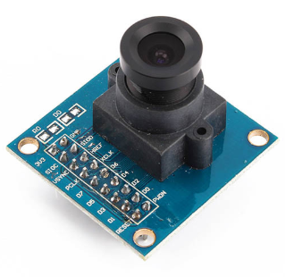
 | 3 | SIOC | Input |  |  | 1.96 | 3.3
 | 4 | SIOD | I/O |  |  | 1.96 | 3.3
 | 5 | VSYNC | Output |  |  | 2.52 | 3.3
 | 6 | HREF | Output |  |  | 2.52 | 3.3
 | 7 | PCLK | Output |  |  | 2.52 | 3.3
 | 8 | XCLK | Input |  |  | 1.96 | 3.3
 | 9 | D7 | Output |  |  | 2.52 | 3.3
 | 10 | D6 | Output |  |  | 2.52 | 3.3
 | 11 | D5 | Output |  |  | 2.52 | 3.3
 | 12 | D4 | Output |  |  | 2.52 | 3.3
 | 13 | D3 | Output |  |  | 2.52 | 3.3
 | 14 | D2 | Output |  |  | 2.52 | 3.3
 | 15 | D1 | Output |  |  | 2.52 | 3.3
 | 16 | D0 | Output |  |  | 2.52 | 3.3
 | 17 | RESET | Input |  |  | 1.96 | 3.3
 | 18 | PWDN | Input |  |  | 1.96 | 3.3
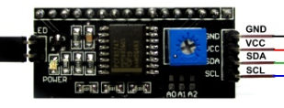
2 x 26 LCD Display | 1 | GND | Gnd |  |  | 0
 | 2 | VCC | Power |  |  | 5
 | 3 | SDA | Signal |  |  | 5
 | 4 | SCL | Clock |  |  | 5

