2023
Sales by Product Division 2023 | No of Sales | Percentage of total sales | g | Sales by Regions 2023 | No of Sales | Percentage of total sales | g
Footwear | 4,583.40 | 53% | 12.40% | EMEA | 3,418.40 | 40% | 13.40%
Apparel | 2,763.00 | 32% | -0.30% | Americas | 3,389.90 | 39% | -2.40%
Accessories | 1,255.30 | 15% | 3.10% | Asia/Pacific | 1,793.40 | 21% | 13.60%
 | 8,601.70 |  |  |  | 8,601.70 | 100%

Sales by Product Division 2023
Sales by Regions 2023

SALES
Apparel Sales
Column1 | FY 2014 | FY 2015 | FY 2016 | FY 2017 | FY 2018 | FY 2019 | FY 2020 | FY 2021 | FY 2022 | FY 2023
Total Sales | 2,972.00 | 3,387.40 | 3,626.70 | 4,135.90 | 4,648.30 | 5,502.20 | 5,234.40 | 6,805.40 | 8,465.10 | 8,601.70
Footwear | 1,282.70 | 1,506.10 | 1,627.00 | 1,974.50 | 2,184.70 | 2,552.50 | 2,367.60 | 3,163.60 | 4,317.90 | 4,583.40
Apparel | 1,103.10 | 1,244.80 | 1,333.20 | 1,441.40 | 1,687.50 | 2,068.70 | 1,974.10 | 2,517.30 | 2,896.30 | 2,763.00
Accessories | 586.30 | 636.40 | 665.50 | 719.90 | 776.10 | 881.10 | 892.70 | 1,124.50 | 1,251.00 | 1,255.30

Footwear Sales

Accessories Sales

Column1 | FY 2014 | FY 2015 | FY 2016 | FY 2017 | FY 2018 | FY 2019 | FY 2020 | FY 2021 | FY 2022 | FY 2023
Total Sales | 2,972.00 | 3,387.40 | 3,626.70 | 4,135.90 | 4,648.30 | 5,502.20 | 5,234.40 | 6,805.40 | 8,465.10 | 8,601.70
Footwear | 1,282.70 | 1,506.10 | 1,627.00 | 1,974.50 | 2,184.70 | 2,552.50 | 2,367.60 | 3,163.60 | 4,317.90 | 4,583.40
Apparel | 1,103.10 | 1,244.80 | 1,333.20 | 1,441.40 | 1,687.50 | 2,068.70 | 1,974.10 | 2,517.30 | 2,896.30 | 2,763.00
Accessories | 586.30 | 636.40 | 665.50 | 719.90 | 776.10 | 881.10 | 892.70 | 1,124.50 | 1,251.00 | 1,255.30

CapEx-Depreciation
Column1 | FY2014 | FY2015 | FY2016 | FY2017 | FY2018 | FY20192 | FY2020 | FY2021 | FY2022 | FY2023
C.F from Operating Activities | 126.40 | -37.10 | 131.10 | 238.80 | 278.10 | 548.80 | 421.50 | 460.10 | 418.30 | 653.60
CapEx | 72.60 | 79.00 | 84.30 | 122.90 | 130.20 | 218.40 | 151.00 | 202.40 | 263.60 | 300.40 | 162.48
Depreciations | 50.50 | 57.50 | 59.90 | 70.40 | 81.40 | 246.60 | 293.80 | 305.80 | 358.70 | 357.50 | 188.21

CapEx< Depreciation

Investment and CapEx

Employees
BASE OF EMPLOYEES | PERCENTAGE
ASIA-PACIFIC | 22%
EMEA | 44%
LATIN AMERICA | 16%
NORTH AMERICA | 18%
BASE OF EMPLOYEES

TAX
FY | FY2014 | FY2015 | FY2016 | FY2017 | FY2018 | FY2019 | FY2020 | FY2021 | FY2022 | FY2023
Cash Paid For Taxes | 53.20 € | 38.40 € | 41.00 € | 42.60 € | 82.90 € | 111.80 € | 89.30 € | 146.90 € | 157.40 € | 181.30 €

Cash Paid For Taxes IN MILLIONS OF EUROS

Capital Structure
 | FY2019 | FY2020 | FY2021 | FY2022 | FY2023
Total Liabilities | 2,457.90 € | 2,920.20 € | 3,449.80 € | 4,233.90 € | 4,058.10 € | Share Price | 59.53 €
Total Liabilities and Shareholders Equity | 4,378.20 € | 4,684.10 € | 5,728.30 € | 6,772.70 € | 6,640.40 € | Shares Outstanding | 149
Total Equity | 1,920.30 € | 1,763.90 € | 2,278.50 € | 2,538.80 € | 2,582.30 € | Current Equity Value | 8,869.97 €
 |  |  |  |  | =F3-F2

Short-Term Borrowings | 10.20 | 121.40 | 68.50 | 75.90 | 145.90
Total Noncurrent Liabilities | 899.00 | 1,047.40 | 1,285.30 | 1,390.90 | 1,520.90 | debt/equity
Long Term Debt | 163.80 | 153.70 | 314.10 | 265.30 | 437.50 | Interest Coverage Ratio | 6.17 | EBIT/INTEREST EXPENSES
Deferred Tax Liabilities (Long-Term) | 53.00 | 40.60 | 48.80 | 42.00 | 12.40
Other Provisions For Liabilities And Charges | 43.20 | 38.90 | 37.90 | 29.50 | 27.30
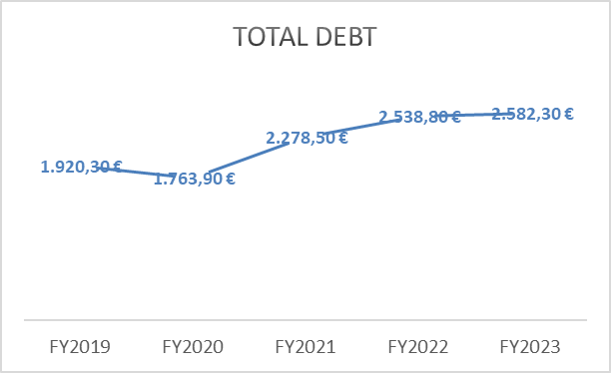
Total Debt | 1,169.20 € | 1,402.00 € | 1,754.60 € | 1,803.60 € | 2,144.00 €
 |  |  |  |  | =SUM(F7:F11)

Total Capital | 4,726.30 € | =SUM(F4+F12)
Porportion ot total equity | 55% | =(F4/B15)*100 %
Porportion ot total debt | 45% | =(F12/B15)*100 %
Net Debt/EBITDA | 2.56
ROE | 11.80%
ROCE | 25.10%
total debt/equity | 83%
WACC | 7.68

