Sheet1
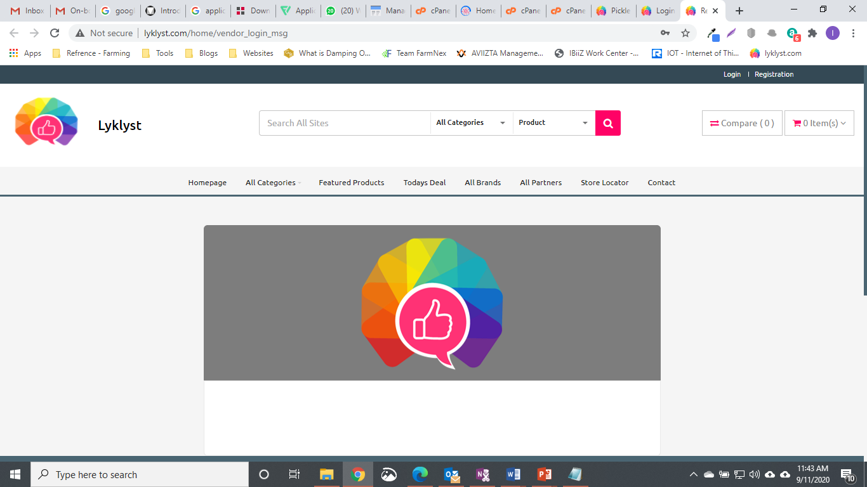
2.2.

2.3

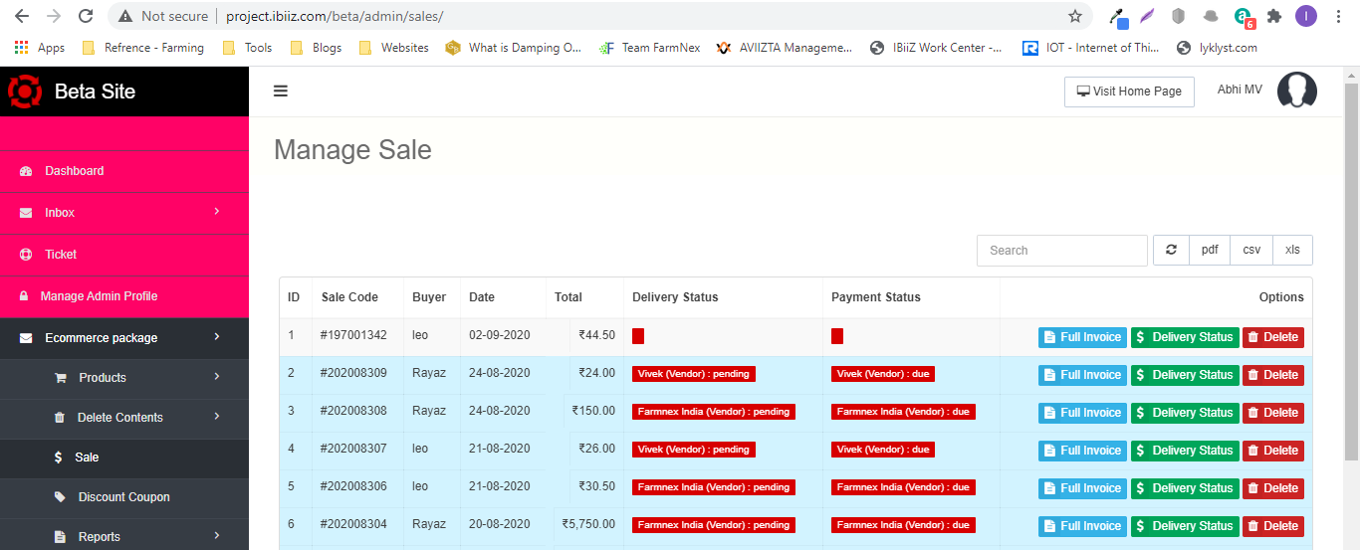

5.1

5.3

5.4

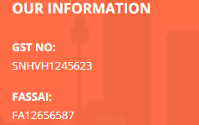
5.5

5.6

5.7

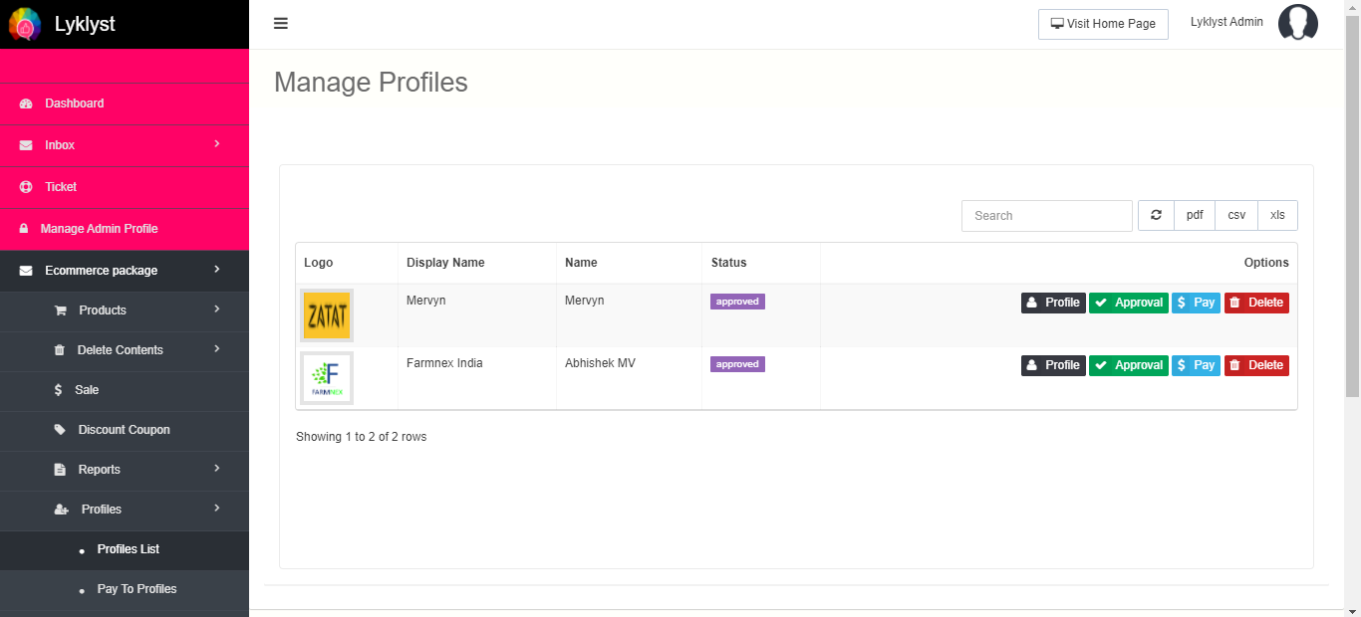
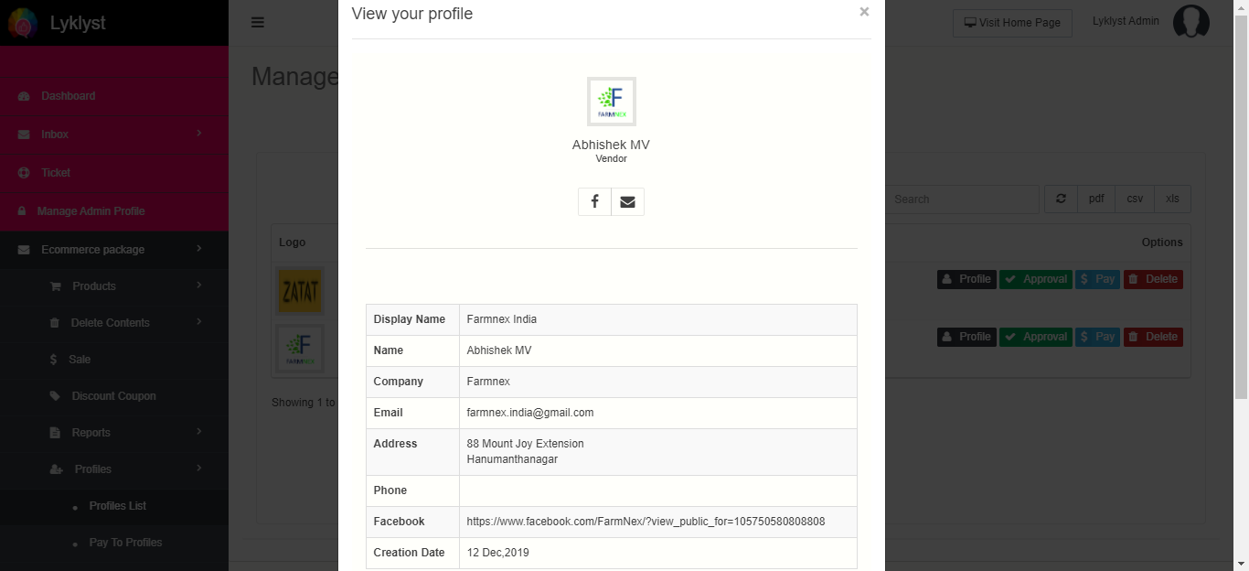
12.1

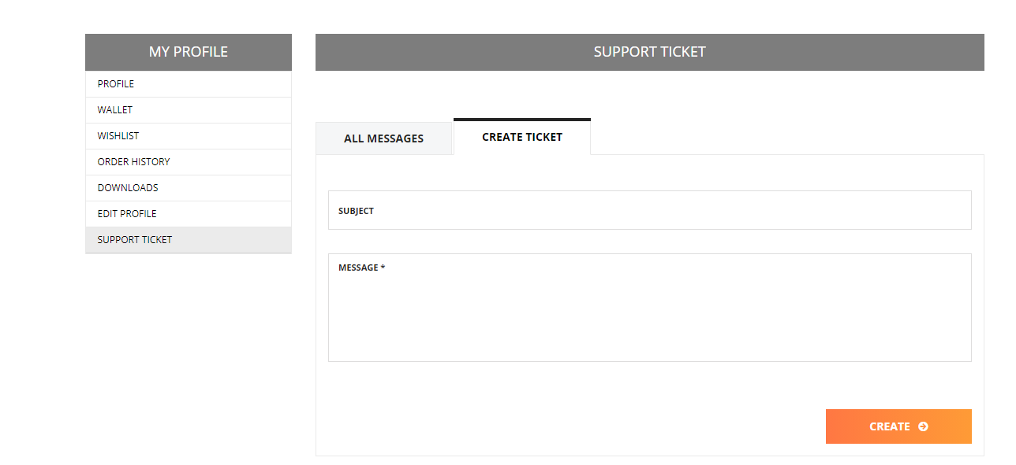
14.1.1 | 1 | Add Ticket Type field ( Dropdown)
14.1.2 |  | Complaints
 |  | feedback
 |  | Order Related ( Upon select enale Order Field)
 |  | Technical
 |  | Offers & Discounts

 | Add new Field |  | Order Number | Dropdown on only his order - Date - Description
 | Add New Field |  | Vendor Name | Automatically populated once the order is selected

 | Add New Field |  | Status | Open
 |  |  |  | In Progress
 |  |  |  | Completed

 | When the Ticket is sent one copy should go to Vendor Paneland another to Admin Panel
 | Vendor should see only tickets assigned to him
 | Admin Should see all Vendor tickets
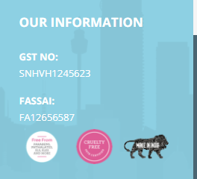
 | Vendor should be in a position to reply to customer
12.5

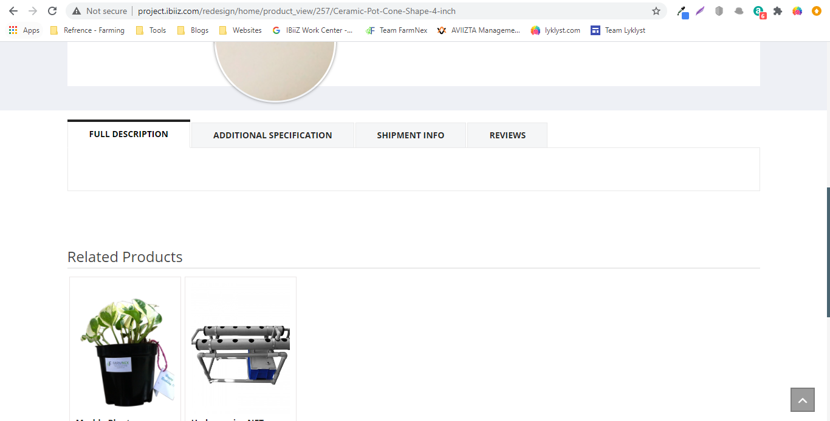
6
 | Add featured product block before related products

