battery_data
Germany

 |  | https://www.energy-charts.info/charts/installed_power/chart.htm?l=en&c=DE&legendItems=2w2wa

 |  | Year | Battery storage (power) | Battery storage (capacity)
 |  |  | Net power (GW) | Capacity (GWh)
 |  | 2002 | 0.001 | 0.001
 |  | 2003 | 0.001 | 0.001
 |  | 2004 | 0.001 | 0.001
 |  | 2005 | 0.001 | 0.002
 |  | 2006 | 0.001 | 0.002
 |  | 2007 | 0.002 | 0.002
 |  | 2008 | 0.003 | 0.003
 |  | 2009 | 0.003 | 0.004
 |  | 2010 | 0.005 | 0.005
 |  | 2011 | 0.007 | 0.008
 |  | 2012 | 0.011 | 0.014
 |  | 2013 | 0.025 | 0.033
 |  | 2014 | 0.061 | 0.081
 |  | 2015 | 0.103 | 0.142a
 |  | 2016 | 0.278 | 0.342
 |  | 2017 | 0.453 | 0.584
 |  | 2018 | 0.726 | 0.983
 |  | 2019 | 1.012 | 1.443
 |  | 2020 | 1.563 | 2.332
 |  | 2021 | 2.42 | 3.717
 |  | 2022 | 4.2 | 6.343
 |  | 2023 | 8.356 | 12.436
 |  | 2024 | 12.651 | 18.614
 |  | 2025 | 16.792 | 25.299
 |  | 2026 | 18.586 | 28.463
 |  | 2030 | 30.847166667 | 48.747833333

Switzerland

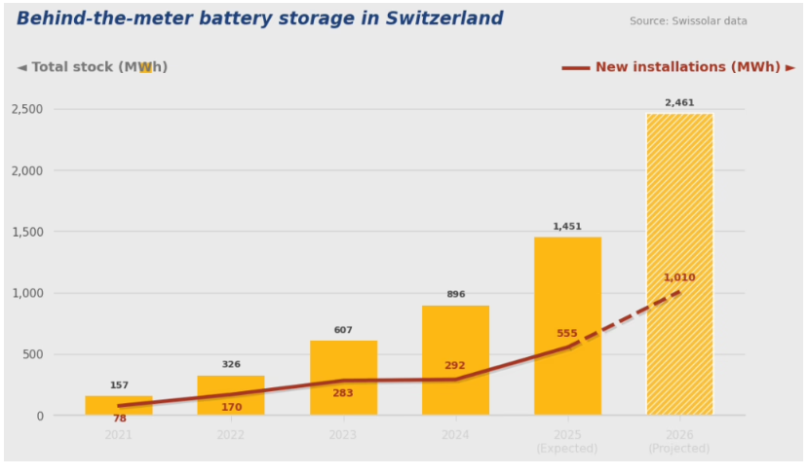

2021 | 160
2022 | 326
2023 | 607
2024 | 896
2025 | 1451
2026 | 2461

2030 | 3691.5

