ReadMe
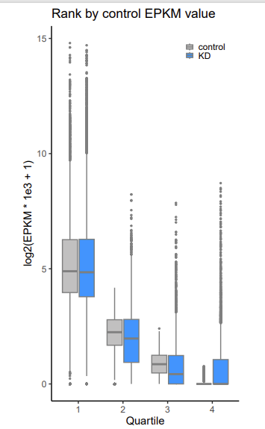
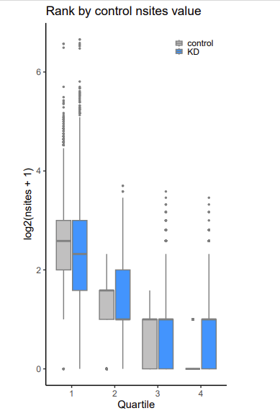
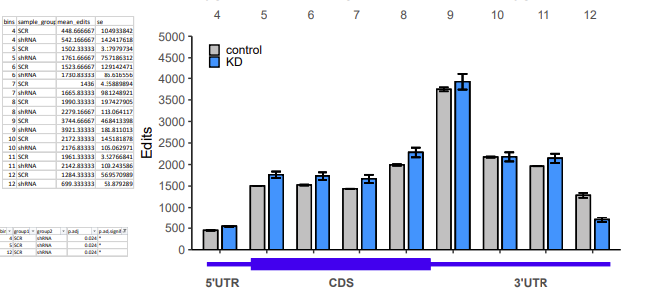
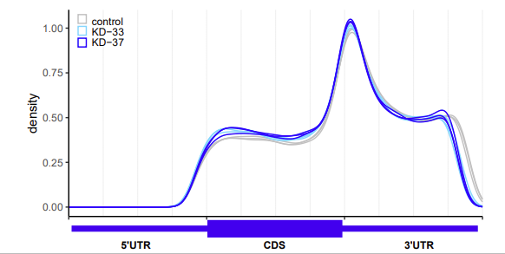
EPKM_shRNA_SCR | (EPKM * 1e3) | nsites_shRNA_SCR
direction | up : padj <0.05, shRNA EPKM > SCR EPKM | direction | up : padj <0.05, shRNA nsites > SCR nsites
 | up : padj <0.05, shRNA EPKM < SCR EPKM |  | up : padj <0.05, shRNA nsites < SCR nsites
meta_Significant_bin | metegene plot cut into 12 bins, only bins 4, 5, 12 show singnificant | meta_Significant_bin | metegene plot cut into 12 bins, only bins 4, 5, 12 show singnificant
EPKM_bin | EMPK bins rank from high to low based on SCR EPKM, and then cut into 4 bins | nsites_bin | nsites bins rank from high to low based on SCR nsites, and then cut into 4 bins

