COVERAGE
Domain | Used Tool | Result | Evidence (Screenshot)
agoda-be\accounts | coverage | Total: 45% Statements: 394 Miss: 218 | 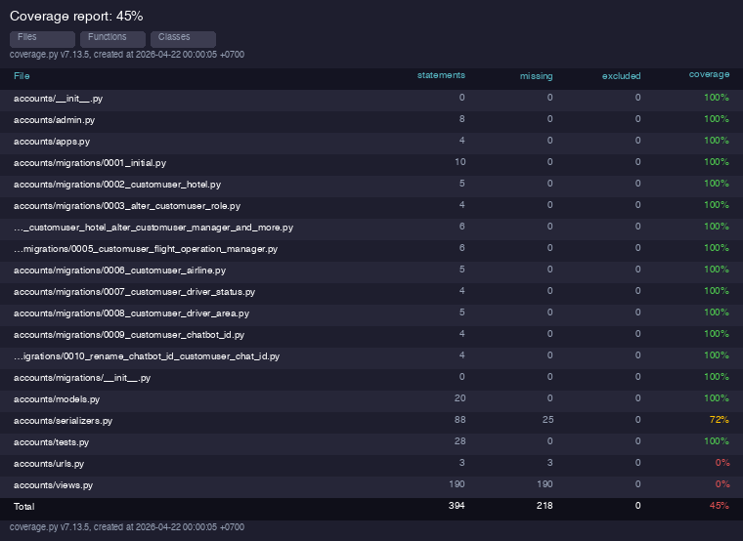
agoda-be\activities | coverage | Total: 21% Statements: 1082 Miss: 858 | 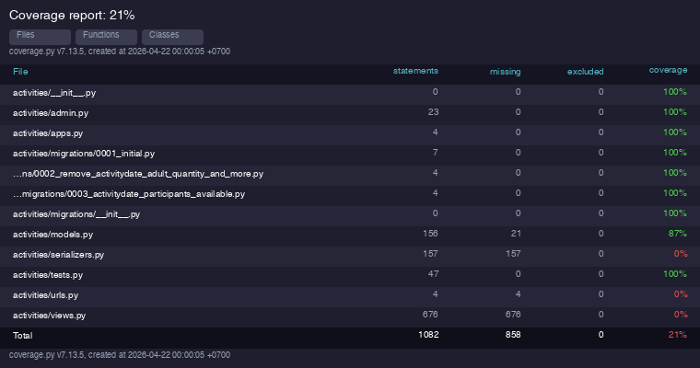
agoda-be\airlines | coverage | Total: 25% Statements: 288 Miss: 216 | 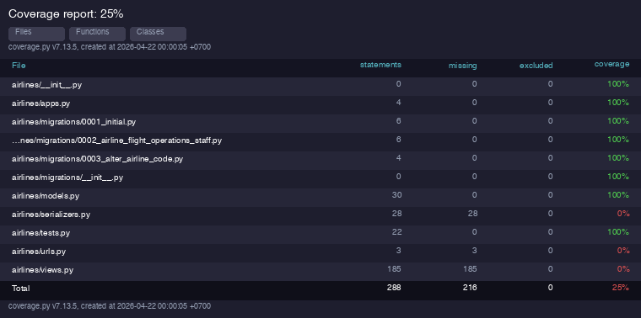
agoda-be\cars | coverage | Total: 34% Statements: 540 Miss: 355 | 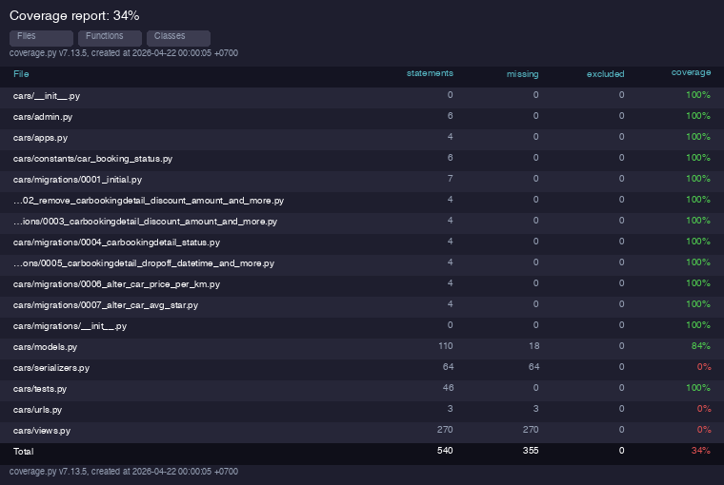
agoda-be\chatbots | coverage | Total: 12% Statements: 111 Miss: 98 | 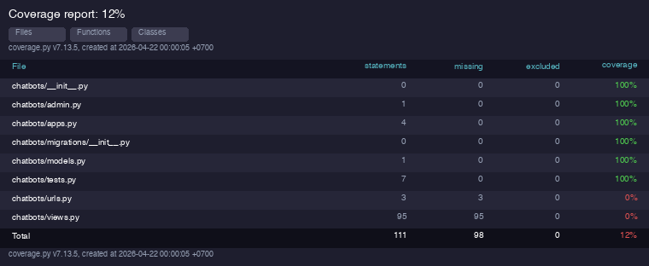
agoda-be\chats | coverage | Total: 17% Statements: 331 Miss: 274 | 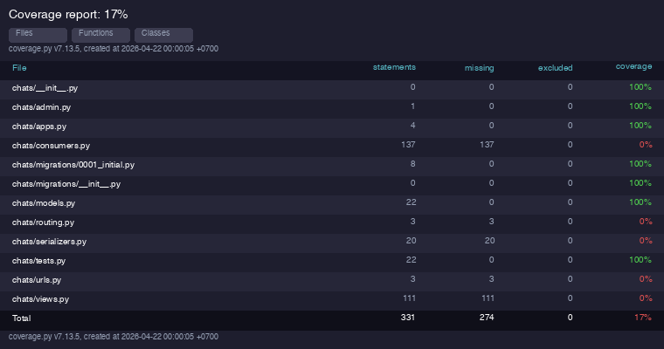
agoda-be\handbooks | coverage | Total: 25% Statements: 385 Miss: 287 | 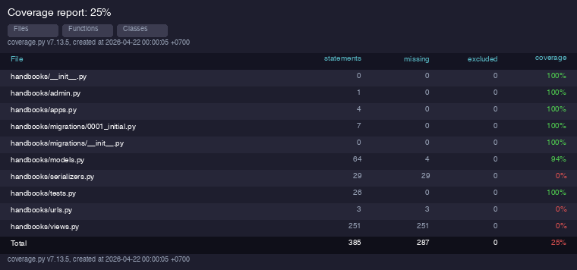
agoda-be\hotels | coverage | Total: 24% Statements: 574 Miss: 434 | 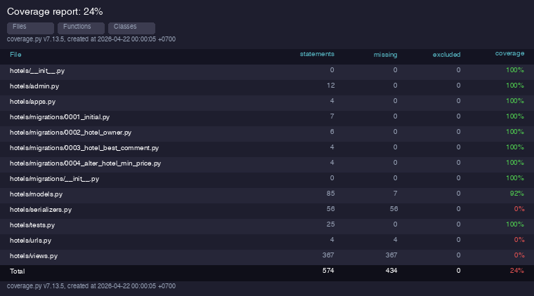
agoda-be\images | coverage | Total: 53% Statements: 47 Miss: 22 | 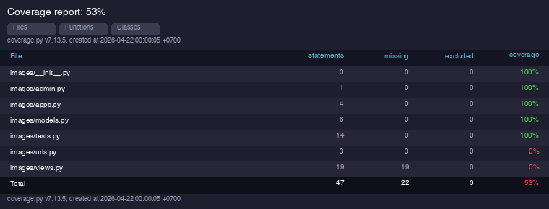
agoda-be\payments | coverage | Total: 8% Statements: 882 Miss: 813 | 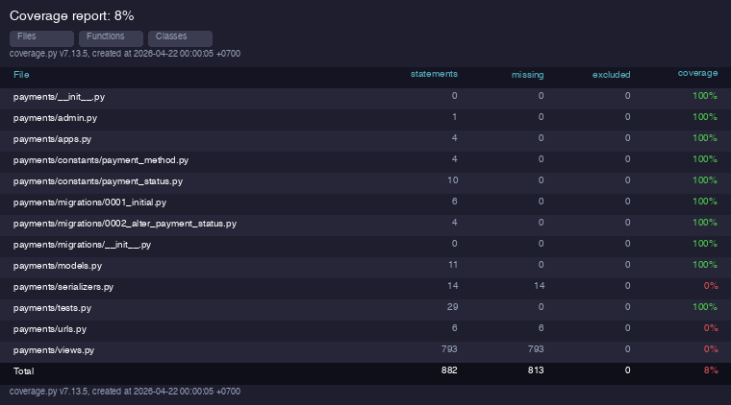
agoda-be\promotions | coverage | Total: 11% Statements: 1114 Miss: 988 | 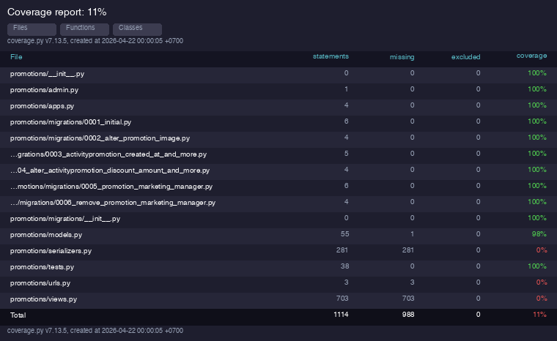
agoda-be\reviews | coverage | Total: 15% Statements: 415 Miss: 352 | 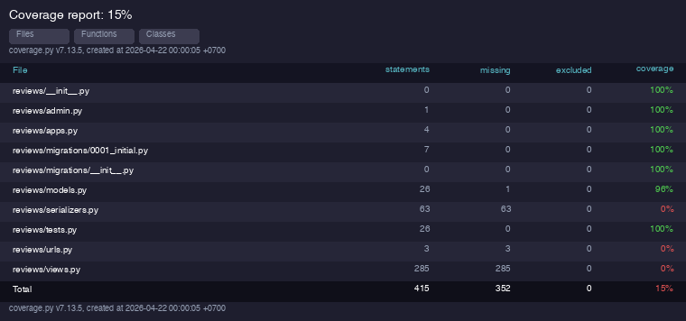
agoda-be\rooms | coverage | Total: 31% Statements: 672 Miss: 463 | 