BUS
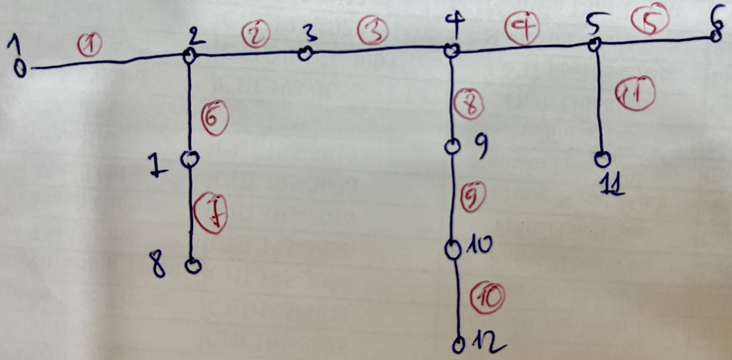
## BUSDATA
NO | NAME | kV | FLAG | PLOAD[kw] | QLOAD[kvar] | Qshunt[kvar] | FLAG3 | Vscheduled[pu] | QgenMax[kvar] | QgenMin[kvar] | CODE | Pload ini | Qload ini | psseLoad | psseShunt
1 | BUS1 | 12 | 1 | 0 | 0 | 0 | 0 | 1.0 | 9999 | -9999 | 3 | 0 | 0 | psspy.load_chng_4(1,"1",[_i,_i,_i,_i,_i,_i],[0,0,_f,_f,_f,_f]) | psspy.shunt_data(1,"1",_i,[_f,0])
2 | BUS2 | 12 | 1 | 320 | 160 | 0 | 0 |  |  |  |  | 200 | 100 | psspy.load_chng_4(2,"1",[_i,_i,_i,_i,_i,_i],[0.32,0.16,_f,_f,_f,_f]) | psspy.shunt_data(2,"1",_i,[_f,0])
3 | BUS3 | 12 | 1 | 320 | 160 | 0 | 0 |  |  |  |  | 200 | 100 | psspy.load_chng_4(3,"1",[_i,_i,_i,_i,_i,_i],[0.32,0.16,_f,_f,_f,_f]) | psspy.shunt_data(3,"1",_i,[_f,0])
4 | BUS4 | 12 | 1 | 320 | 160 | 0 | 0 |  |  |  |  | 200 | 100 | psspy.load_chng_4(4,"1",[_i,_i,_i,_i,_i,_i],[0.32,0.16,_f,_f,_f,_f]) | psspy.shunt_data(4,"1",_i,[_f,0])
5 | BUS5 | 12 | 1 | 320 | 160 | 0 | 0 |  |  |  |  | 200 | 100 | psspy.load_chng_4(5,"1",[_i,_i,_i,_i,_i,_i],[0.32,0.16,_f,_f,_f,_f]) | psspy.shunt_data(5,"1",_i,[_f,0])
6 | BUS6 | 12 | 1 | 1280 | 1280 | 500 | 1 |  |  |  |  | 800 | 800 | psspy.load_chng_4(6,"1",[_i,_i,_i,_i,_i,_i],[1.28,1.28,_f,_f,_f,_f]) | psspy.shunt_data(6,"1",_i,[_f,0.5])
7 | BUS7 | 12 | 1 | 240 | 160 | 0 | 0 |  |  |  |  | 150 | 100 | psspy.load_chng_4(7,"1",[_i,_i,_i,_i,_i,_i],[0.24,0.16,_f,_f,_f,_f]) | psspy.shunt_data(7,"1",_i,[_f,0])
8 | BUS8 | 12 | 1 | 320 | 160 | -200 | 1 |  |  |  |  | 200 | 100 | psspy.load_chng_4(8,"1",[_i,_i,_i,_i,_i,_i],[0.32,0.16,_f,_f,_f,_f]) | psspy.shunt_data(8,"1",_i,[_f,-0.2])
9 | BUS9 | 12 | 1 | 240 | 320 | 0 | 0 |  |  |  |  | 150 | 200 | psspy.load_chng_4(9,"1",[_i,_i,_i,_i,_i,_i],[0.24,0.32,_f,_f,_f,_f]) | psspy.shunt_data(9,"1",_i,[_f,0])
10 | BUS10 | 12 | 1 | 240 | 160 | 0 | 0 |  |  |  |  | 150 | 100 | psspy.load_chng_4(10,"1",[_i,_i,_i,_i,_i,_i],[0.24,0.16,_f,_f,_f,_f]) | psspy.shunt_data(10,"1",_i,[_f,0])
11 | BUS11 | 12 | 1 | 320 | 160 | 0 | 0 |  |  |  |  | 200 | 100 | psspy.load_chng_4(11,"1",[_i,_i,_i,_i,_i,_i],[0.32,0.16,_f,_f,_f,_f]) | psspy.shunt_data(11,"1",_i,[_f,0])
12 | BUS12 | 12 | 1 | 320 | 160 | 0 | 0 | 1.0 | 9999 | -9999 | 3 | 200 | 100 | psspy.load_chng_4(12,"1",[_i,_i,_i,_i,_i,_i],[0.32,0.16,_f,_f,_f,_f]) | psspy.shunt_data(12,"1",_i,[_f,0])

LINE
## LINEDATA |  | 14.40 |  |  |  | 0.21 | 0.41 | 14.4
NO | FROMBUS | TOBUS | FLAG | FLAG3 | LENGTH | R(Ohm) | X(Ohm) | B(microSiemens) | RATEA[A] | psse
1 | 2 | 1 | 1 | 0 | 3 | 0.63 | 1.23 | 0 | 300 | psspy.branch_chng(2,1,"1",[_i,_i,_i,_i,_i,_i],[0.04375,0.0854166666666667,0,6.23538290724796,_f,_f,_f,_f,_f,_f,_f,_f,_f,_f,_f])
2 | 3 | 2 | 1 | 1 | 3.5 | 0.735 | 1.435 | 0 | 200 | psspy.branch_chng(3,2,"1",[_i,_i,_i,_i,_i,_i],[0.0510416666666667,0.0996527777777778,0,4.15692193816531,_f,_f,_f,_f,_f,_f,_f,_f,_f,_f,_f])
3 | 4 | 3 | 1 | 1 | 3 | 0.63 | 1.23 | 0 | 300 | psspy.branch_chng(4,3,"1",[_i,_i,_i,_i,_i,_i],[0.04375,0.0854166666666667,0,6.23538290724796,_f,_f,_f,_f,_f,_f,_f,_f,_f,_f,_f])
4 | 4 | 5 | 1 | 1 | 3.5 | 0.735 | 1.435 | 0 | 300 | psspy.branch_chng(4,5,"1",[_i,_i,_i,_i,_i,_i],[0.0510416666666667,0.0996527777777778,0,6.23538290724796,_f,_f,_f,_f,_f,_f,_f,_f,_f,_f,_f])
5 | 5 | 6 | 1 | 1 | 2.5 | 0.525 | 1.025 | 0 | 300 | psspy.branch_chng(5,6,"1",[_i,_i,_i,_i,_i,_i],[0.0364583333333333,0.0711805555555556,0,6.23538290724796,_f,_f,_f,_f,_f,_f,_f,_f,_f,_f,_f])
6 | 2 | 7 | 1 | 1 | 3 | 0.63 | 1.23 | 0 | 300 | psspy.branch_chng(2,7,"1",[_i,_i,_i,_i,_i,_i],[0.04375,0.0854166666666667,0,6.23538290724796,_f,_f,_f,_f,_f,_f,_f,_f,_f,_f,_f])
7 | 7 | 8 | 1 | 1 | 3.5 | 0.735 | 1.435 | 0 | 300 | psspy.branch_chng(7,8,"1",[_i,_i,_i,_i,_i,_i],[0.0510416666666667,0.0996527777777778,0,6.23538290724796,_f,_f,_f,_f,_f,_f,_f,_f,_f,_f,_f])
8 | 9 | 4 | 1 | 1 | 2.5 | 0.525 | 1.025 | 500 | 300 | psspy.branch_chng(9,4,"1",[_i,_i,_i,_i,_i,_i],[0.0364583333333333,0.0711805555555556,0.0072,6.23538290724796,_f,_f,_f,_f,_f,_f,_f,_f,_f,_f,_f])
9 | 9 | 10 | 1 | 1 | 2.5 | 0.525 | 1.025 | 500 | 300 | psspy.branch_chng(9,10,"1",[_i,_i,_i,_i,_i,_i],[0.0364583333333333,0.0711805555555556,0.0072,6.23538290724796,_f,_f,_f,_f,_f,_f,_f,_f,_f,_f,_f])
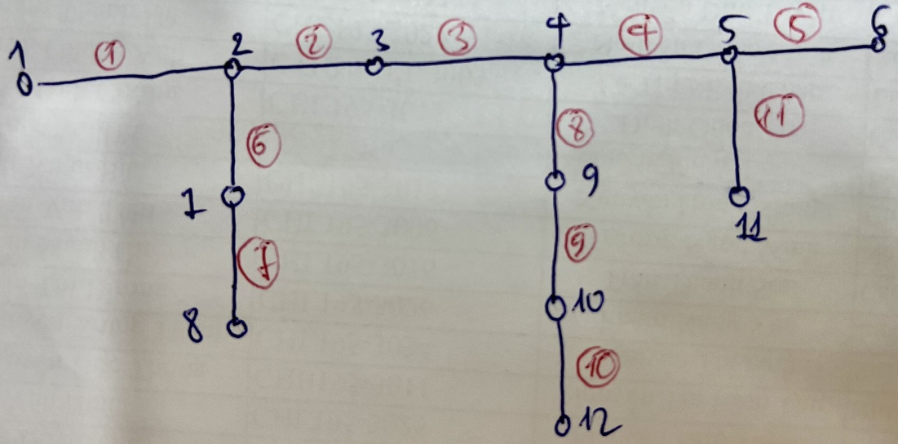
10 | 12 | 10 | 1 | 1 | 3.5 | 0.735 | 1.435 | 700 | 300 | psspy.branch_chng(12,10,"1",[_i,_i,_i,_i,_i,_i],[0.0510416666666667,0.0996527777777778,0.01008,6.23538290724796,_f,_f,_f,_f,_f,_f,_f,_f,_f,_f,_f])
11 | 5 | 11 | 1 | 1 | 3.5 | 0.735 | 1.435 | 0 | 300 | psspy.branch_chng(5,11,"1",[_i,_i,_i,_i,_i,_i],[0.0510416666666667,0.0996527777777778,0,6.23538290724796,_f,_f,_f,_f,_f,_f,_f,_f,_f,_f,_f])
12 | 7 | 9 | 1 | 1 | 3.5 | 0.735 | 1.435 | 0 | 300 | psspy.branch_chng(7,9,"1",[_i,_i,_i,_i,_i,_i],[0.0510416666666667,0.0996527777777778,0,6.23538290724796,_f,_f,_f,_f,_f,_f,_f,_f,_f,_f,_f])
13 | 9 | 11 | 1 | 1 | 3.5 | 0.735 | 1.435 | 0 | 300 | psspy.branch_chng(9,11,"1",[_i,_i,_i,_i,_i,_i],[0.0510416666666667,0.0996527777777778,0,6.23538290724796,_f,_f,_f,_f,_f,_f,_f,_f,_f,_f,_f])
14 | 8 | 10 | 1 | 1 | 3.5 | 0.735 | 1.435 | 0 | 300 | psspy.branch_chng(8,10,"1",[_i,_i,_i,_i,_i,_i],[0.0510416666666667,0.0996527777777778,0,6.23538290724796,_f,_f,_f,_f,_f,_f,_f,_f,_f,_f,_f])
15 | 10 | 11 | 1 | 1 | 3.5 | 0.735 | 1.435 | 0 | 300 | psspy.branch_chng(10,11,"1",[_i,_i,_i,_i,_i,_i],[0.0510416666666667,0.0996527777777778,0,6.23538290724796,_f,_f,_f,_f,_f,_f,_f,_f,_f,_f,_f])
16 | 11 | 12 | 1 | 1 | 3.5 | 0.735 | 1.435 | 0 | 300 | psspy.branch_chng(11,12,"1",[_i,_i,_i,_i,_i,_i],[0.0510416666666667,0.0996527777777778,0,6.23538290724796,_f,_f,_f,_f,_f,_f,_f,_f,_f,_f,_f])

