Foglio1
Power transmission from motor to grid/inverter and viceversa
1. R is low enough wrt X so that it becomes negligible.
2. Phase of E is the reference (i.e. it is 0)
3. This is the case of a sinchronous motor.

$$P_{A→E}=Re\left\{\overline{V_{a}}\overline{I_{A→E}^{∗}}\right\}≅Re\left\{\overline{V_{a}}\frac{\overline{V_{a}^{∗}}−\overline{E^{∗}}}{−jX_{L}}\right\}=\frac{V_{a}E}{X_{L}}\sin\left(δ_{1}−δ_{2}\right)=\frac{V_{a}E}{X_{L}}\sin\left(δ_{1}\right)$$

Quantity | Value | Unit | Notes
V_p | 324.00 | [V] | Source peak voltage
V_rms | 229.10 | [V] | Source RMS voltage
E_p | 300.00 | [V] | Motor emf peak voltage
E_rms | 212.13 | [V] | Motor emf RMS voltage
Phase E_p | 0.00 | [deg] | Phase of emf voltage (set to zero as reference)
Phase E_p | 0.00 | [rad] | Phase of emf voltage (set to zero as reference)
f | 50.00 | [Hz] | Motor electrical frequency (same as grid)
Rs | 1.00 | [ohm] | Stator resistance
Ls | 0.10 | [H] | Stator inductance
Xs | 31.42 | [ohm] | Stator reactance

Case 1: motor mode
1. Power goes from grid/inverter to motor

Quantity | Value | Unit | Notes
Phase V_p | 30.00 | [deg] | Phase of source voltage
Phase V_p | 0.52 | [rad] | Phase of source voltage
P | 773.49 | [W] | Approximation, true when Rs is small

Case 2: regenerative braking
1. Power goes from motor to grid/inverter
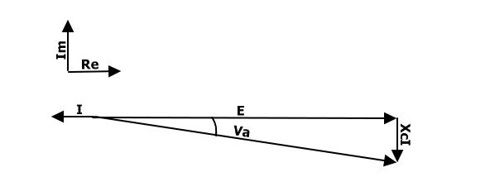

Quantity | Value | Unit | Notes
Phase V_p | -30.00 | [deg] | Phase of source voltage
Phase V_p | -0.52 | [rad] | Phase of source voltage
P | -773.49 | [W] | Approximation, true when Rs is small

