Responsive testing
URL : https://lapinozpizza.in/order/lala-lajpat-rai-market-abohar Responsive testing : Lapinoz Prepared : Rajat Vyas

Functionlity ID | Functionlity Name | Device Name | Screen Shot | Status
1 | Verify the sreen resolution of " order online pizza " in samsung phone to check that screen is userfriendly or not. | Samsung Galaxy S8 | 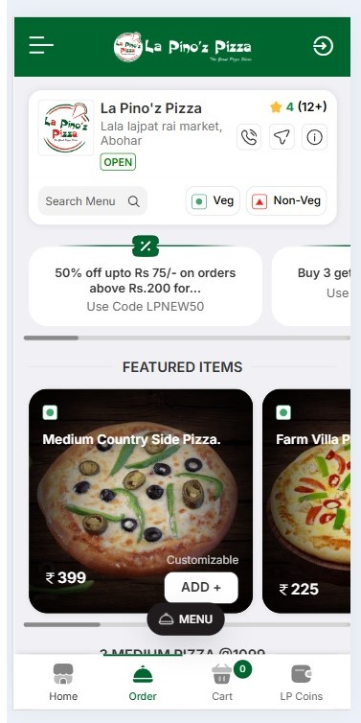 | Pass
2 | Verify the sreen resolution of " order online pizza " in iPad Air to check that screen is userfriendly or not. | iPad Air | 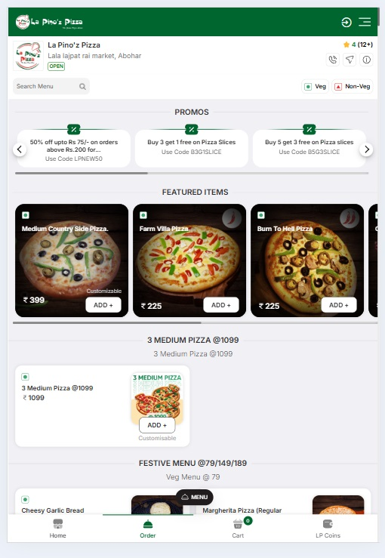 | pass
3 | Verify the sreen resolution of " order online pizza " I phone to check that screen is userfriendly or not. | iPhone12pro | 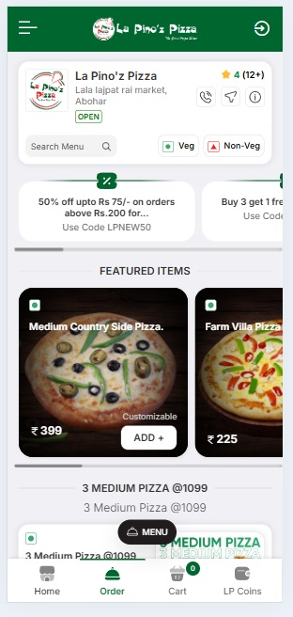 | pass
4 | Verify the sreen resolution of " order online pizza " in Surface pro 7 to check that screen is userfriendly or not. | Surface pro 7 | 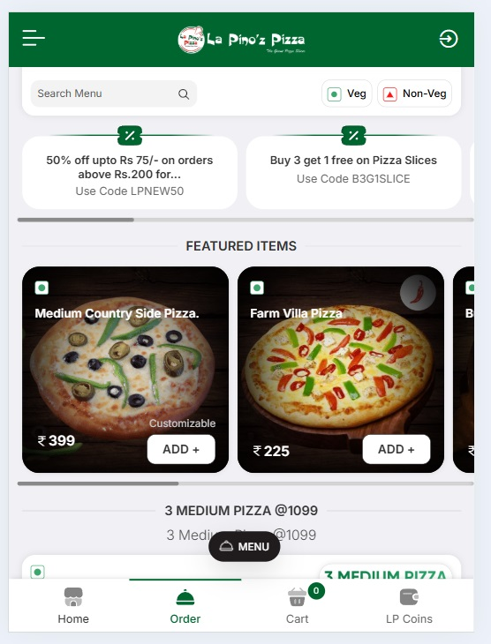 | Pass

