LotschEtAl
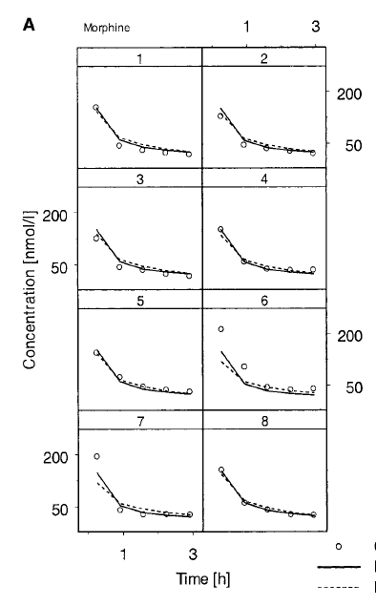
#1 Male 78 kg |  |  |  | #5 Female 54 kg |  |  |  | Molar Mass (ug/nmol)
Time (h) | Concentration (nmol/L) | Time (s) | Concentration (ug/mL) | Time (h) | Concentration (nmol/L) | Time (s) | Concentration (ug/mL) | 0.2853
0.46031746 | 157.14285 | 1657.142856 | 0.044832855105 | 0.4787234 | 150.79366 | 1723.40424 | 0.043021431198
1.0634921 | 57.142857 | 3828.57156 | 0.016302857102 | 1.0851064 | 87.30159 | 3906.38304 | 0.024907143627
1.6666666 | 46.031746 | 5999.99976 | 0.013132857134 | 1.6914893 | 60.31746 | 6089.36148 | 0.017208571338
2.2698412 | 39.68254 | 8171.42832 | 0.011321428662 | 2.2978723 | 53.968254 | 8272.34028 | 0.015397142866
2.8730159 | 34.920635 | 10342.85724 | 0.0099628571655 | 2.9202127 | 49.20635 | 10512.76572 | 0.014038571655

#2 Male 74 kg |  |  |  | #6 Female 65 kg
Time (h) | Concentration (nmol/L) | Time (s) | Concentration (ug/mL) | Time (h) | Concentration (nmol/L) | Time (s) | Concentration (ug/mL)
0.48387095 | 135.43307 | 1741.93542 | 0.038639054871 | 0.4183513 | 210.66861 | 1506.06468 | 0.060103754433
1.1129032 | 61.417324 | 4006.45152 | 0.017522362537 | 1.033483 | 112.40963 | 3720.5388 | 0.032070467439
1.7258065 | 51.968502 | 6212.9034 | 0.014826613621 | 1.6372058 | 57.364075 | 5893.94088 | 0.016365970597
2.3387096 | 44.09449 | 8419.35456 | 0.012580157997 | 2.246247 | 51.914276 | 8086.4892 | 0.014811142943
2.935484 | 40.94488 | 10567.7424 | 0.011681574264 | 2.8399336 | 52.88104 | 10223.76096 | 0.015086960712

#3 Male 76 kg |  |  |  | #7 Female 58 kg
Time (h) | Concentration (nmol/L) | Time (s) | Concentration (ug/mL) | Time (h) | Concentration (nmol/L) | Time (s) | Concentration (ug/mL)
0.44919786 | 133.33333 | 1617.112296 | 0.038039999049 | 0.50246346 | 195.02542 | 1808.868456 | 0.055640752326
1.0588236 | 57.142857 | 3811.76496 | 0.016302857102 | 1.1141033 | 56.11199 | 4010.77188 | 0.016008750747
1.6684492 | 50.79365 | 6006.41712 | 0.014491428345 | 1.7008007 | 44.779602 | 6122.88252 | 0.012775620451
2.278075 | 39.68254 | 8201.07 | 0.011321428662 | 2.3040423 | 46.03783 | 8294.55228 | 0.013134592899
2.9037433 | 34.920635 | 10453.47588 | 0.0099628571655 | 2.9229887 | 44.13799 | 10522.75932 | 0.012592568547

#4 Male 98 kg |  |  |  | #8 Female 61 kg
Time (h) | Concentration (nmol/L) | Time (s) | Concentration (ug/mL) | Time (h) | Concentration (nmol/L) | Time (s) | Concentration (ug/mL)
0.5 | 156.8 | 1800 | 0.04473504 | 0.5 | 160.62993 | 1800 | 0.045827719029
1.1129032 | 73.6 | 4006.45152 | 0.02099808 | 1.0967742 | 74.01575 | 3948.38712 | 0.021116693475
1.7258065 | 52.8 | 6212.9034 | 0.01506384 | 1.7258065 | 56.692913 | 6212.9034 | 0.016174488079
2.3387096 | 52.8 | 8419.35456 | 0.01506384 | 2.3387096 | 47.244095 | 8419.35456 | 0.013478740304
2.951613 | 51.2 | 10625.8068 | 0.01460736 | 2.951613 | 44.09449 | 10625.8068 | 0.012580157997

Average of Male |  |  |  | Average of Females
Time (s) | Concentration (ug/mL) |  |  | Time (s) | Concentration (ug/mL)
1704.047643 | 0.041561737256 |  |  | 1709.584344 | 0.051148414247
3913.30989 | 0.017781539185 |  |  | 3896.52021 | 0.023525763822
6108.05592 | 0.014378684775 |  |  | 6079.77207 | 0.015631162616
8302.80186 | 0.01257171383 |  |  | 8268.18408 | 0.014205404753

