Albuterol
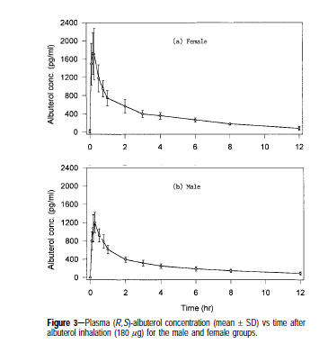
Time (hr) | Plasma Concentration (pg/mL) | Time (s) | ug/L | Plasma Concentrations (ug/mL)
0.20231265 | -0.25000867 | 0 | 0 | 0
0.31183687 | 812.7782 | 394.287192 | 0.8127782 | 0.0008127782
0.3647983 | 1050.7031 | 584.94834 | 1.0507031 | 0.0010507031
0.5177509 | 1209.1254 | 1135.5777 | 1.2091254 | 0.0012091254
0.71625036 | 911.2816 | 1850.175756 | 0.9112816 | 0.0009112816
0.96707565 | 791.86084 | 2753.1468 | 0.79186084 | 0.00079186084
1.2172654 | 612.9379 | 3653.8299 | 0.6129379 | 0.0006129379
2.2233207 | 393.097 | 7275.62898 | 0.393097 | 0.000393097
3.2308588 | 312.09418 | 10902.76614 | 0.31209418 | 0.00031209418
4.238397 | 231.09135 | 14529.90366 | 0.23109135 | 0.00023109135
6.153694 | 168.42252 | 21424.97286 | 0.16842252 | 0.00016842252
8.119622 | 125.50436 | 28502.31366 | 0.12550436 | 0.00012550436
12.001483 | 79.419426 | 42477.01326 | 0.079419426 | 7.9419426E-05

Anderson, et al
Figure 3 Male

Desflurane
Wash-in (Lu2004Pharmacokinetics)
Note: 5% inspired concentration administered

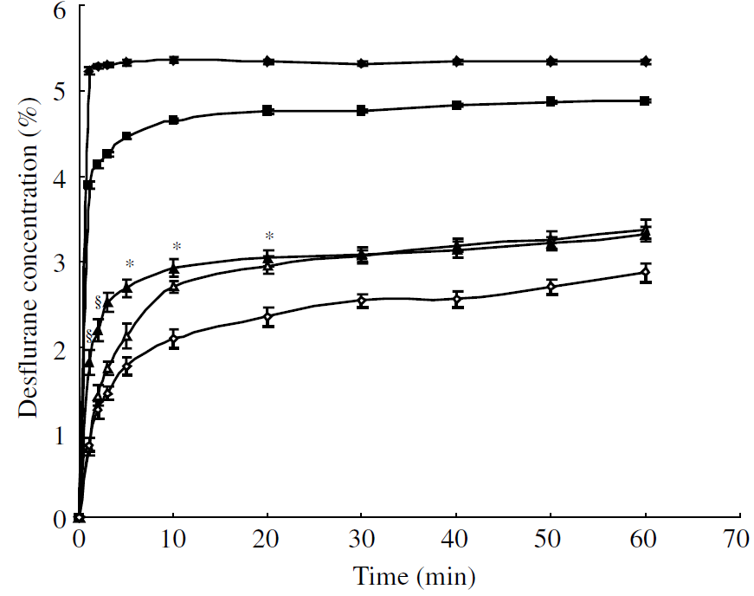
Time (min) | Time (s) (drug given at 100s) | Desflurane End Tidal Fraction (FI = 0.05) | Desflurane FA/FI
0.011 | 100.66 | 0.00088 | 0.088
1.119 | 167.14 | 0.03889 | 3.889
0.327 | 119.62 | 0.023 | 2.3
0.395 | 123.7 | 0.01729 | 1.729 | Data from Figure 1 (Lu2004pharmacokinetics)
0.375 | 122.5 | 0.01285 | 1.285 | Black squares = end tidal concentration
0.349 | 120.94 | 0.00887 | 0.887
0.35 | 121 | 0.00536 | 0.536
0.511 | 130.66 | 0.03006 | 3.006
4.059 | 343.54 | 0.04383 | 4.383
7.983 | 578.98 | 0.04593 | 4.593
11.745 | 804.7 | 0.04677 | 4.677
15.506 | 1030.36 | 0.04728 | 4.728
19.268 | 1256.08 | 0.04754 | 4.754
23.03 | 1481.8 | 0.0476 | 4.76
26.791 | 1707.46 | 0.0476 | 4.76
30.553 | 1900 | 0.04766 | 4.766

Wash-out Data Set (Yasuda1991Comparison)
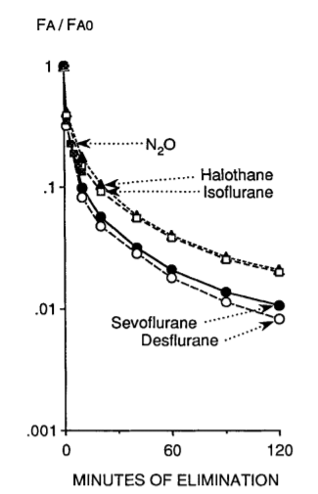
Time (min) | Time* (s) | End Tidal Concentration** | End Tidal Fraction
0.01 | 1905.54 | 0.004594424 | 0.964
0.277 | 1916.62 | 0.002816706 | 0.591
0.422 | 1925.32 | 0.002387766 | 0.501
1.678 | 2000.68 | 0.00138214 | 0.29
3.538 | 2112.28 | 0.001038988 | 0.218
6.163 | 2269.78 | 0.00078639 | 0.165
7.647 | 2358.82 | 0.00061958 | 0.13 |  | Figure 3 Yasuda1991Comparison
9.525 | 2471.5 | 0.000438472 | 0.092
18.774 | 3026.44 | 0.000257364 | 0.054
27.567 | 3554.02 | 0.000195406 | 0.041
41.155 | 4369.3 | 0.000138214 | 0.029
54.588 | 5175.28 | 0.000100086 | 0.021
67.076 | 5924.56 | 0.000076256 | 0.016
80.534 | 6732.04 | 0.000061958 | 0.013
93.839 | 7530.34 | 0.000052426 | 0.011
107.462 | 8347.72 | 0.00004766 | 0.01
120.449 | 9126.94 | 0.000038128 | 0.008
*1880 s added to time to line up with sim
**Using 0.04518 as FA0 (based on end tidal fraction calculated at final time of wash-in)

Epinephrine
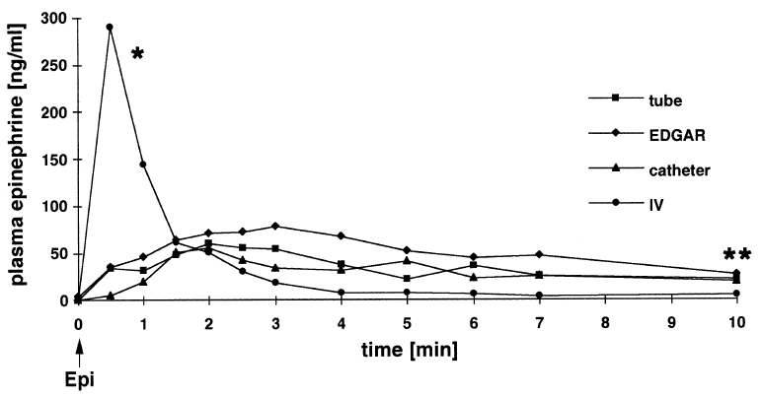
 | Time (min) | Time (s) | Epi (ug/L)
 | 0 | 0 | 0.34 | No data first point, baseline assumed
 | 0.4915 | 29.49 | 291.5
 | 0.9942 | 59.652 | 145.6
 | 1.485 | 89.1 | 63.67
 | 1.978 | 118.68 | 50.98
 | 2.501 | 150.06 | 29.89
 | 2.99 | 179.4 | 18.25
 | 3.99 | 239.4 | 7.553
 | 4.98 | 298.8 | 7.346
 | 6 | 360 | 6.083
 | 6.99 | 419.4 | 3.778
 | 10 | 600 | 5.245

Mielke1998plasma
Porcine Data
Dose altered in BioGears simulation to achieve a similar peak concetration

Fentanyl
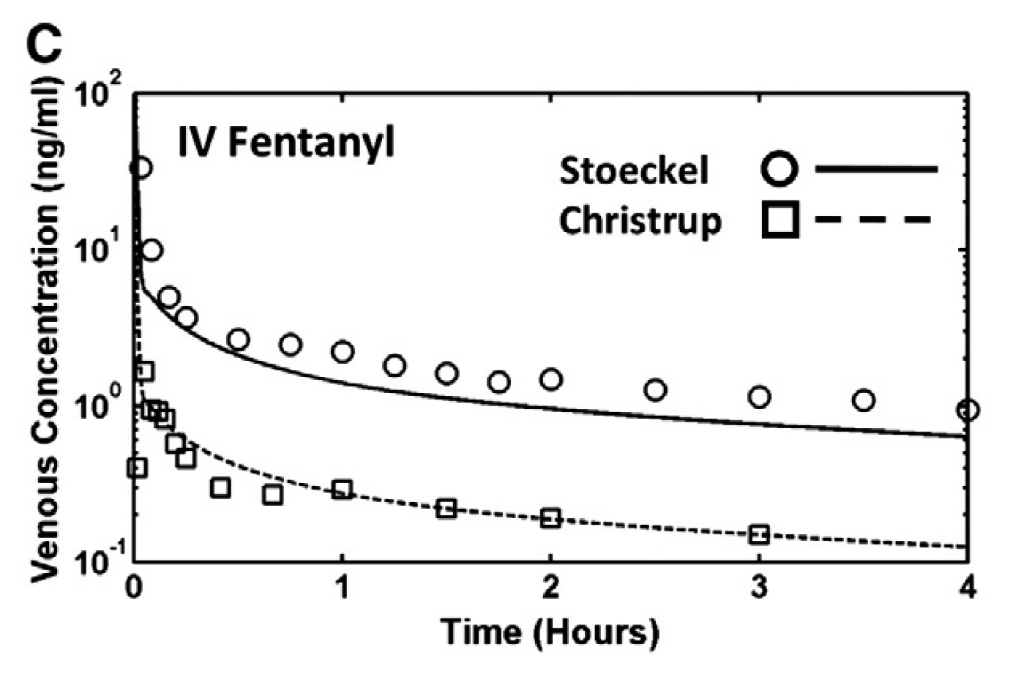
Time (hr) | Venous Concentration (ng/mL) | Time (s) | Venous Concentration (ug/L) | Venous Concentration (ug/mL)
0.02809482 | 33.31355 | 101.141352 | 33.31355 | 0.03331355
0.08077261 | 9.964143 | 290.781396 | 9.964143 | 0.009964143 | Dose | 7.6 ug/kg
0.16154522 | 4.9992857 | 581.562792 | 4.9992857 | 0.0049992857
0.24582967 | 3.6574848 | 884.986812 | 3.6574848 | 0.0036574848 | Note: Venous concentration is noted, not plasma concentration.
0.4951712 | 2.6758213 | 1782.61632 | 2.6758213 | 0.0026758213 | Need to plot against venous concentration and plasma concentration to ensure accurate comparison.
0.7480246 | 2.4813943 | 2692.88856 | 2.4813943 | 0.0024813943
0.99736613 | 2.227891 | 3590.518068 | 2.227891 | 0.002227891
1.2502195 | 1.8153918 | 4500.7902 | 1.8153918 | 0.0018153918
1.4995611 | 1.6299282 | 5398.41996 | 1.6299282 | 0.0016299282
1.7489026 | 1.4322084 | 6296.04936 | 1.4322084 | 0.0014322084
1.998244 | 1.4952954 | 7193.6784 | 1.4952954 | 0.0014952954
2.500439 | 1.2721086 | 9001.5804 | 1.2721086 | 0.0012721086
2.9991221 | 1.1545228 | 10796.83956 | 1.1545228 | 0.0011545228
3.501317 | 1.0939603 | 12604.7412 | 1.0939603 | 0.0010939603
4 | 0.9407602 | 14400 | 0.9407602 | 0.0009407602

Shankaran et al
Stoeckel Data in Figure 2C

Ketamine
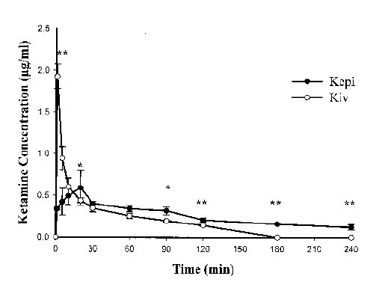
Time (min) | Plasma Concentration (ug/mL) |  | Time (s) | Plasma Concentration (ug/L) | Plasma Concentration (ug/mL)
1.4906547 | 1.9107474 |  | 89.439282 | 1910.7474 | 1.9107474
5.8998704 | 0.93770856 |  | 353.992224 | 937.70856 | 0.93770856
10.806481 | 0.5986093 |  | 648.38886 | 598.6093 | 0.5986093
20.530937 | 0.43825868 |  | 1231.85622 | 438.25868 | 0.43825868
30.24468 | 0.34040692 |  | 1814.6808 | 340.40692 | 0.34040692
59.958294 | 0.24329919 |  | 3597.49764 | 243.29919 | 0.24329919
90.27032 | 0.19085604 |  | 5416.2192 | 190.85604 | 0.19085604
119.97628 | 0.13839036 |  | 7198.5768 | 138.39036 | 0.13839036
180.00038 | 0 |  | 10800.0228 | 0 | 0

Xie et al |  | Dose | 0.5 mg/kg
Data from Figure 4

Upper SD
Time (min) | Plasma Concentration (ug/mL) |  | Time (s) |  | Plasma Concentration (ug/mL)
1.4646372 | 2.0625305 |  | 87.878232 |  | 2.0625305
2.122729 | 1.7589871 |  | 127.36374 |  | 1.7589871
5.8753834 | 1.0805631 |  | 352.523004 |  | 1.0805631
20.46819 | 0.8043235 |  | 1228.0914 |  | 0.8043235
30.838493 | 0.41185674 |  | 1850.30958 |  | 0.41185674
60.541397 | 0.3772479 |  | 3632.48382 |  | 0.3772479
90.23971 | 0.36942425 |  | 5414.3826 |  | 0.36942425
119.960976 | 0.22767447 |  | 7197.65856 |  | 0.22767447
180.57584 | 0 |  | 10834.5504 |  | 0

Lower SD
Time (min) | Plasma Concentration (ug/mL) |  | Time (s) |  | Plasma Concentration (ug/mL)
1.5136114 | 1.7768213 |  | 90.816684 |  | 1.7768213
5.9228272 | 0.8037824 |  | 355.369632 |  | 0.8037824
10.824847 | 0.4914684 |  | 649.49082 |  | 0.4914684
20.526346 | 0.46504393 |  | 1231.58076 |  | 0.46504393
30.847675 | 0.3582863 |  | 1850.8605 |  | 0.3582863
60.55517 | 0.2968922 |  | 3633.3102 |  | 0.2968922
90.259605 | 0.2533549 |  | 5415.5763 |  | 0.2533549
119.97169 | 0.16517559 |  | 7198.3014 |  | 0.16517559
179.97743 | 0 |  | 10798.6458 |  | 0

Midazolam
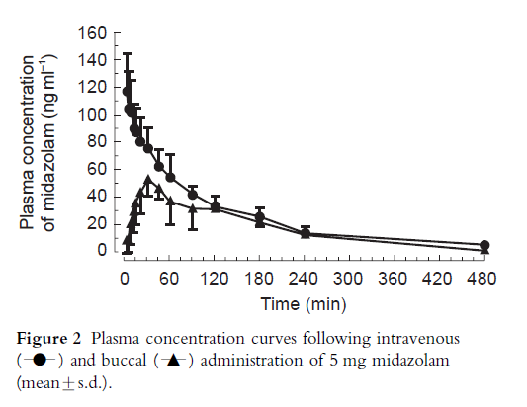
Time (min) | Plasma Concentration (ng/mL) |  | Time (s) | Plasma Concentration (ug/L) | Plasma Concentration (ug/mL)
2.630137 | 116.233185 |  | 157.80822 | 116.233185 | 0.116233185
5.260274 | 103.31838 |  | 315.61644 | 103.31838 | 0.10331838
11.835616 | 101.16592 |  | 710.13696 | 101.16592 | 0.10116592
13.150685 | 88.96861 |  | 789.0411 | 88.96861 | 0.08896861
15.780822 | 85.381165 |  | 946.84932 | 85.381165 | 0.085381165
21.041096 | 79.64126 |  | 1262.46576 | 79.64126 | 0.07964126
31.561644 | 74.618835 |  | 1893.69864 | 74.618835 | 0.074618835
46.027397 | 61.704037 |  | 2761.64382 | 61.704037 | 0.061704037
61.80822 | 53.81166 |  | 3708.4932 | 53.81166 | 0.05381166
90.73972 | 40.896862 |  | 5444.3832 | 40.896862 | 0.040896862
120.9863 | 33.004486 |  | 7259.178 | 33.004486 | 0.033004486
180.16438 | 25.112108 |  | 10809.8628 | 25.112108 | 0.025112108
240.65753 | 13.632287 |  | 14439.4518 | 13.632287 | 0.013632287
480 | 5.0224214 |  | 28800 | 5.0224214 | 0.0050224214

Schwagmeier et al |  | Dose | 5 mg
Data taken from Figure 2

Upper SD
Time (min) | Plasma Concentration (ng/mL) |  | Time (s) |  | Plasma Concentration (ug/mL)
3.9452055 | 143.49776 |  | 236.71233 |  | 0.14349776 | Data pulled from the plot
6.5753427 | 130.58296 |  | 394.520562 |  | 0.13058296
7.890411 | 124.12556 |  | 473.42466 |  | 0.12412556
9.20548 | 107.62332 |  | 552.3288 |  | 0.10762332
14.465754 | 104.753365 |  | 867.94524 |  | 0.104753365
22.356165 | 98.29597 |  | 1341.3699 |  | 0.09829597
31.561644 | 89.6861 |  | 1893.69864 |  | 0.0896861
46.027397 | 73.901344 |  | 2761.64382 |  | 0.073901344
61.80822 | 70.3139 |  | 3708.4932 |  | 0.0703139
92.054794 | 47.35426 |  | 5523.28764 |  | 0.04735426
120.9863 | 40.17937 |  | 7259.178 |  | 0.04017937
180.16438 | 31.569508 |  | 10809.8628 |  | 0.031569508
240.65753 | 17.93722 |  | 14439.4518 |  | 0.01793722

Lower SD
Time (min) | Plasma Concentration (ng/mL) |  | Time (s) |  | Plasma Concentration (ug/mL)
3.9452055 | 88.96861 |  | 236.71233 |  | 0.08896861 | Calculated by taking mean - (UpperSD - mean)
6.5753427 | 76.0538 |  | 394.520562 |  | 0.0760538
7.890411 | 78.20628 |  | 473.42466 |  | 0.07820628
9.20548 | 70.3139 |  | 552.3288 |  | 0.0703139
14.465754 | 66.008965 |  | 867.94524 |  | 0.066008965
22.356165 | 60.98655 |  | 1341.3699 |  | 0.06098655
31.561644 | 59.55157 |  | 1893.69864 |  | 0.05955157
46.027397 | 49.50673 |  | 2761.64382 |  | 0.04950673
61.80822 | 37.30942 |  | 3708.4932 |  | 0.03730942
92.054794 | 34.439464 |  | 5523.28764 |  | 0.034439464
120.9863 | 25.829602 |  | 7259.178 |  | 0.025829602
180.16438 | 18.654708 |  | 10809.8628 |  | 0.018654708
240.65753 | 9.327354 |  | 14439.4518 |  | 0.009327354

Morphine
Time (hr) | Plasma Concentration (nmol/L) |  | Time (s) | Plasma Concentration (ug/L) | Plasma Concentration (ug/mL)
0.056179777 | 3054.7703 |  | 202.2471972 | 871.6481574 | 0.8716481574 | Molecular Weight (g/mol) | ug/nmol
0.056179777 | 2633.9097 |  | 202.2471972 | 751.5597938 | 0.7515597938 | 285.34 | 0.28534
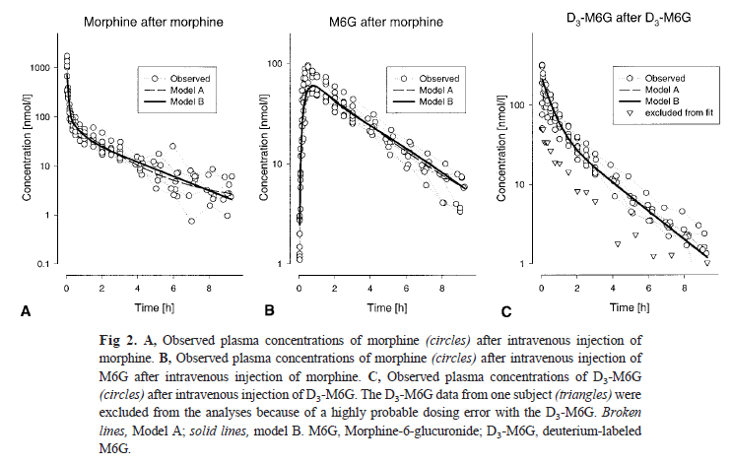
0.056179777 | 1958.148 |  | 202.2471972 | 558.73795032 | 0.55873795032
0.056179777 | 1194.6844 |  | 202.2471972 | 340.8912467 | 0.3408912467
0.11235955 | 628.46814 |  | 404.49438 | 179.32709907 | 0.17932709907
0.11235955 | 444.70157 |  | 404.49438 | 126.89114598 | 0.12689114598
0.2247191 | 258.23624 |  | 808.98876 | 73.685128722 | 0.073685128722
0.2247191 | 182.72694 |  | 808.98876 | 52.13930506 | 0.05213930506
0.56179774 | 91.48995 |  | 2022.471864 | 26.105742333 | 0.026105742333
1.011236 | 58.646263 |  | 3640.4496 | 16.734124684 | 0.016734124684
1.5730337 | 39.49722 |  | 5662.92132 | 11.270136755 | 0.011270136755
2.3033707 | 30.851082 |  | 8292.13452 | 8.8030477379 | 0.0088030477379
2.977528 | 22.93586 |  | 10719.1008 | 6.5445182924 | 0.0065445182924
3.988764 | 16.229324 |  | 14359.5504 | 4.6308753102 | 0.0046308753102
5.05618 | 11.483806 |  | 18202.248 | 3.276789204 | 0.003276789204
6.1235957 | 7.73414 |  | 22044.94452 | 2.2068595076 | 0.0022068595076
7.303371 | 5.208806 |  | 26292.1356 | 1.486280704 | 0.001486280704
8.651686 | 3.1779416 |  | 31146.0696 | 0.90679385614 | 0.00090679385614
9.438202 | 2.362602 |  | 33977.5272 | 0.67414485468 | 0.00067414485468

Lotsch et al |  | Dose | 5.64 mg
Data taken from Figure 2 |  | Note: Need to extract all 8 patients from Figure 3

Naloxone
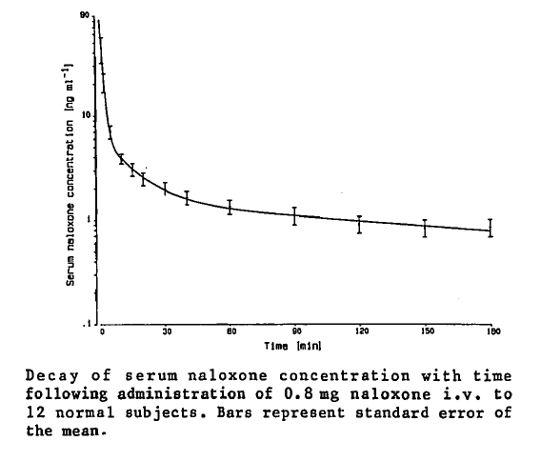
Time (min) | Plasma Concentration (ng/mL) |  | Time (s) | Plasma Concentration (ug/L) | Plasma Concentration (ug/mL)
1.2066722 | 88.61787 |  | 72.400332 | 88.61787 | 0.08861787
2.0426261 | 79.79219 |  | 122.557566 | 79.79219 | 0.07979219
3.3102095 | 70.138565 |  | 198.61257 | 70.138565 | 0.070138565
6.3011603 | 56.345867 |  | 378.069618 | 56.345867 | 0.056345867
11.488066 | 48.340813 |  | 689.28396 | 48.340813 | 0.048340813
16.258043 | 45.024357 |  | 975.48258 | 45.024357 | 0.045024357
21.464903 | 42.258755 |  | 1287.89418 | 42.258755 | 0.042258755
31.453293 | 39.210068 |  | 1887.19758 | 39.210068 | 0.039210068
41.443783 | 36.712902 |  | 2486.62698 | 36.712902 | 0.036712902
60.998383 | 33.92532 |  | 3659.90298 | 33.92532 | 0.03392532
90.55503 | 31.673939 |  | 5433.3018 | 31.673939 | 0.031673939
120.11377 | 29.974081 |  | 7206.8262 | 29.974081 | 0.029974081
149.67357 | 28.549982 |  | 8980.4142 | 28.549982 | 0.028549982
179.67233 | 28.228262 |  | 10780.3398 | 28.228262 | 0.028228262

Aitkenhead et al |  | Dose | 0.8 mg
Data from Figure

Upper SD
Time (min) | Plasma Concentration (ng/mL) |  | Time (s) |  | Plasma Concentration (ug/mL)
2.0562787 | 83.37708 |  | 123.376722 |  | 0.08337708
3.3217618 | 73.171936 |  | 199.305708 |  | 0.073171936
6.3064113 | 57.72467 |  | 378.384678 |  | 0.05772467
11.058537 | 49.72028 |  | 663.51222 |  | 0.04972028
16.265396 | 46.95468 |  | 975.92376 |  | 0.04695468
21.472254 | 44.18908 |  | 1288.33524 |  | 0.04418908
31.460644 | 41.140392 |  | 1887.63864 |  | 0.041140392
41.017403 | 38.91965 |  | 2461.04418 |  | 0.03891965
61.007835 | 36.407166 |  | 3660.4701 |  | 0.036407166
90.12865 | 33.88069 |  | 5407.719 |  | 0.03388069
120.11902 | 31.352884 |  | 7207.1412 |  | 0.031352884
150.11569 | 30.479641 |  | 9006.9414 |  | 0.030479641
179.6818 | 30.710108 |  | 10780.908 |  | 0.030710108

Lower SD
Time (min) | Plasma Concentration (ng/mL) |  | Time (s) |  | Plasma Concentration (ug/mL)
2.4616535 | 75.65511 |  | 147.69921 |  | 0.07565511
3.2997077 | 67.38096 |  | 197.982462 |  | 0.06738096
6.727539 | 54.139114 |  | 403.65234 |  | 0.054139114
11.481765 | 46.68625 |  | 688.9059 |  | 0.04668625
16.685472 | 43.093365 |  | 1001.12832 |  | 0.043093365
21.022772 | 40.329098 |  | 1261.36632 |  | 0.040329098
31.446991 | 37.555504 |  | 1886.81946 |  | 0.037555504
41.43643 | 34.782574 |  | 2486.1858 |  | 0.034782574
60.99103 | 31.994993 |  | 3659.4618 |  | 0.031994993
90.10975 | 28.916998 |  | 5406.585 |  | 0.028916998
120.101166 | 26.664951 |  | 7206.06996 |  | 0.026664951
149.66202 | 25.516615 |  | 8979.7212 |  | 0.025516615
180.09662 | 25.469988 |  | 10805.7972 |  | 0.025469988

Prednisone
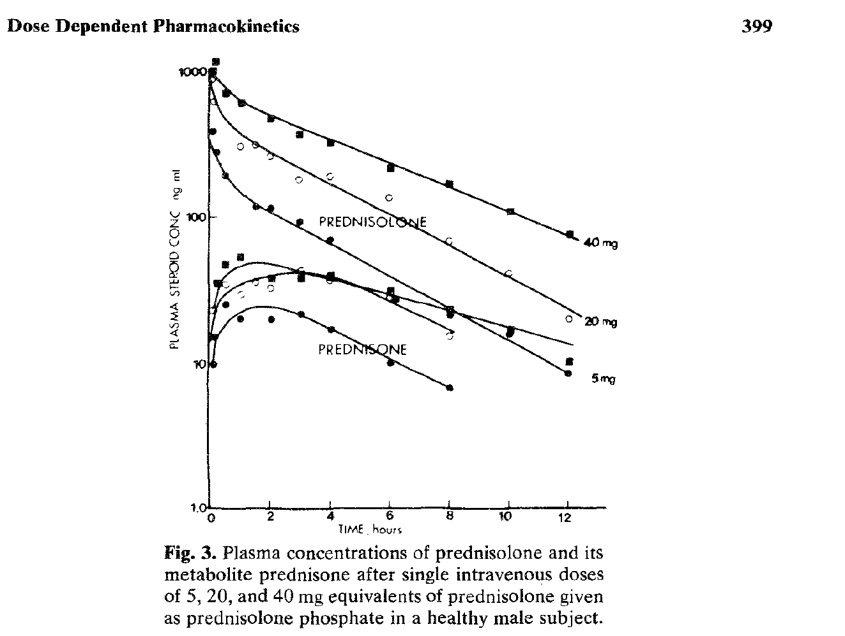
Time (hr) | Plasma Concentration (ng/mL) |  | Time (s) | Plasma Concentration (ug/L) | Plasma Concentration (ug/mL)
0.11105447 | 877.55695 |  | 399.796092 | 877.55695 | 0.87755695
0.17374346 | 611.32996 |  | 625.476456 | 611.32996 | 0.61132996
1.0678402 | 299.47296 |  | 3844.22472 | 299.47296 | 0.29947296
1.5590559 | 308.50378 |  | 5612.60124 | 308.50378 | 0.30850378
2.070864 | 259.98398 |  | 7455.1104 | 259.98398 | 0.25998398
3.008957 | 179.17128 |  | 10832.2452 | 179.17128 | 0.17917128
4.055369 | 186.35028 |  | 14599.3284 | 186.35028 | 0.18635028
6.018522 | 133.57379 |  | 21666.6792 | 133.57379 | 0.13357379
8.023049 | 67.37225 |  | 28882.9764 | 67.37225 | 0.06737225
10.02826 | 40.71262 |  | 36101.736 | 40.71262 | 0.04071262
12.032637 | 19.726364 |  | 43317.4932 | 19.726364 | 0.019726364

Rose et al
Data taken from Figure 3 prednisolone |  | Dose | 20 mg

Time (hr) | Plasma Concentration (ng/mL) |  | Time (s) |  | Plasma Concentration (ug/mL)
0.111510396 | 989.9215 |  | 401.4374256 |  | 0.9899215
0.21887952 | 1162.3293 |  | 787.966272 |  | 1.1623293
0.6012823 | 696.31604 |  | 2164.61628 |  | 0.69631604
1.1131662 | 598.7057 |  | 4007.39832 |  | 0.5987057
2.0731056 | 470.125 |  | 7463.18016 |  | 0.470125
3.0329688 | 361.81985 |  | 10918.68768 |  | 0.36181985
4.0574207 | 320.47528 |  | 14606.71452 |  | 0.32047528
6.1056786 | 211.96838 |  | 21980.44296 |  | 0.21196838
8.069173 | 166.30542 |  | 29049.0228 |  | 0.16630542
10.096003 | 107.81267 |  | 36345.6108 |  | 0.10781267
12.101747 | 74.98322 |  | 43566.2892 |  | 0.07498322

Rose et al
Data taken from Figure 3 prednisolone |  | Dose | 40 mg

Time (hr) | Plasma Concentration (ng/mL) |  | Time (s) |  | Plasma Concentration (ug/mL)
0.10790103 | 381.37976 |  | 388.443708 |  | 0.38137976
0.2775032 | 276.54196 |  | 999.01152 |  | 0.27654196
0.55371463 | 192.61223 |  | 1993.372668 |  | 0.19261223
1.5767608 | 117.66551 |  | 5676.33888 |  | 0.11766551
2.0677483 | 114.12725 |  | 7443.89388 |  | 0.11412725
3.0064113 | 91.436165 |  | 10823.08068 |  | 0.091436165
4.094312 | 68.96513 |  | 14739.5232 |  | 0.06896513
8.061347 | 21.020977 |  | 29020.8492 |  | 0.021020977
10.08867 | 15.527523 |  | 36319.212 |  | 0.015527523
12.029331 | 8.235454 |  | 43305.5916 |  | 0.008235454

Rose et al
Data taken from Figure 3 prednisolone |  | Dose | 5 mg

Propofol
Time (min) | Plasma Concentration (ug/mL) | Time (s) | Plasma Concentration (ug/L) | Plasma Concentration (ug/mL) |  |  | Time (min) | Plasma Concentration (ug/mL) | Time (s) | Plasma Concentration (ug/mL)
-4.44E-16 | 1.78E-15 | 0.00000000 | 0.00000000 | 0.00 |  |  | -4.44E-16 | 1.78E-15 | 0 | 0
1.0643469 | 1.4356016 | 63.86081400 | 1435.60160000 | 1.4356016 | Dose | 2.5 mg/kg | 0.99953705 | 0.9770236 | 59.972223 | 0.9770236
1.9597254 | 5.8230443 | 117.58352400 | 5823.04430000 | 5.8230443 |  |  | 1.9705269 | 7.658985 | 118.231614 | 7.658985
3.0009258 | 3.3244867 | 180.05554800 | 3324.48670000 | 3.3244867 |  |  | 3.0013115 | 3.390056 | 180.07869 | 3.390056
3.9881182 | 2.2032921 | 239.28709200 | 2203.29210000 | 2.2032921 |  |  | 4.049842 | 2.1373155 | 242.99052 | 2.1373155
6.035028 | 1.7308671 | 362.10168000 | 1730.86710000 | 1.7308671 |  |  | 5.9709897 | 1.4034278 | 358.259382 | 1.4034278
8.0206 | 1.3899881 | 481.23600000 | 1389.98810000 | 1.3899881 |  |  | 7.9573336 | 1.1936874 | 477.440016 | 1.1936874
10.006558 | 1.1146784 | 600.39348000 | 1114.67840000 | 1.1146784 |  |  | 10.005787 | 0.9835398 | 600.34722 | 0.9835398
20.003859 | 0.6556932 | 1200.23154000 | 655.69320000 | 0.6556932 |  |  | 20.003859 | 0.6556932 | 1200.23154 | 0.6556932

Lower SD |  |  |  |  |  |  | Upper SD
Time (min) | Plasma Concentration (ug/mL) | Time (s) |  | Plasma Concentration (ug/mL) |  |  | Time (min) | Plasma Concentration (ug/mL) | Time (s) | Plasma Concentration (ug/mL)
0 | 0 | 0 |  | 0 |  |  | 0 | 0 | 0 | 0
1.0562457 | 0.058645852 | 63.374742 |  | 0.058645852 |  |  | 1.0068668 | 2.2228405 | 60.412008 | 2.2228405
1.941594 | 2.7412863 | 116.49564 |  | 2.7412863 |  |  | 1.9917445 | 11.265298 | 119.50467 | 11.265298
2.9939818 | 2.144239 | 179.638908 |  | 2.144239 |  |  | 3.007484 | 4.439165 | 180.44904 | 4.439165
3.9842606 | 1.5475988 | 239.055636 |  | 1.5475988 |  |  | 3.9915903 | 2.793416 | 239.495418 | 2.793416
6.0327134 | 1.3374512 | 361.962804 |  | 1.3374512 |  |  | 5.9740763 | 1.9279823 | 358.444578 | 1.9279823
8.018671 | 1.0621415 | 481.12026 |  | 1.0621415 |  |  | 7.9592624 | 1.521534 | 477.555744 | 1.521534
10.004629 | 0.78683186 | 600.27774 |  | 0.78683186 |  |  | 9.94522 | 1.2462243 | 596.7132 | 1.2462243
19.940977 | 0.5249618 | 1196.45862 |  | 0.5249618 |  |  | 20.067125 | 0.8519939 | 1204.0275 | 0.8519939

Ward et al |  |  |  |  |  |  | Ward et al
Data taken from Figure 1 Diprivan |  |  |  |  |  |  | Data taken from Figure 1 IDD-D

Upper SD |  |  |  |  |  |  | Lower SD
Time (s) | Plasma Concentration (ug/mL) |  |  |  |  |  | Time (s) | Plasma Concentration (ug/mL)
0 | 0.000000 | Calculated from lower SD and mean |  |  |  |  | 0 | 0
63.374742 | 2.812557 |  |  |  |  |  | 60.412008 | -0.2687933 | Calculated from upper SD and mean
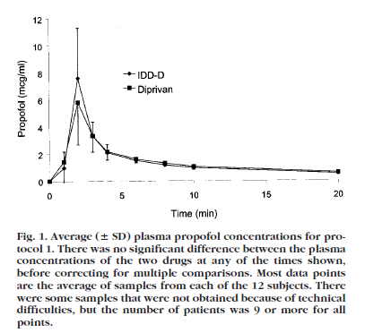
116.49564 | 8.904802 |  |  |  |  |  | 119.50467 | 4.052672
179.638908 | 4.504734 |  |  |  |  |  | 180.44904 | 2.340947
239.055636 | 2.858985 |  |  |  |  |  | 239.495418 | 1.481215
361.962804 | 2.124283 |  |  |  |  |  | 358.444578 | 0.8788733
481.12026 | 1.717835 |  |  |  |  |  | 477.555744 | 0.8658408
600.27774 | 1.442525 |  |  |  |  |  | 596.7132 | 0.7208553
1196.45862 | 0.786425 |  |  |  |  |  | 1204.0275 | 0.4593925

Rocuronium
Time (min) | Plasma Concentration (ng/mL) | Time (s) | Plasma Concentration (ug/L) | Plasma Concentration (ug/mL)
1.939651 | 11139.957 | 116.37906 | 11139.957 | 11.139957
9.757089 | 4167.368 | 585.42534 | 4167.368 | 4.167368 | Mean Dose | 0.64 mg/kg
18.582996 | 3593.6553 | 1114.97976 | 3593.6553 | 3.5936553
39.160732 | 1556.2255 | 2349.64392 | 1556.2255 | 1.5562255 | Moraes Et al
60.409714 | 1138.1025 | 3624.58284 | 1138.1025 | 1.1381025 | Data taken from Figure 2
84.931465 | 888.4304 | 5095.8879 | 888.4304 | 0.8884304
92.45019 | 791.7157 | 5547.0114 | 791.7157 | 0.7917157 | Dose taken from Table 3
119.581505 | 499.41016 | 7174.8903 | 499.41016 | 0.49941016
184.97339 | 262.26996 | 11098.4034 | 262.26996 | 0.26226996
231.40948 | 211.17186 | 13884.5688 | 211.17186 | 0.21117186
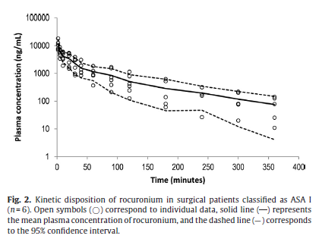
241.21872 | 194.41296 | 14473.1232 | 194.41296 | 0.19441296
289.61078 | 128.58623 | 17376.6468 | 128.58623 | 0.12858623
336.6962 | 89.34028 | 20201.772 | 89.34028 | 0.08934028
361.21954 | 73.25318 | 21673.1724 | 73.25318 | 0.07325318

Upper 95% CI
Time (min) | Plasma Concentration (ng/mL) | Time (s) |  | Plasma Concentration (ug/mL)
2.280621 | 17052.72 | 136.83726 |  | 17.05272
10.095385 | 5877.7363 | 605.7231 |  | 5.8777363
20.230082 | 5151.6997 | 1213.80492 |  | 5.1516997
41.13702 | 2381.9053 | 2468.2212 |  | 2.3819053
62.05787 | 1685.855 | 3723.4722 |  | 1.685855
89.85454 | 1499.8401 | 5391.2724 |  | 1.4998401
119.927284 | 885.8881 | 7195.63704 |  | 0.8858881
152.9543 | 725.8646 | 9177.258 |  | 0.7258646
173.88103 | 615.1592 | 10432.8618 |  | 0.6151592
181.07536 | 594.98615 | 10864.5216 |  | 0.59498615
209.52081 | 449.34982 | 12571.2486 |  | 0.44934982
234.6967 | 350.7546 | 14081.802 |  | 0.3507546
247.77551 | 312.4291 | 14866.5306 |  | 0.3124291
276.5507 | 256.08224 | 16593.042 |  | 0.25608224
299.11328 | 220.5797 | 17946.7968 |  | 0.2205797
358.95258 | 145.75641 | 21537.1548 |  | 0.14575641

Lower 95% CI
Time (min) | Plasma Concentration (ng/mL) | Time (s) |  | Plasma Concentration (ug/mL)
2.2501342 | 6704.8374 | 135.008052 |  | 6.7048374
4.5224648 | 3969.2715 | 271.347888 |  | 3.9692715
17.903194 | 1637.441 | 1074.19164 |  | 1.637441
39.13399 | 686.2048 | 2348.0394 |  | 0.6862048
59.078995 | 572.14764 | 3544.7397 |  | 0.57214764
89.1357 | 206.76202 | 5348.142 |  | 0.20676202
133.91562 | 87.909096 | 8034.9372 |  | 0.087909096
180.33673 | 44.74812 | 10820.2038 |  | 0.04474812
238.55515 | 46.018158 | 14313.309 |  | 0.046018158
302.28656 | 11.194299 | 18137.1936 |  | 0.011194299
358.18185 | 4.103487 | 21490.911 |  | 0.004103487

Succinylcholine
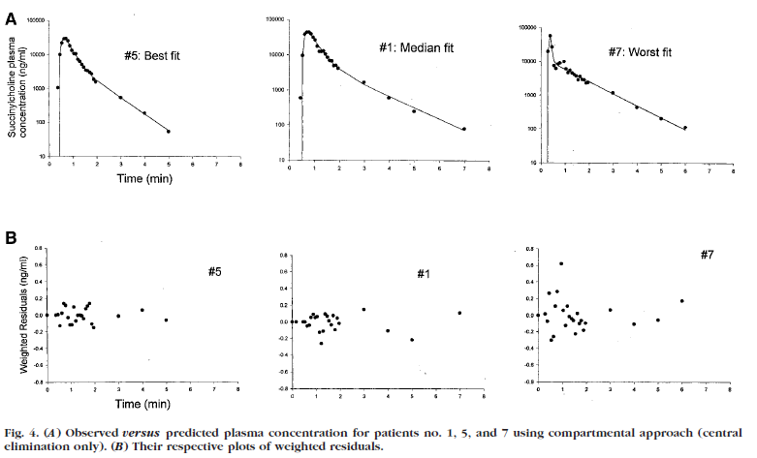
Time (min) | Plasma Concentration (ng/mL) | Time (s) | Plasma Concentration (ug/L) | Plasma Concentration (ug/mL)
0.38954216 | 1036.6143 | 0 | 1036.6143 | 1.0366143 | Dose | 1 mg/kg
0.42280322 | 10201.599 | 0.3681932 | 10201.599 | 10.201599
0.50116056 | 22355.291 | 5.0696336 | 22355.291 | 22.355291 | injection time ~ | 25 | s
0.54095143 | 27203.826 | 7.4570858 | 27203.826 | 27.203826
0.9070272 | 12459.309 | 29.421632 | 12459.309 | 12.459309 | Roy Et Al
0.7431705 | 25525.695 | 19.59023 | 25525.695 | 25.525695 | Data taken from Figure 4 A
0.82520086 | 17260.42 | 24.5120516 | 17260.42 | 17.26042 | Best Fit
0.98844534 | 10248.826 | 34.3067204 | 10248.826 | 10.248826
1.0692514 | 10255.591 | 39.155084 | 10255.591 | 10.255591
1.1916847 | 6937.0967 | 46.501082 | 6937.0967 | 6.9370967
1.2728989 | 6091.534 | 51.373934 | 6091.534 | 6.091534
1.3543171 | 5010.798 | 56.259026 | 5010.798 | 5.010798
1.3955363 | 3859.8904 | 58.732178 | 3859.8904 | 3.8598904
1.5171534 | 3390.527 | 66.029204 | 3390.527 | 3.390527
1.6385665 | 3179.2761 | 73.31399 | 3179.2761 | 3.1792761
1.7601837 | 2792.6755 | 80.611022 | 2792.6755 | 2.7926755
1.8424181 | 1768.9905 | 85.545086 | 1768.9905 | 1.7689905
1.9238362 | 1455.143 | 90.430172 | 1455.143 | 1.455143
2.9773753 | 550.93317 | 153.642518 | 550.93317 | 0.55093317
3.9909196 | 182.98326 | 214.455176 | 182.98326 | 0.18298326
4.964265 | 56.91303 | 272.8559 | 56.91303 | 0.05691303

Time (min) | Plasma Concentration (ng/mL) | Time (s) |  | Plasma Concentration (ug/mL) | injection time ~ | 25 | s
0.41492096 | 605.7381 | 0 |  | 0.6057381 | Roy Et Al
0.48467138 | 8575.033 | 4.0802828 |  | 8.575033 | Data taken from Figure 4 A
0.55781513 | 38997.434 | 8.4689078 |  | 38.997434 | Median Fit
0.5962721 | 44255.125 | 10.776326 |  | 44.255125
0.75160825 | 44309.367 | 20.096495 |  | 44.309367
0.82946485 | 41625.96 | 24.767891 |  | 41.62596
0.907887 | 32362.438 | 29.47322 |  | 32.362438
0.9863091 | 25160.438 | 34.178546 |  | 25.160438
1.0262742 | 17237.236 | 36.576452 |  | 17.237236
1.1827415 | 11819.961 | 45.96449 |  | 11.819961
1.3378891 | 12605.07 | 55.273346 |  | 12.60507
1.4161227 | 10438.053 | 59.967362 |  | 10.438053
1.4943564 | 8643.581 | 64.661384 |  | 8.643581
1.57259 | 7157.6084 | 69.3554 |  | 7.1576084
1.7283031 | 6316.92 | 78.698186 |  | 6.31692
1.7678912 | 4909.6367 | 81.073472 |  | 4.9096367
1.8459363 | 4330.328 | 85.756178 |  | 4.330328
2.9363055 | 1591.8002 | 151.17833 |  | 1.5918002
3.9876523 | 623.04663 | 214.259138 |  | 0.62304663
5.000165 | 243.79205 | 275.0099 |  | 0.24379205

Time (min) | Plasma Concentration (ng/mL) | Time (s) |  | Plasma Concentration (ug/mL) | injection time ~ | 15 | s
0.26034528 | 19584.238 | 0.6207168 |  | 19.584238 | Roy Et Al
0.33826333 | 55732.914 | 5.2957998 |  | 55.732914 | Data taken from Figure 4 A
0.3817573 | 22339.752 | 7.905438 |  | 22.339752 | Worst Fit
0.5072919 | 6900.073 | 15.437514 |  | 6.900073
0.62994075 | 5318.712 | 22.796445 |  | 5.318712
0.62849784 | 8402.241 | 22.7098704 |  | 8.402241
0.8717341 | 9593.98 | 37.304046 |  | 9.59398
0.9545993 | 5692.8315 | 42.275958 |  | 5.6928315
1.0774542 | 4110.6577 | 49.647252 |  | 4.1106577
1.1986601 | 5005.561 | 56.919606 |  | 5.005561
1.2804947 | 4117.4785 | 61.829682 |  | 4.1174785
1.321309 | 3858.3848 | 64.27854 |  | 3.8583848
1.4435455 | 3389.2056 | 71.61273 |  | 3.3892056
1.4445761 | 2444.831 | 71.674566 |  | 2.444831
1.5651636 | 3621.594 | 78.909816 |  | 3.621594
1.7286266 | 2615.9336 | 88.717596 |  | 2.6159336
1.8508632 | 2297.8364 | 96.051792 |  | 2.2978364
2.9901571 | 1130.5334 | 164.409426 |  | 1.1305334
3.9678433 | 427.75235 | 223.070598 |  | 0.42775235
4.9855194 | 196.94948 | 284.131164 |  | 0.19694948
6.002783 | 103.33725 | 345.16698 |  | 0.10333725

