Summary
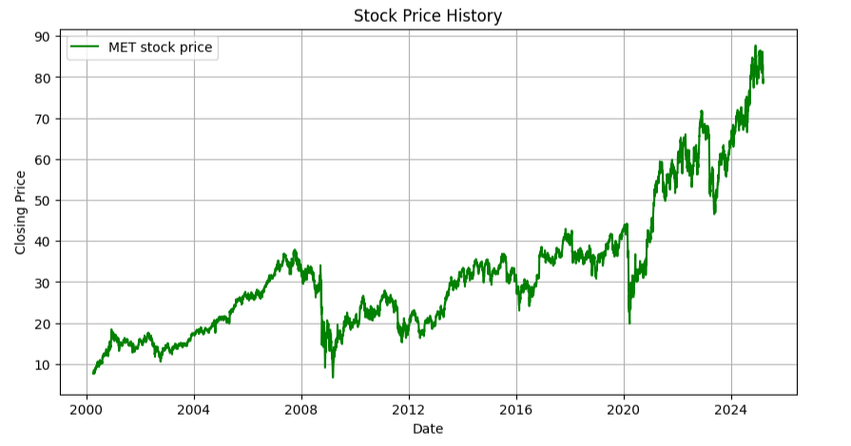
SUMMARY
Targer Price | 122.87
Last close | 79.18
Date | 2024 - March - 12
Ticker | MET
Exchange | NYSE
Industry | Insurance
Market Cap | $ 53,790m
Shares Out | 689m
52-Week High | 89.05
52-Week Low | 67.3
Beta | 1.03

2000

