Sheet1
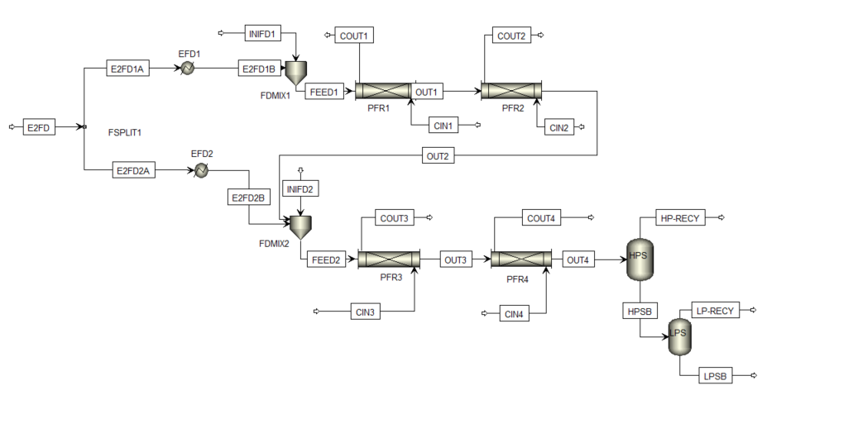
https://kitchingroup.cheme.cmu.edu/blog/2013/06/14/Running-Aspen-via-Python/

