Number of Individual Cases
The number of individual cases identified in EudraVigilance for
BLINATUMOMAB is 3,959 (up to 31/10/2023)
Number of individual cases by Age Group
Age Group | Cases | % | 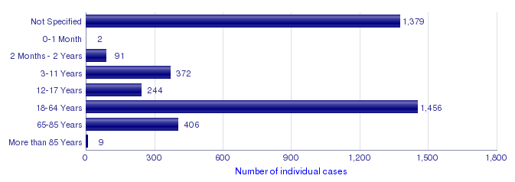
Not Specified | 1,379 | 34.8%
0-1 Month | 2 | 0.1%
2 Months - 2 Years | 91 | 2.3%
3-11 Years | 372 | 9.4%
12-17 Years | 244 | 6.2%
18-64 Years | 1,456 | 36.8%
65-85 Years | 406 | 10.3%
More than 85 Years | 9 | 0.2%
Total | 3,959 | 100.0%
Number of individual cases by Sex
Sex | Cases | %
Female | 1,580 | 39.9%
Male | 1,861 | 47.0%
Not Specified | 518 | 13.1%
Total | 3,959 | 100.0%
Number of individual cases by Geographic Origin (EEA/Non-EEA)
Occurrence Country EEA/Non EEA | Cases | %
European Economic Area | 786 | 19.9%
Non European Economic Area | 3,173 | 80.1%
Not Specified | 0
Total | 3,959 | 100.0%
Number of individual cases by Reporter Group
Reporter Group | Cases | %
Healthcare Professional | 3,885 | 98.1%
Non Healthcare Professional | 74 | 1.9%
Not Specified | 0
Total | 3,959 | 100.0%
For the interpretation of the results, please refer to the key considerations at www.adrreports.eu

