Number of Individual Cases
The number of individual cases identified in EudraVigilance for
ABACAVIR is 2,569 (up to 31/10/2023)
Number of individual cases by Age Group
Age Group | Cases | % | 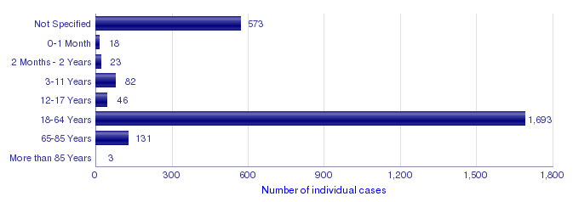
Not Specified | 573 | 22.3%
0-1 Month | 18 | 0.7%
2 Months - 2 Years | 23 | 0.9%
3-11 Years | 82 | 3.2%
12-17 Years | 46 | 1.8%
18-64 Years | 1,693 | 65.9%
65-85 Years | 131 | 5.1%
More than 85 Years | 3 | 0.1%
Total | 2,569 | 100.0%
Number of individual cases by Sex
Sex | Cases | %
Female | 714 | 27.8%
Male | 1,669 | 65.0%
Not Specified | 186 | 7.2%
Total | 2,569 | 100.0%
Number of individual cases by Geographic Origin (EEA/Non-EEA)
Occurrence Country EEA/Non EEA | Cases | %
European Economic Area | 1,003 | 39.0%
Non European Economic Area | 1,566 | 61.0%
Not Specified | 0
Total | 2,569 | 100.0%
Number of individual cases by Reporter Group
Reporter Group | Cases | %
Healthcare Professional | 2,336 | 90.9%
Non Healthcare Professional | 170 | 6.6%
Not Specified | 63 | 2.5%
Total | 2,569 | 100.0%
For the interpretation of the results, please refer to the key considerations at www.adrreports.eu

