Number of Individual Cases
The number of individual cases identified in EudraVigilance for
ACICLOVIR is 9,434 (up to 31/10/2023)
Number of individual cases by Age Group
Age Group | Cases | % | 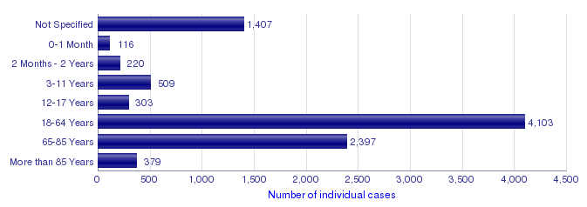
Not Specified | 1,407 | 14.9%
0-1 Month | 116 | 1.2%
2 Months - 2 Years | 220 | 2.3%
3-11 Years | 509 | 5.4%
12-17 Years | 303 | 3.2%
18-64 Years | 4,103 | 43.5%
65-85 Years | 2,397 | 25.4%
More than 85 Years | 379 | 4.0%
Total | 9,434 | 100.0%
Number of individual cases by Sex
Sex | Cases | %
Female | 4,866 | 51.6%
Male | 4,074 | 43.2%
Not Specified | 494 | 5.2%
Total | 9,434 | 100.0%
Number of individual cases by Geographic Origin (EEA/Non-EEA)
Occurrence Country EEA/Non EEA | Cases | %
European Economic Area | 4,991 | 52.9%
Non European Economic Area | 4,440 | 47.1%
Not Specified | 3 | 0.0%
Total | 9,434 | 100.0%
Number of individual cases by Reporter Group
Reporter Group | Cases | %
Healthcare Professional | 7,954 | 84.3%
Non Healthcare Professional | 1,411 | 15.0%
Not Specified | 69 | 0.7%
Total | 9,434 | 100.0%
For the interpretation of the results, please refer to the key considerations at www.adrreports.eu

