Number of Individual Cases
The number of individual cases identified in EudraVigilance for
AGOMELATINE is 3,528 (up to 31/10/2023)
Number of individual cases by Age Group
Age Group | Cases | % | 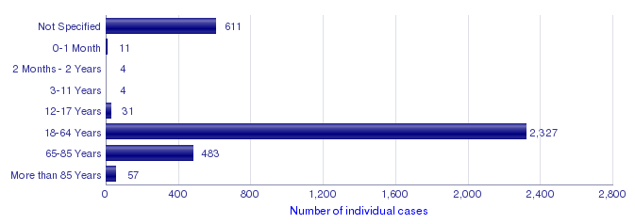
Not Specified | 611 | 17.3%
0-1 Month | 11 | 0.3%
2 Months - 2 Years | 4 | 0.1%
3-11 Years | 4 | 0.1%
12-17 Years | 31 | 0.9%
18-64 Years | 2,327 | 66.0%
65-85 Years | 483 | 13.7%
More than 85 Years | 57 | 1.6%
Total | 3,528 | 100.0%
Number of individual cases by Sex
Sex | Cases | %
Female | 2,245 | 63.6%
Male | 1,095 | 31.0%
Not Specified | 188 | 5.3%
Total | 3,528 | 100.0%
Number of individual cases by Geographic Origin (EEA/Non-EEA)
Occurrence Country EEA/Non EEA | Cases | %
European Economic Area | 2,832 | 80.3%
Non European Economic Area | 696 | 19.7%
Not Specified | 0
Total | 3,528 | 100.0%
Number of individual cases by Reporter Group
Reporter Group | Cases | %
Healthcare Professional | 2,873 | 81.4%
Non Healthcare Professional | 655 | 18.6%
Not Specified | 0
Total | 3,528 | 100.0%
For the interpretation of the results, please refer to the key considerations at www.adrreports.eu

