Number of Individual Cases
The number of individual cases identified in EudraVigilance for
TERIZIDONE is 192 (up to 31/10/2023)
Number of individual cases by Age Group
Age Group | Cases | % | 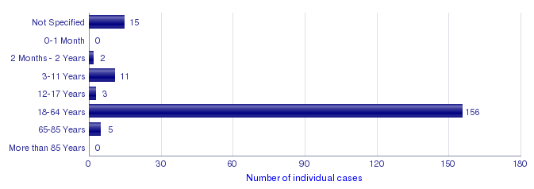
Not Specified | 15 | 7.8%
0-1 Month | 0
2 Months - 2 Years | 2 | 1.0%
3-11 Years | 11 | 5.7%
12-17 Years | 3 | 1.6%
18-64 Years | 156 | 81.3%
65-85 Years | 5 | 2.6%
More than 85 Years | 0
Total | 192 | 100.0%
Number of individual cases by Sex
Sex | Cases | %
Female | 82 | 42.7%
Male | 96 | 50.0%
Not Specified | 14 | 7.3%
Total | 192 | 100.0%
Number of individual cases by Geographic Origin (EEA/Non-EEA)
Occurrence Country EEA/Non EEA | Cases | %
European Economic Area | 28 | 14.6%
Non European Economic Area | 164 | 85.4%
Not Specified | 0
Total | 192 | 100.0%
Number of individual cases by Reporter Group
Reporter Group | Cases | %
Healthcare Professional | 190 | 99.0%
Non Healthcare Professional | 2 | 1.0%
Not Specified | 0
Total | 192 | 100.0%
For the interpretation of the results, please refer to the key considerations at www.adrreports.eu

