Number of Individual Cases
The number of individual cases identified in EudraVigilance for
A/CALIFORNIA/7/2009 (H1N1)V-LIKE VIRUS is 24,089 (up to 31/10/2023)
Number of individual cases by Age Group
Age Group | Cases | % | 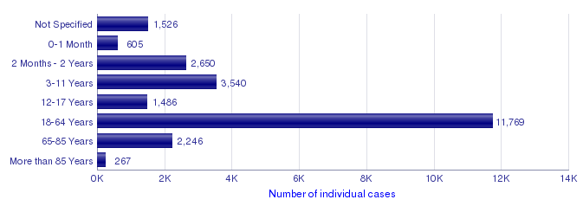
Not Specified | 1,526 | 6.3%
0-1 Month | 605 | 2.5%
2 Months - 2 Years | 2,650 | 11.0%
3-11 Years | 3,540 | 14.7%
12-17 Years | 1,486 | 6.2%
18-64 Years | 11,769 | 48.9%
65-85 Years | 2,246 | 9.3%
More than 85 Years | 267 | 1.1%
Total | 24,089 | 100.0%
Number of individual cases by Sex
Sex | Cases | %
Female | 14,280 | 59.3%
Male | 9,354 | 38.8%
Not Specified | 455 | 1.9%
Total | 24,089 | 100.0%
Number of individual cases by Geographic Origin (EEA/Non-EEA)
Occurrence Country EEA/Non EEA | Cases | %
European Economic Area | 21,661 | 89.9%
Non European Economic Area | 2,425 | 10.1%
Not Specified | 3 | 0.0%
Total | 24,089 | 100.0%
Number of individual cases by Reporter Group
Reporter Group | Cases | %
Healthcare Professional | 15,323 | 63.6%
Non Healthcare Professional | 8,742 | 36.3%
Not Specified | 24 | 0.1%
Total | 24,089 | 100.0%
For the interpretation of the results, please refer to the key considerations at www.adrreports.eu

