Number of Individual Cases
The number of individual cases identified in EudraVigilance for
ALPRAZOLAM is 23,325 (up to 31/10/2023)
Number of individual cases by Age Group
Age Group | Cases | % | 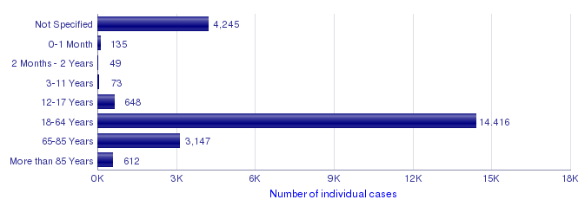
Not Specified | 4,245 | 18.2%
0-1 Month | 135 | 0.6%
2 Months - 2 Years | 49 | 0.2%
3-11 Years | 73 | 0.3%
12-17 Years | 648 | 2.8%
18-64 Years | 14,416 | 61.8%
65-85 Years | 3,147 | 13.5%
More than 85 Years | 612 | 2.6%
Total | 23,325 | 100.0%
Number of individual cases by Sex
Sex | Cases | %
Female | 13,177 | 56.5%
Male | 8,936 | 38.3%
Not Specified | 1,212 | 5.2%
Total | 23,325 | 100.0%
Number of individual cases by Geographic Origin (EEA/Non-EEA)
Occurrence Country EEA/Non EEA | Cases | %
European Economic Area | 9,279 | 39.8%
Non European Economic Area | 14,039 | 60.2%
Not Specified | 7 | 0.0%
Total | 23,325 | 100.0%
Number of individual cases by Reporter Group
Reporter Group | Cases | %
Healthcare Professional | 17,530 | 75.2%
Non Healthcare Professional | 5,721 | 24.5%
Not Specified | 74 | 0.3%
Total | 23,325 | 100.0%
For the interpretation of the results, please refer to the key considerations at www.adrreports.eu

