Quotation
Proforma


 |  |  |  |  |  |  | Date | 2021-10-12
Company Name: DAR AL MESK |  | 96567788887 |  |  |  |  | Proforma # | 201003

S/N | Product Image | Code | Description | CTN Qty | Packing (Set/Pc) | Qty | Price | Amount | MEAS CTN (CBM) | Total MEAS (CBM)
1 |  | 18434 | Incense Burner | 0.66666666667 | 6 | 4 | $41.00 | $164.00 | 0.055 | 0.036666666667
2 | 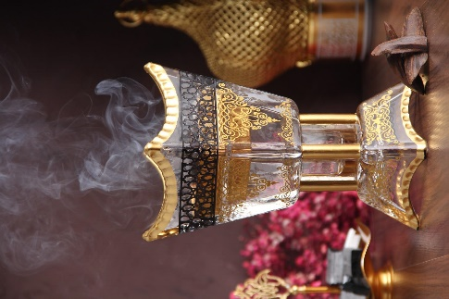 | 18415 | Incense Burner | 0.66666666667 | 6 | 4 | $41.00 | $164.00 | 0.055 | 0.036666666667
3 | 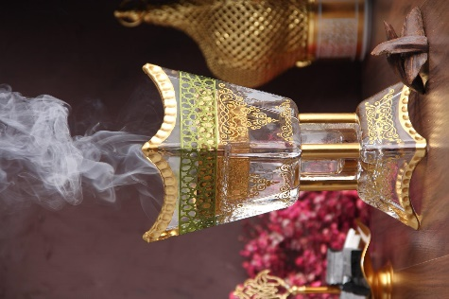 | 18416 | Incense Burner | 0.66666666667 | 6 | 4 | $41.00 | $164.00 | 0.055 | 0.036666666667
4 | 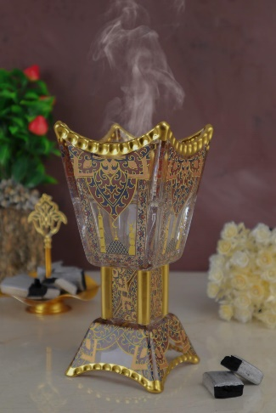 | 18481 | Incense Burner | 0.66666666667 | 6 | 4 | $41.00 | $164.00 | 0.055 | 0.036666666667
5 | 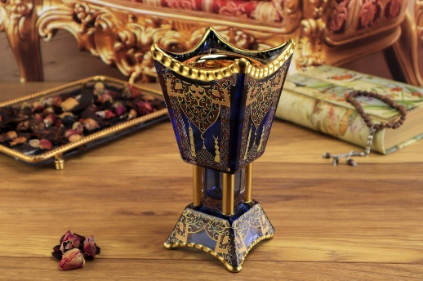 | 18400 | Incense Burner | 0.66666666667 | 6 | 4 | $41.00 | $164.00 | 0.055 | 0.036666666667
6 |  |  | Incense Burner | 0.66666666667 | 6 | 4 | $41.00 | $164.00 | 0.055 | 0.036666666667
7 |  | 17833 | Incense Burner | 0.66666666667 | 6 | 4 | $41.00 | $164.00 | 0.055 | 0.036666666667
8 | 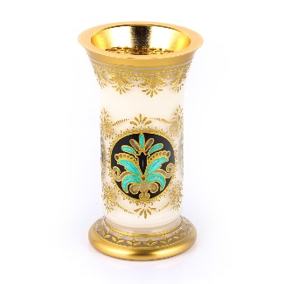 | 18129 | Incense Burner | 0.66666666667 | 6 | 4 | $41.00 | $164.00 | 0.055 | 0.036666666667
9 |  | 17831 | Incense Burner | 0.66666666667 | 6 | 4 | $41.00 | $164.00 | 0.055 | 0.036666666667
10 | 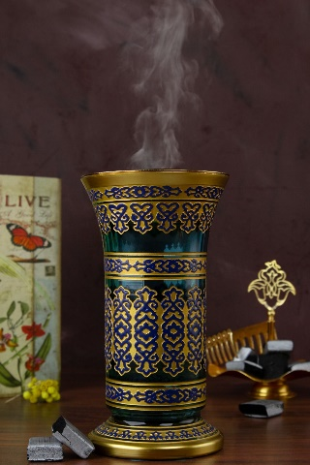 | 18450 | Incense Burner | 0.66666666667 | 6 | 4 | $41.00 | $164.00 | 0.055 | 0.036666666667
11 | 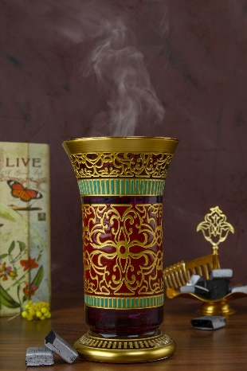 | 18452 | Incense Burner | 0.66666666667 | 6 | 4 | $41.00 | $164.00 | 0.055 | 0.036666666667
12 | 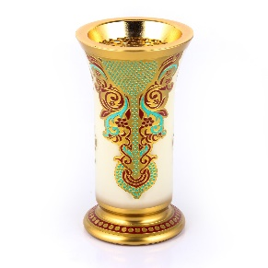 | 18119 | Incense Burner | 0.66666666667 | 6 | 4 | $41.00 | $164.00 | 0.055 | 0.036666666667
13 |  | 17729 | Incense Burner | 0.66666666667 | 6 | 4 | $41.00 | $164.00 | 0.055 | 0.036666666667
14 | 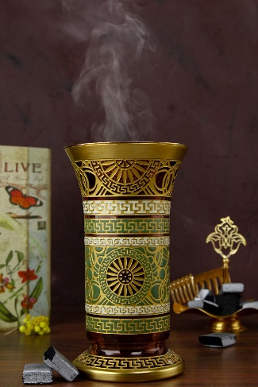 | 18449 | Incense Burner | 0.66666666667 | 6 | 4 | $41.00 | $164.00 | 0.055 | 0.036666666667
15 | 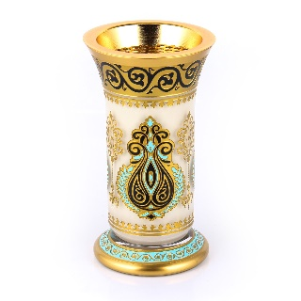 | 18129 | Incense Burner | 0.66666666667 | 6 | 4 | $41.00 | $164.00 | 0.055 | 0.036666666667
 |  |  | FREET FEES |  |  |  |  | $250.00
 |  |  | Subtotal | 10 |  | 60 |  | $2,710.00 |  | 0.55

 |  |  | TOTAL | 10 | CTN | 60 Pcs |  | $2,710.00 | CBM | 0.55
 | Thank you for your business! |  |  |  |  | TOTAL AMOUNT |  | $2,710.00

 | Comments or Special Instructions
 | The goods are Made in Turkey.

 | Bank Details
 | COMPANY NAME : BYBLOS ZUCCACIYE SANA VE DIS TIC LTD STI
 | ADDRES :
 | BANK NAME : TURKİYE İS BANKASI A.S
 | BRANCH : HADIMKOY YOLU - ESENYURT/ISTANBUL
 | SWIFT: ISBKTRIS
 | IBAN USD : TR090006400000212240190786
 | BYBLOS ZÜCCACIYE SAN VE TİC. LTD. ŞTİ

