Overview
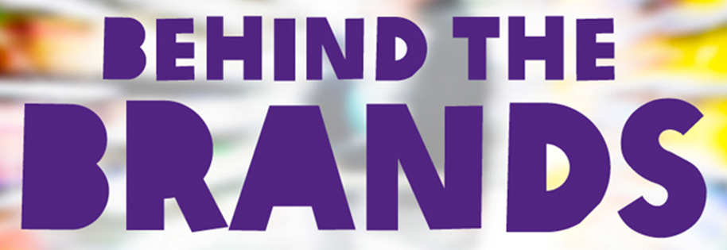
2014-10-09
 | ABF | Coca-Cola | Danone | General Mills | Kellogg | Mars | Mondelez | Nestle | PepsiCo | Unilever
WORKERS | 3 | 7 | 3 | 3 | 1 | 4 | 3 | 7 | 3 | 8
GENDER | 2 | 6 | 1 | 2 | 3 | 4 | 5 | 5 | 2 | 6
CLIMATE CHANGE | 4 | 7 | 5 | 5 | 6 | 4 | 3 | 9 | 6 | 7
WATER | 2 | 6 | 5 | 4 | 5 | 2 | 3 | 7 | 5 | 6
LAND | 3 | 8 | 1 | 2 | 2 | 1 | 3 | 7 | 7 | 7
FARMERS | 4 | 2 | 2 | 2 | 2 | 4 | 4 | 7 | 3 | 8

TRANSPARENCY | 3 | 5 | 5 | 3 | 3 | 3 | 3 | 7 | 5 | 7

Total (out of 70) | 21 | 41 | 22 | 21 | 22 | 22 | 24 | 49 | 31 | 49
Total (out of 10) | 3 | 6 | 3 | 3 | 3 | 3 | 3 | 7 | 4 | 7
Overall Percentage Score | 30% | 59% | 31% | 30% | 31% | 31% | 34% | 70% | 44% | 70%
Rank | 9 | 3 | 6 | 9 | 6 | 6 | 5 | 1 | 4 | 1

