ISO
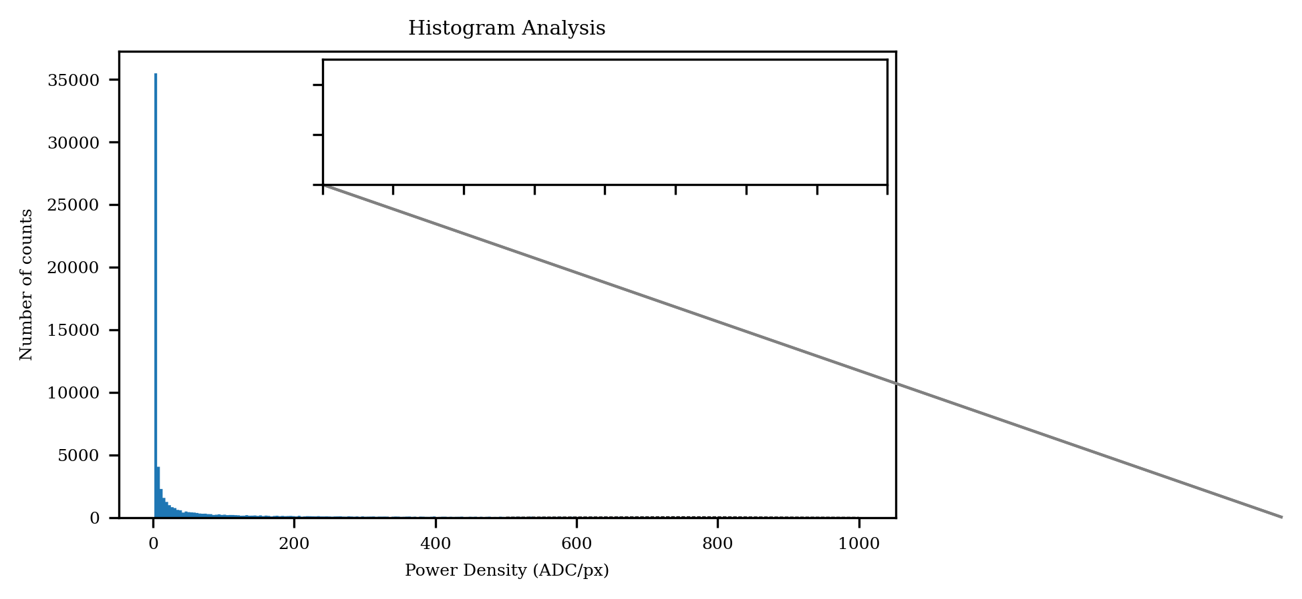
Item | Value | Unit | Remark
Beam power
Total power | 5,309,116.00 | ADC | Independent of the clip-level
Clip-level power | 1,058,333.00 | ADC | Clip-level: 80.0%

Beam power density
Maximum power density | 1,000.00 | ADC | Independent of the clip-level
Clip-level power density | 800.00 | ADC | Clip-level: 80.0%
Clip-level average power density | 898.42 | ADC | Clip-level: 80.0%

Beam position
Beam centroid x-axis | 17.55 | mm | Independent of the clip-level
Beam centroid y-axis | 17.55 | mm | Independent of the clip-level

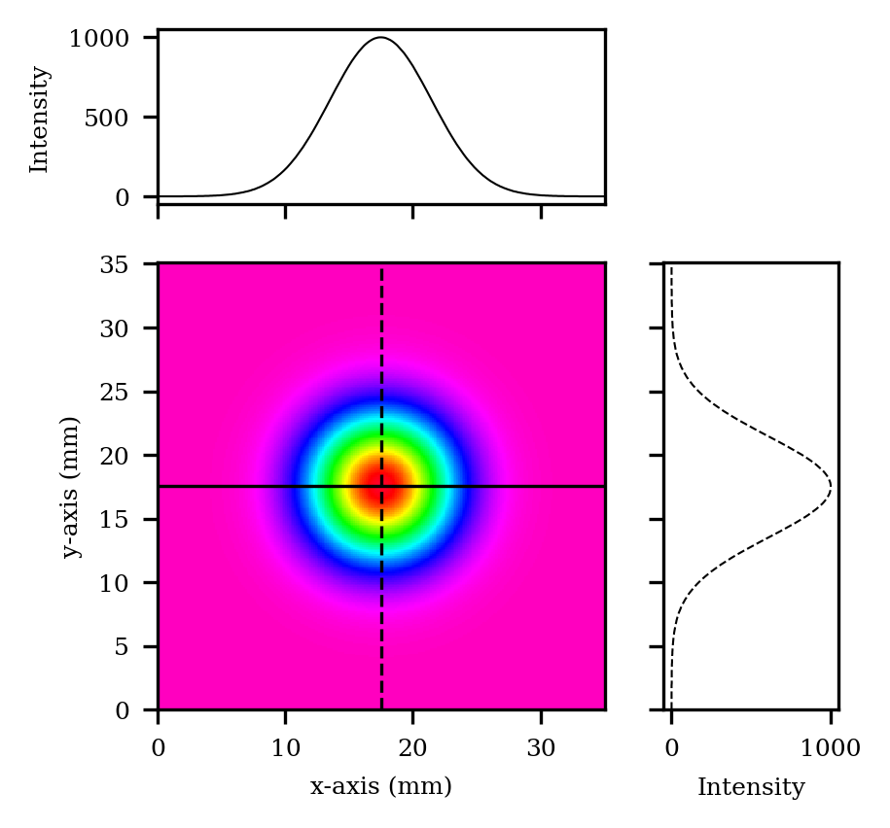
Effective beam size
Beam width x-axis | 15.92 | mm | Independent of the clip-level
Beam width y-axis | 15.92 | mm | Independent of the clip-level
Clip-level irradiation area | 8,532.00 | mm | Clip-level: 20.0%
Clip-level irradiation area | 1,178.00 | mm | Clip-level: 80.0%

Beam shape
Beam aspect ratio | 1.00 | N/A | Independent of the clip-level. Equals 1 for a perfect square
Fractional power | 0.20 | N/A | Clip-level: 80.0%.
Flatness factor | 0.90 | N/A | Clip-level: 80.0%. Equals 1 for a perfect flat top
Beam uniformity | 0.06 | N/A | Clip-level: 80.0%. Equals 0 for a perfect flat top with vertical edges
Plateau uniformity | 0.34 | N/A | Clip-level: 80.0%. Equals 0 for a perfect flat top
Edge steepness | 0.86 | N/A | Clip-level: 80.0%. Equals 0 for a perfect vertical edge

non ISO
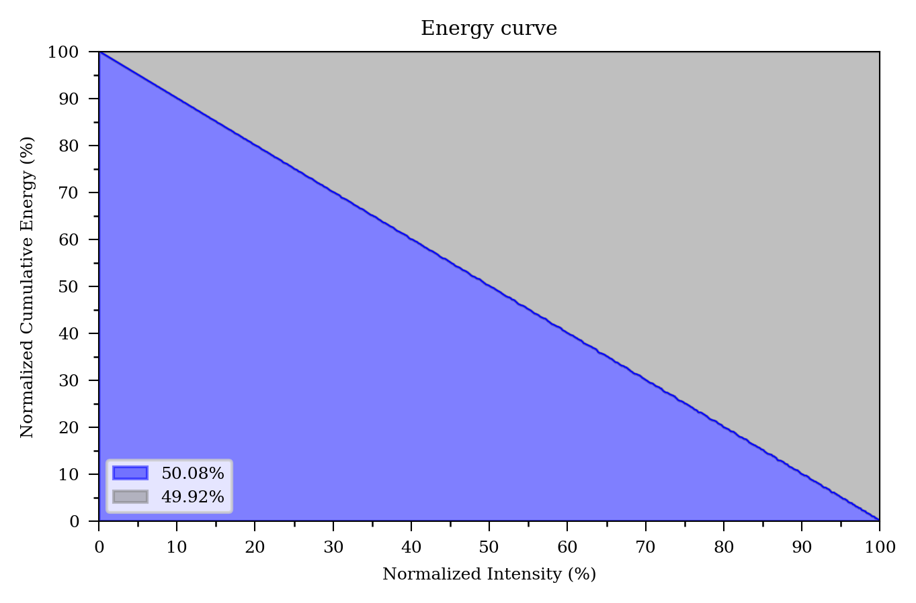
Item | Value | Unit | Remark
Effective beam size
Clip-level beam width x-axis | 4.88 | mm | Clip-level: 80.0%
Clip-level beam width y-axis | 4.88 | mm | Clip-level: 80.0%
Clip-level edge width x-axis | 4.84 | mm | Clip-level: 20.0% and 80.0%
Clip-level edge width y-axis | 4.84 | mm | Clip-level: 20.0% and 80.0%

Beam shape
Plateau uniformity | 0.47 | N/A | Clip-level: 80.0%. Equals 0 for a perfect flat top
Top-hat factor | 0.50 | N/A | Independent of the clip-level. Equals 1 for a perfect square

