ITE_TL
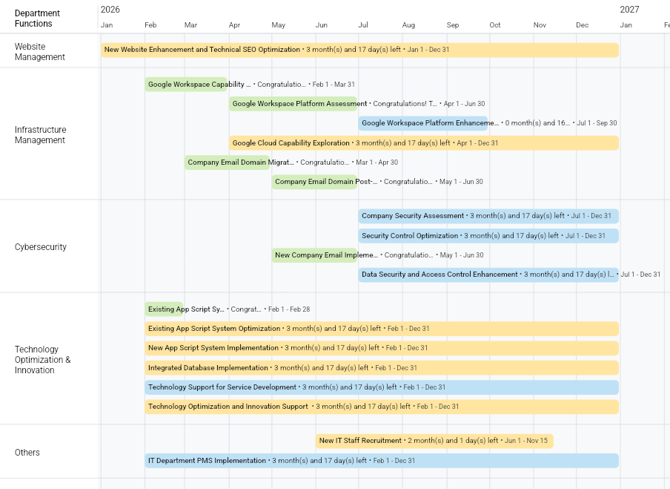

Drop Down
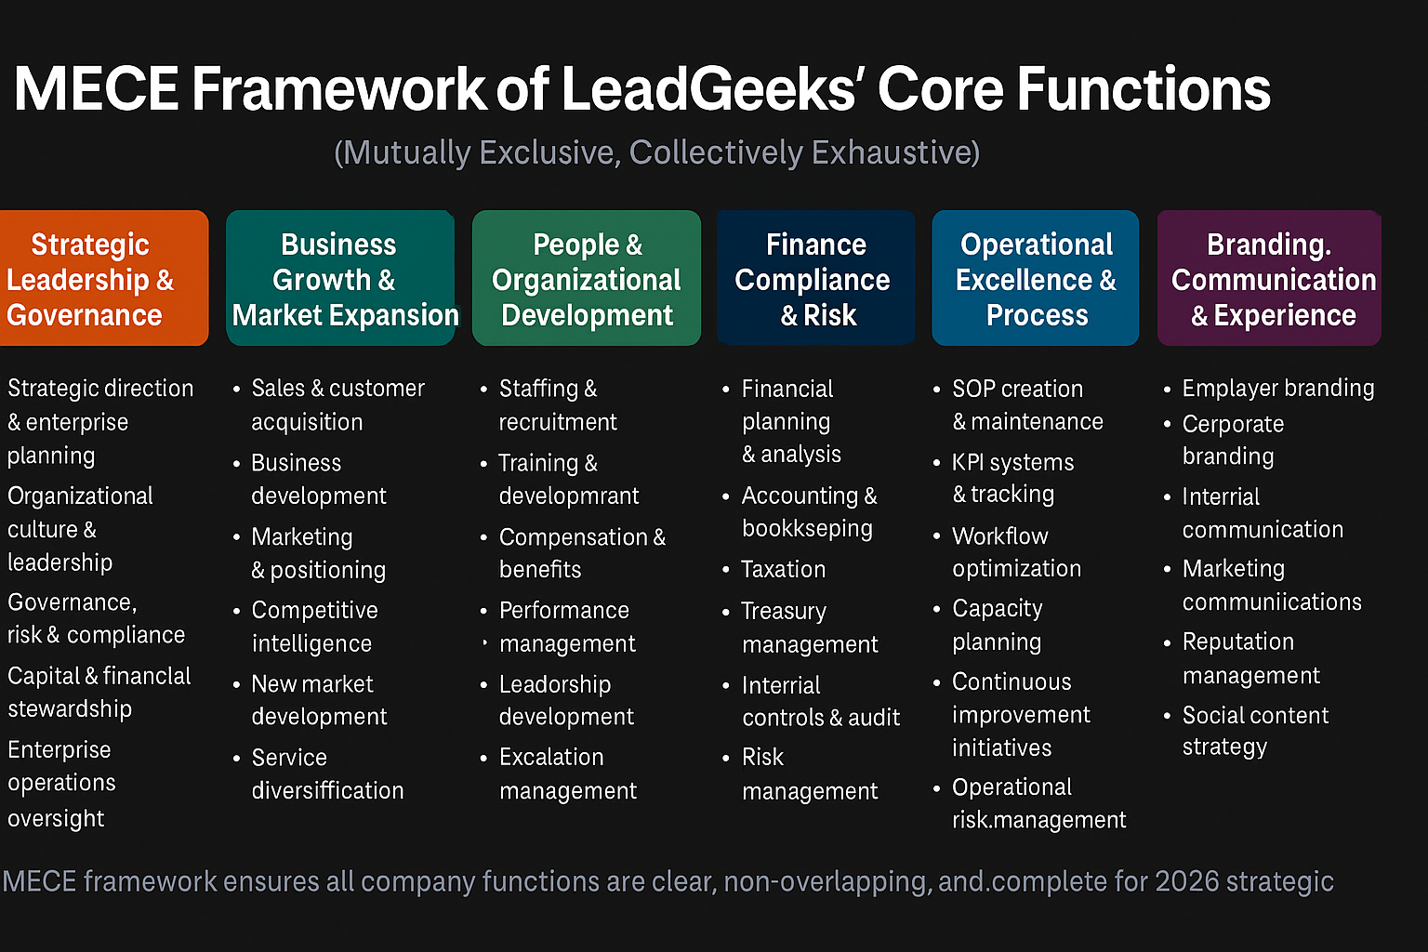
Status | Completion Status | Company Priority | Company Focus | Departments | Department Code | Goals Type | Collaboration | Type | Period | Accomplishment Status | Periodic Adjustment | Department Functions (MNG) | Dept Functions (FAC)
Not started | Complete | Company Profitability | Company Profitability - Customer Retention | Management Office | MNG | Breakthrough | No | Program | Annual | Not Started | No Adjustment | 1. Strategic Direction and Enterprise Planning | 1. Financial Management (Finance)
In Progress | Incomplete | Company Profitability | Company Profitability - Business Development | Operations | OPS | Improvement | Yes | Event | Periodic | Ongoing | Total: Deletion | 2. Advancement and Change Governance | 2. Financial Accounting (Accounting)
Completed |  | Company Profitability | Company Profitability - Customer Acquisition | Growth | GRW | Routine |  | Training (Internal) | Occasional | Overdue | Partial: Specific | 3. Financial Stewardship and Capital Strategy | 3. Management Accounting (Controlling)
Postponed |  | Company Profitability | Company Profitability - Strong Financial and Risk Management | Experience | EXP |  |  | Training (Cross-Departmental) |  | Completed: Early | Partial: Measurable | 4. Executive Leadership and Organizational Culture | 4. Tax Management (Compliance & Strategy)
Cancelled |  | Company Establishment | Company Establishment - Talent & Culture | Human Resources and Development | HRD |  |  |  |  | Completed: On Time | Partial: Attainable | 5. Governance, Risk, and Compliance Oversight | 5. Systems & Policy Management
 |  | Company Establishment | Company Establishment - Technology Innovation | Finance and Accounting | FAC |  |  |  |  | Completed: Late | Partial: Relevant | 6. Enterprise Operations Oversight
 |  | Company Establishment | Company Establishment - Organizational Structure | Information and Technology | ITE |  |  |  |  |  | Partial: Time-Bound | 7. Market Leadership and Customer Focus
 |  | Company Establishment | Company Establishment - Branding, Communication & Experience | Fulfillment by Amazon | FBA |  |  |  |  |  | Total: Addition | 8. Stakeholder and Ecosystem Engagement
 |  |  |  |  |  |  |  |  |  |  | Budget Adjustment

