Screenshots from others for ref
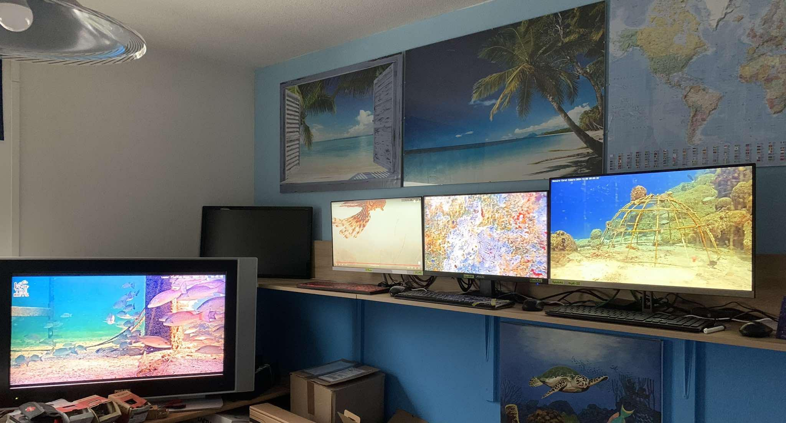
CamOp Command centre:-
 |  |  | Roy CamOps Command Centre
 |  |  | the 3 to the right are Monitors with PC built in. the two on the left are 2nd Monitors from main PC and LH PC
 |  |  | when on main PC (off view to the left) I have all the cams on seperate tabs, when I need to rest eyes I simply swivel round and watch all the monitors above

rows 7-9 Editor access only | Editors, unhide to read and reply, then hide again when finished |  | 9th Feb presets pic added

Zebratail Blenny? (Hypleurochilus caudovittatu)
Okaloosa cam, April 8th 2026 | https://biogeodb.stri.si.edu/caribbean/en/thefishes/species/4068
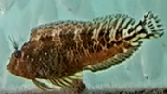
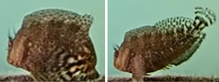

Gulf Menhaden (Brevoortia patronus)
Okaloosa, April 6th 2026 (common) | https://biogeodb.stri.si.edu/caribbean/en/thefishes/species/2914

Susie, I think my initial guess of baby Tarpon for that fish on the Pompano pier cam on 1/5 was correct@ |  |  |  | https://biogeodb.stri.si.edu/caribbean/en/gallery/specie/2522

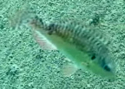
Greenblotch Parrotfish? | ✅
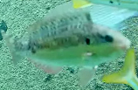
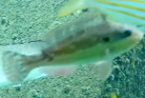
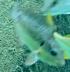

 |  |  |  | First time seeing this one for me
 |  |  |  | Saw it 12/18/24. It immediately caught my eye as it was so atypical looking

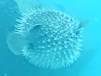
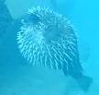
Porcupinefish | ✅
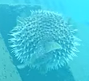

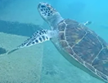
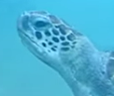
Green Sea Turtle | ✅

 |  | thanks

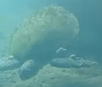
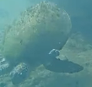
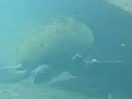
Loggerhead Turtle - fuzzy water conditions so no closeup of head shape
 |  | ✅

 |  |  | the thick neck/head is a good indicator

Burrowing (?) Brittle Star | I thought so too

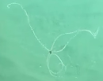
 |  | is that the one I TSed a couple of days ago?
 |  | Yeah. It's not visible in the screenshot but the arms were banded
 |  | Yes. I saw the bands too when doing frame by frame view


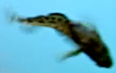
Oyster Blenny | ✅
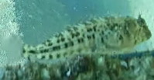

 |  |  |  | yes, looks just like the one on JPK

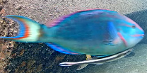
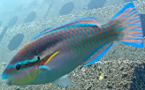
Parrotfish (for ID confirmation) |  | ✅
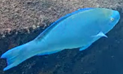
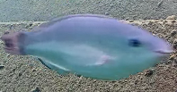
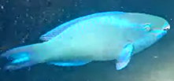
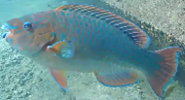
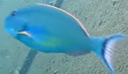
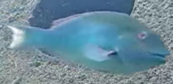

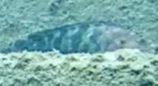
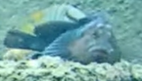
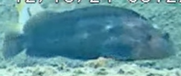
Hairy Blenny | ✅
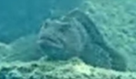
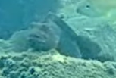
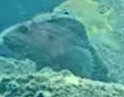
 |  |  |  |  |  | we have a resident one on Juno Pier, we call him *Hamish*
 |  |  |  |  |  | looking forward to watching that cam
 |  |  |  |  |  | we've had Manta Ray, Mating Turtles & Hammerhead Shark as highlights so far

Here's the male Hairy Blenny at Juno pier yesterday morning....... |  | wow! looking forward to that cam going public, do you have an eta on when? |  |  | latest Proposed date for going public on 20th March
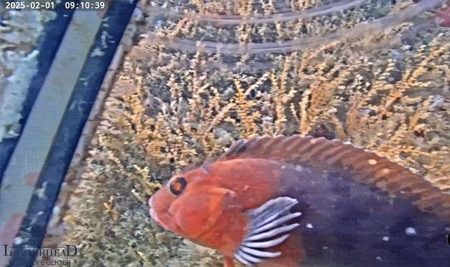
 |  | He got stood up yesterday, but today the female (Haggis) was around 🥰

 |  | and CLICK HERE for one of the 3 clips (with romantic music added) from Hairy Blenny Spawning on Friday 7th Feb

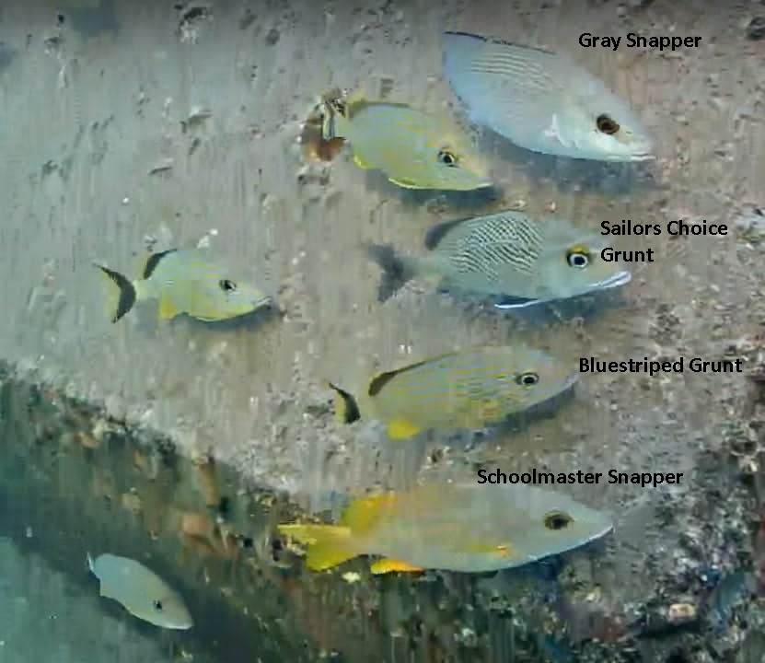
Silvery fish cheat sheet.....

unknown Black fish with big pectoral fins & long dorsalfin see video clip --->> | view here | ✅ | ID'd as Hairy Blenny

did you see the Mullet running ? | View here .... | Striped Mullet | ✅

Finn, how confident were you with Spanish Grunt (Species #64 on 20th Dec 2024) ?

