Replication 1
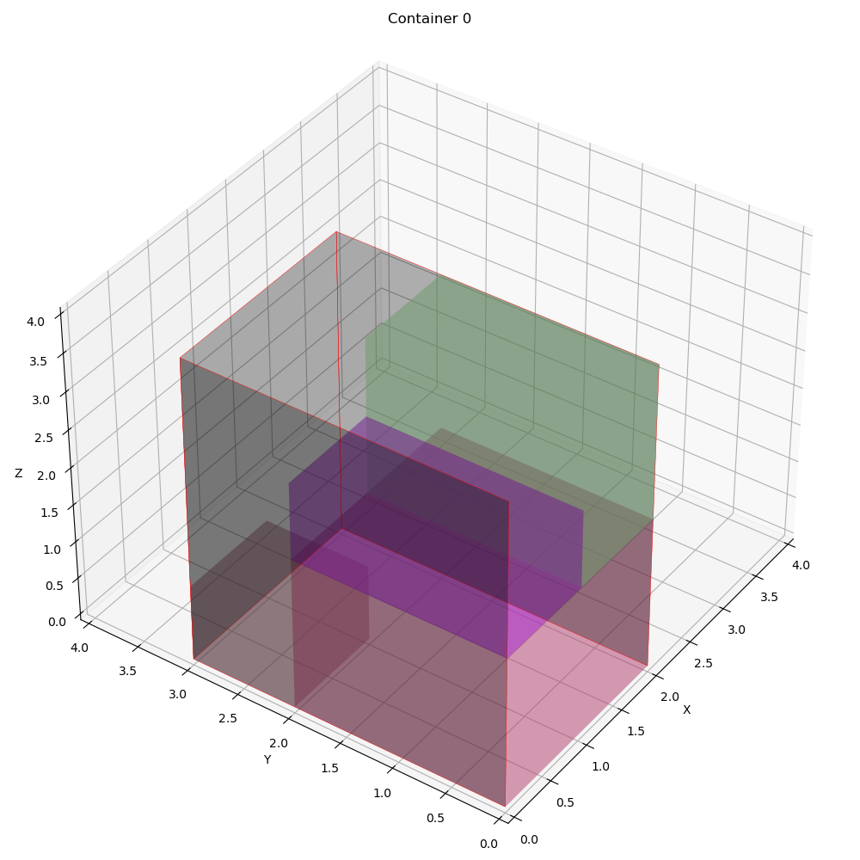
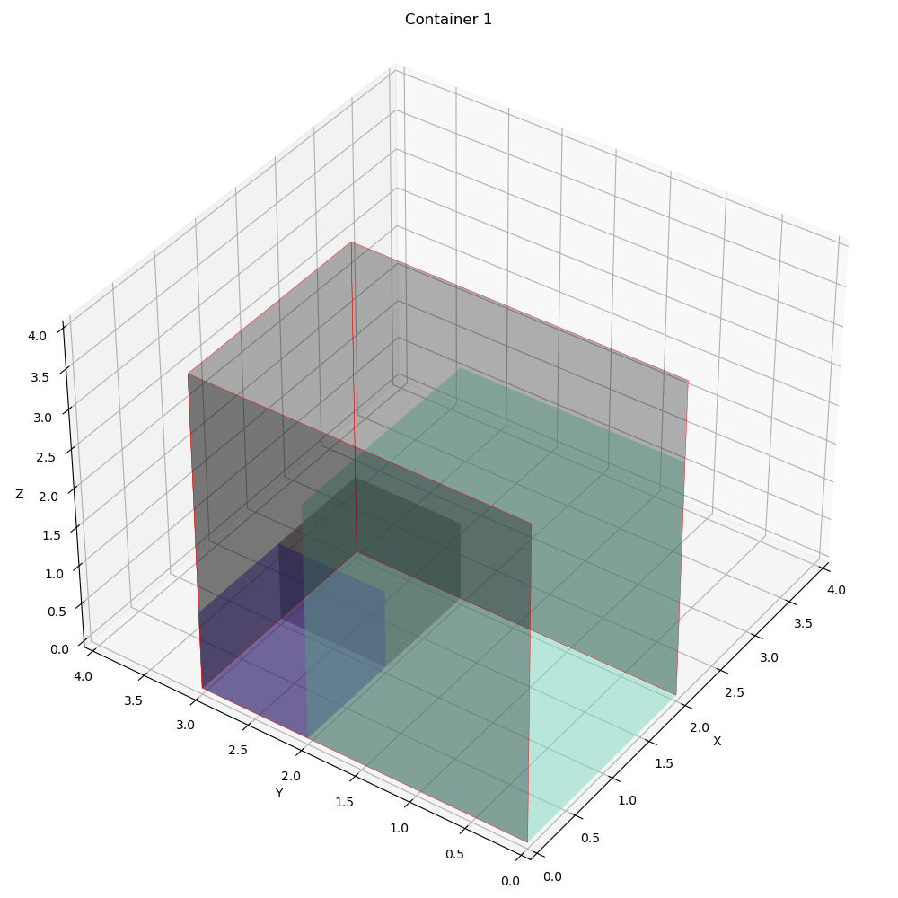
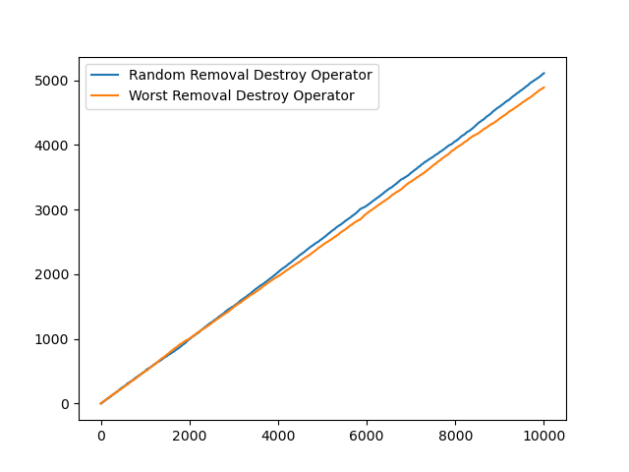
 | Overall Utility | Utility Per Container | Total Item Packed | Best Fitness | Best iteration | Computational time | Best Solution | Random removal | Worst removal | Random reapair | Greedy insertion | Container info | Revenue | Expenses | Profit | Vol packed | COG
0 | 0.60416666667 | [0.58333333 0.625 0. ] | 7 | -0.064005993812 | 20 | 2.573287487 | [[0 0 1 1 1 0 0] [1 1 0 0 0 1 1] [0 0 0 0 0 0 0]] | 5368 | 4632 | 4973 | 5027 | [{'container_index': 0, 'details': "Total volume packed: 14.0 (1.0)\nProfit: -46.467929843806985\nRevenue: 453.532070156193\nExpense: 500.0\nNumber of container type 0 used: 1\nContainer index 0 utilization: 0.5833333333333334\nCenter of gravity: [1. 1.04545455]\nItems' position in container index 0\nItem x y z\n0 0.0 0.0 0.0\n1 0.0 2.0 0.0\n2 1.0 2.0 0.0\nItem's rotation in container index 0\nItem lx ly lz wx wy wz hx hy hz\n2 0 1 0 0 0 1 1 0 0\n3 1 0 0 0 1 0 0 0 1\n4 1 0 0 0 1 0 0 0 1\n\n"}, {'container_index': 1, 'details': "Total volume packed: 15.0 (1.0)\nProfit: -14.072781975507496\nRevenue: 485.9272180244925\nExpense: 500.0\nNumber of container type 0 used: 1\nContainer index 0 utilization: 0.625\nCenter of gravity: [0.62868168 1.02799217]\nItems' position in container index 0\nItem x y z\n0 0.0 0.0 2.0\n1 0.0 0.0 0.0\n2 1.0 0.0 2.0\n3 0.0 2.0 0.0\nItem's rotation in container index 0\nItem lx ly lz wx wy wz hx hy hz\n0 0 1 0 1 0 0 0 0 1\n1 1 0 0 0 1 0 0 0 1\n5 1 0 0 0 1 0 0 0 1\n6 1 0 0 0 1 0 0 0 1\n\n"}, {'container_index': 2, 'details': 'Total volume packed: 0.0\nProfit: 0.0\nRevenue: 0.0\nExpense: 0.0\n\n'}] | 939.45928818 | 1000 | -60.540711819 | [14.0, 15.0, 0.0] | [[1.0, 1.04545455], [0.62868168, 1.02799217], [0, 0]]

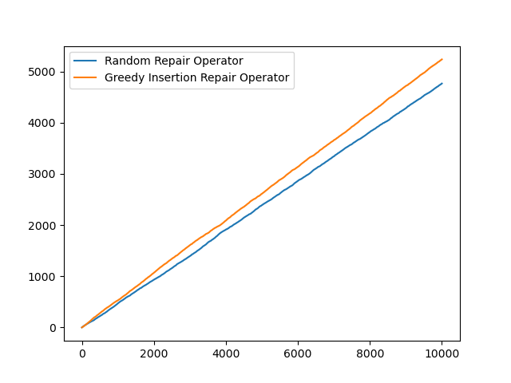

 | Item | Container | X | Y | Z | Length | Width | Height | ContainerLength | ContainerWidth | ContainerHeight
0 | 2 | 0 | 0 | 0 | 0 | 2 | 2 | 3 | 2 | 3 | 4
1 | 3 | 0 | 0 | 2 | 0 | 1 | 1 | 1 | 2 | 3 | 4
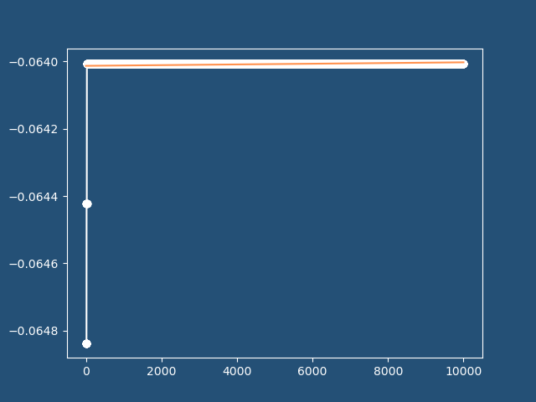
2 | 4 | 0 | 1 | 2 | 0 | 1 | 1 | 1 | 2 | 3 | 4
3 | 0 | 1 | 0 | 0 | 2 | 1 | 2 | 1 | 2 | 3 | 4
4 | 1 | 1 | 0 | 0 | 0 | 2 | 2 | 2 | 2 | 3 | 4
5 | 5 | 1 | 1 | 0 | 2 | 1 | 2 | 2 | 2 | 3 | 4
6 | 6 | 1 | 0 | 2 | 0 | 1 | 1 | 1 | 2 | 3 | 4

Replication 2
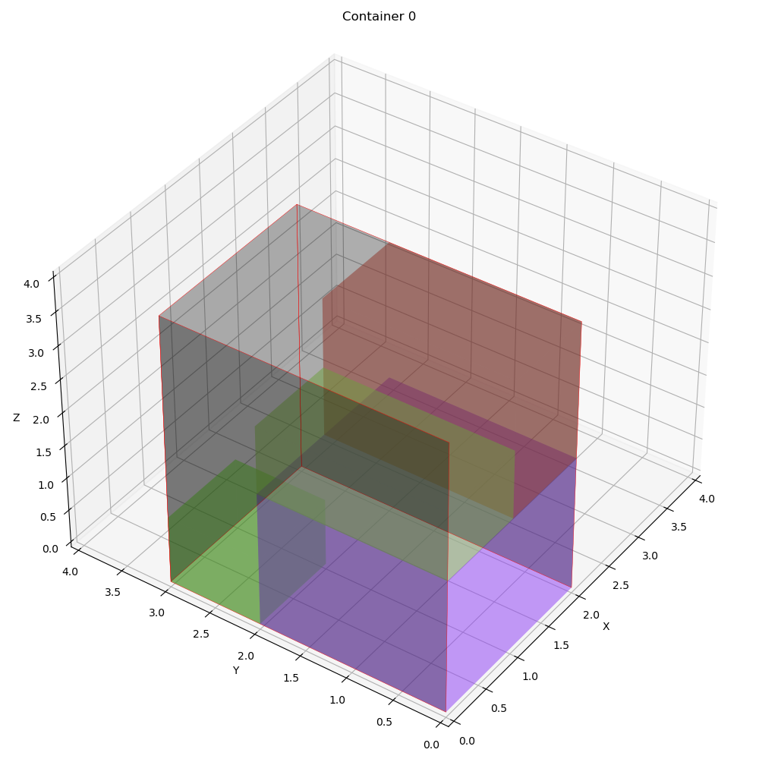
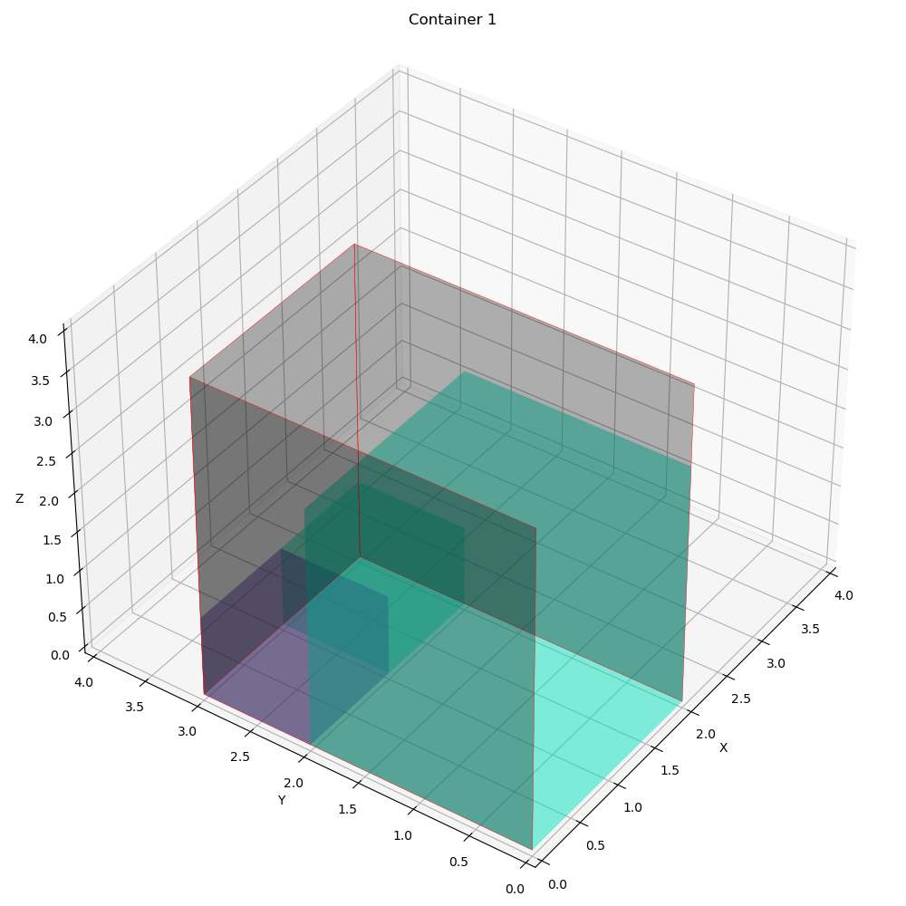
 | Overall Utility | Utility Per Container | Total Item Packed | Best Fitness | Best iteration | Computational time | Best Solution | Random removal | Worst removal | Random reapair | Greedy insertion | Container info | Revenue | Expenses | Profit | Vol packed | COG
0 | 0.60416666667 | [0.625 0.58333333 0. ] | 7 | -0.064005993812 | 26 | 2.5391421318 | [[1 1 0 0 0 1 1] [0 0 1 1 1 0 0] [0 0 0 0 0 0 0]] | 5110 | 4890 | 4764 | 5236 | [{'container_index': 0, 'details': "Total volume packed: 15.0 (1.0)\nProfit: -14.072781975507496\nRevenue: 485.9272180244925\nExpense: 500.0\nNumber of container type 0 used: 1\nContainer index 0 utilization: 0.625\nCenter of gravity: [0.62868168 1.02799217]\nItems' position in container index 0\nItem x y z\n0 0.0 0.0 2.0\n1 0.0 0.0 0.0\n2 1.0 0.0 2.0\n3 0.0 2.0 0.0\nItem's rotation in container index 0\nItem lx ly lz wx wy wz hx hy hz\n0 0 1 0 1 0 0 0 0 1\n1 1 0 0 0 1 0 0 0 1\n5 1 0 0 0 1 0 0 0 1\n6 1 0 0 0 1 0 0 0 1\n\n"}, {'container_index': 1, 'details': "Total volume packed: 14.0 (1.0)\nProfit: -46.467929843806985\nRevenue: 453.532070156193\nExpense: 500.0\nNumber of container type 0 used: 1\nContainer index 0 utilization: 0.5833333333333334\nCenter of gravity: [1. 1.04545455]\nItems' position in container index 0\nItem x y z\n0 0.0 0.0 0.0\n1 0.0 2.0 0.0\n2 1.0 2.0 0.0\nItem's rotation in container index 0\nItem lx ly lz wx wy wz hx hy hz\n2 0 1 0 0 0 1 1 0 0\n3 1 0 0 0 1 0 0 0 1\n4 1 0 0 0 1 0 0 0 1\n\n"}, {'container_index': 2, 'details': 'Total volume packed: 0.0\nProfit: 0.0\nRevenue: 0.0\nExpense: 0.0\n\n'}] | 939.45928818 | 1000 | -60.540711819 | [15.0, 14.0, 0.0] | [[0.62868168, 1.02799217], [1.0, 1.04545455], [0, 0]]

 | Item | Container | X | Y | Z | Length | Width | Height | ContainerLength | ContainerWidth | ContainerHeight
0 | 0 | 0 | 0 | 0 | 2 | 1 | 2 | 1 | 2 | 3 | 4
1 | 1 | 0 | 0 | 0 | 0 | 2 | 2 | 2 | 2 | 3 | 4
2 | 5 | 0 | 1 | 0 | 2 | 1 | 2 | 2 | 2 | 3 | 4
3 | 6 | 0 | 0 | 2 | 0 | 1 | 1 | 1 | 2 | 3 | 4
4 | 2 | 1 | 0 | 0 | 0 | 2 | 2 | 3 | 2 | 3 | 4
5 | 3 | 1 | 0 | 2 | 0 | 1 | 1 | 1 | 2 | 3 | 4
6 | 4 | 1 | 1 | 2 | 0 | 1 | 1 | 1 | 2 | 3 | 4

