Replication 1
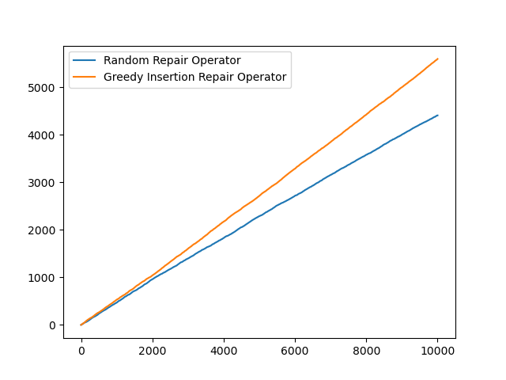
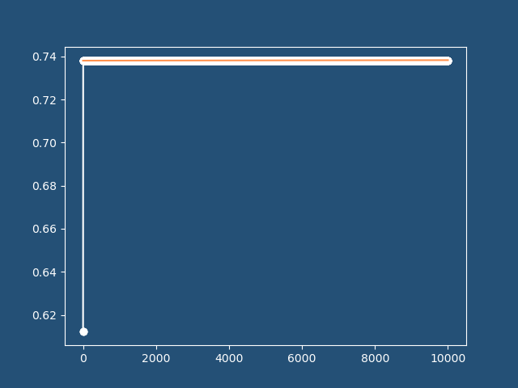
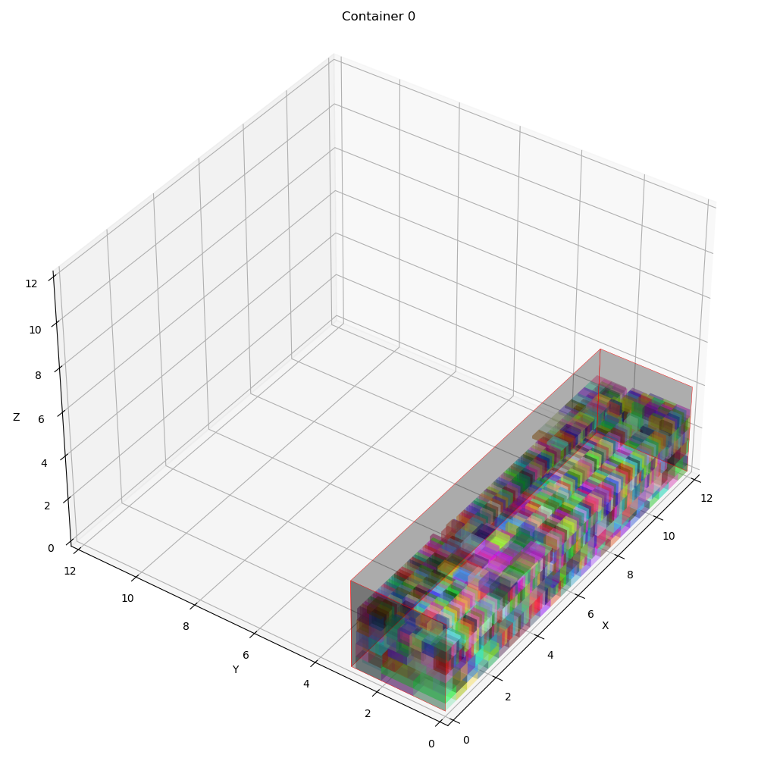
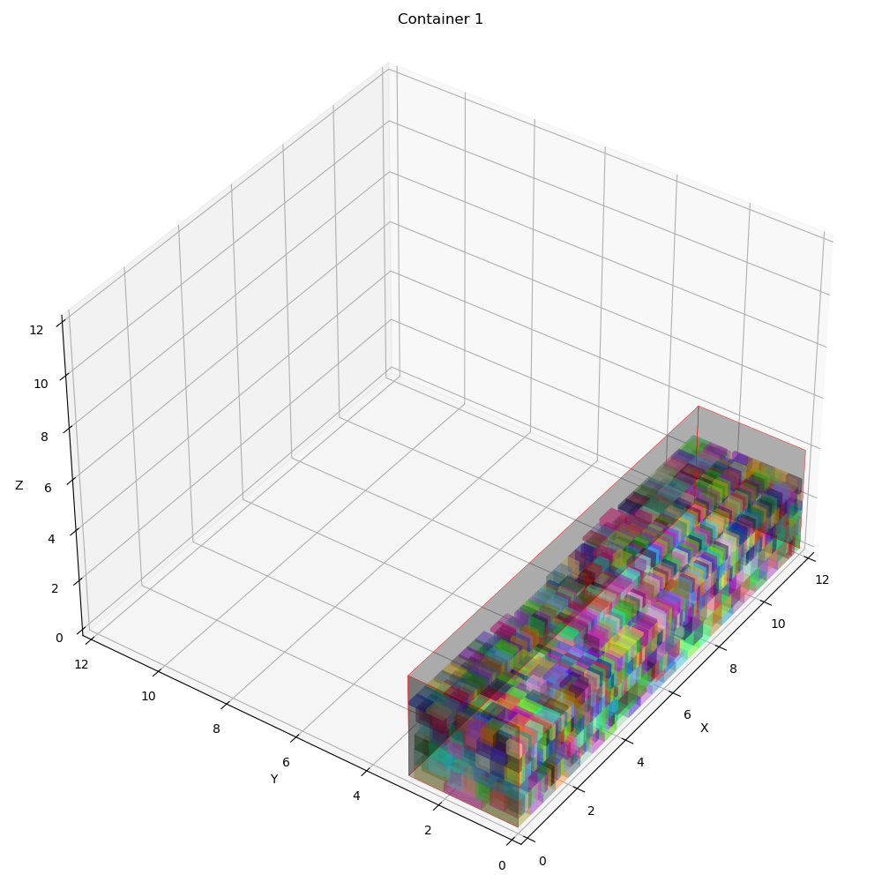
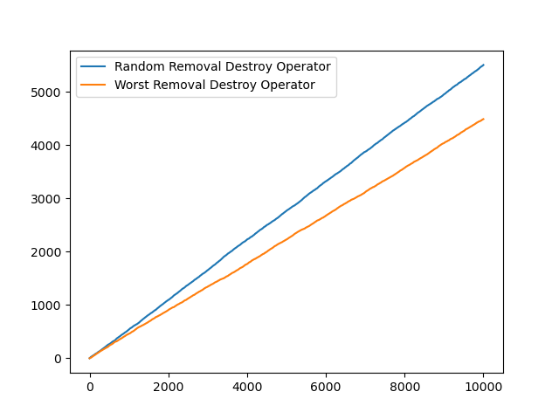
 | Overall Utility | Utility Per Container | Total Item Packed | Best Fitness | Best iteration | Computational time | Best Solution | Random removal | Worst removal | Random reapair | Greedy insertion | Container info | Revenue | Expenses | Profit | Vol packed | COG
0 | 0.63100918056 | [0.63101246 0.6310059 0. ] | 5057 | 0.7382039844 | 4302 | 1948.430321 | [[1 1 0 0 0 1 0 1 1 0 1 0 1 1 0 0 0 1 1 0 0 0 1 1 1 0 0 0 0 1 0 1 1 0 1 1 1 0 1 1 0 0 1 0 1 1 1 1 0 0 1 1 0 1 0 0 0 0 1 1 1 0 1 1 1 1 1 0 0 0 0 0 0 1 1 0 1 1 0 0 1 0 1 1 1 0 1 0 0 1 0 1 0 1 1 1 0 1 0 0 1 1 0 1 0 1 1 1 0 0 0 0 0 0 1 1 1 0 0 0 1 1 1 1 0 0 1 0 1 0 0 1 1 1 1 0 1 1 0 1 0 0 1 0 1 1 0 1 1 0 1 1 1 1 1 0 0 1 0 0 0 1 0 0 1 0 1 0 0 0 0 1 1 1 0 0 1 1 0 0 0 1 1 0 0 0 1 0 1 0 0 1 0 1 0 1 1 0 0 1 1 1 1 0 0 0 0 0 0 1 0 1 0 1 1 1 0 1 1 0 1 1 0 0 0 1 1 1 0 1 0 0 1 0 1 1 1 0 0 0 1 1 0 0 0 1 1 1 1 1 0 0 0 0 1 1 1 1 1 0 0 1 1 0 0 0 1 0 1 1 0 1 1 1 0 0 1 0 0 0 0 0 0 1 1 0 1 1 0 0 0 0 0 0 0 1 0 1 0 0 0 0 0 1 0 0 0 0 0 0 1 0 0 1 1 0 1 0 1 0 0 1 1 0 0 0 1 1 0 1 1 0 0 0 1 1 0 0 1 0 0 0 1 1 1 1 0 0 1 1 0 1 1 1 1 0 1 1 1 1 1 1 0 0 1 0 0 0 1 0 0 1 1 1 0 0 1 0 1 1 0 0 1 0 0 1 0 0 1 0 0 0 1 1 1 0 0 0 1 1 0 0 0 1 1 0 1 0 0 0 0 0 1 0 0 1 0 0 0 1 0 0 0 0 0 0 1 1 1 0 1 0 0 1 1 1 0 0 0 0 0 1 1 0 1 1 1 1 1 0 0 1 1 0 0 1 1 1 1 0 1 1 1 0 1 1 0 1 0 1 0 1 0 1 1 0 0 0 0 1 1 1 1 0 1 0 0 1 0 1 1 1 0 0 1 1 0 1 1 0 1 0 0 0 0 1 1 0 0 0 1 0 1 0 1 1 1 0 1 0 1 0 0 1 1 0 1 0 1 0 1 0 0 0 0 0 1 0 1 0 0 1 0 1 1 0 1 0 0 0 1 1 0 1 0 0 1 1 1 1 0 0 0 1 1 1 0 0 0 1 1 1 1 1 0 0 0 1 1 0 1 0 1 1 1 1 1 0 1 1 0 0 1 1 0 0 1 1 0 0 0 1 1 0 0 0 1 0 1 1 1 1 0 0 1 1 0 0 1 1 0 0 1 1 1 0 0 0 1 0 1 0 0 1 0 0 1 0 0 1 0 0 0 0 0 1 0 0 0 1 0 1 0 1 0 1 1 0 1 0 1 1 0 1 1 0 0 0 1 0 0 0 0 0 1 1 1 0 0 1 0 0 0 0 1 1 0 0 0 0 1 1 1 1 1 1 0 1 1 1 0 1 1 1 1 0 0 1 0 1 1 0 0 0 1 0 0 1 1 0 0 0 1 0 0 1 0 0 0 1 1 0 0 0 1 1 0 0 1 1 1 0 1 1 0 0 1 1 0 0 1 0 0 0 1 0 1 0 0 1 0 0 1 1 1 1 1 0 0 0 0 1 1 1 1 0 1 0 0 1 1 0 1 0 1 0 0 0 1 0 0 0 0 0 0 1 1 1 0 0 1 1 1 1 0 0 0 0 1 0 1 1 1 0 0 0 1 1 0 1 1 1 0 1 0 0 0 0 0 1 1 0 1 1 0 0 0 1 0 1 1 0 0 0 1 1 0 0 0 0 0 1 0 0 0 1 0 0 1 0 1 0 1 1 1 0 0 1 1 1 0 1 1 1 1 0 1 1 0 0 0 1 1 1 1 1 0 0 0 1 1 0 1 0 1 1 0 0 1 1 1 0 1 0 1 1 0 0 0 1 1 1 0 0 1 0 0 1 1 0 1 1 1 1 1 0 1 1 1 0 0 1 1 1 0 1 0 0 1 1 0 0 0 0 0 1 0 1 1 0 0 1 0 1 0 0 1 1 1 0 1 0 0 1 0 1 1 1 0 1 0 1 | 5610 | 4390 | 4310 | 5690 | [{'container_index': 0, 'details': "Total volume packed: 90.865794 (1.0)\nProfit: 1467.4536802127914\nRevenue: 1967.4536802127914\nExpense: 500.0\nNumber of container type 0 used: 1\nContainer index 0 utilization: 0.6310124583333545\nCenter of gravity: [5.88413723 1.42125997]\nItems' position in container index 0\nItem x y z\n0 6.8500000000000005 2.04 1.29\n1 11.500000000000005 2.04 1.29\n2 11.190000000000005 2.04 1.29\n3 10.880000000000004 2.04 1.29\n4 10.570000000000004 2.04 1.29\n5 10.260000000000003 2.04 1.29\n6 9.950000000000003 2.04 1.29\n7 0.0 0.0 1.2999999999999998\n8 9.330000000000002 2.04 1.29\n9 9.020000000000001 2.04 1.29\n10 9.640000000000002 2.04 1.29\n11 8.71 2.04 1.29\n12 8.4 2.04 1.29\n13 8.09 2.04 1.29\n14 7.16 2.04 1.29\n15 7.779999999999999 2.04 1.29\n16 7.47 2.04 1.29\n17 10.239999999999998 0.39 1.5499999999999998\n18 10.569999999999999 0.39 1.5499999999999998\n19 10.899999999999999 0.39 1.5499999999999998\n20 11.229999999999999 0.39 1.5499999999999998\n21 8.509999999999996 0.39 1.7599999999999998\n22 8.839999999999996 0.39 1.7599999999999998\n23 6.349999999999996 1.69 0.57\n24 11.559999999999999 0.39 1.5499999999999998\n25 9.579999999999998 0.39 1.5499999999999998\n26 8.029999999999996 0.38 1.77\n27 7.009999999999996 1.69 0.57\n28 11.51 1.69 0.35\n29 9.879999999999999 1.71 0.35\n30 10.209999999999999 1.71 0.35\n31 9.549999999999999 1.71 0.35\n32 10.54 1.71 0.35\n33 10.87 1.71 0.35\n34 9.219999999999999 1.71 0.35\n35 6.019999999999996 1.69 0.57\n36 0.33 1.7800000000000002 1.2999999999999998\n37 0.99 1.7800000000000002 1.2999999999999998\n38 0.0 1.7800000000000002 1.8899999999999997\n39 0.0 1.7800000000000002 1.2999999999999998\n40 8.329999999999997 1.69 0.57\n41 7.9999999999999964 1.69 0.57\n42 7.669999999999996 1.69 0.57\n43 7.339999999999996 1.69 0.57\n44 6.679999999999996 1.69 0.57\n45 0.66 1.7800000000000002 1.2999999999999998\n46 9.909999999999998 0.39 1.5499999999999998\n47 9.249999999999998 0.39 1.5499999999999998\n48 7.69999999 | 3931.7545455 | 1000 | 2931.7545455 | [90.865794, 90.86485, 0.0] | [[5.88413723, 1.42125997], [5.93003556, 1.41208042], [0, 0]]

Replication 2
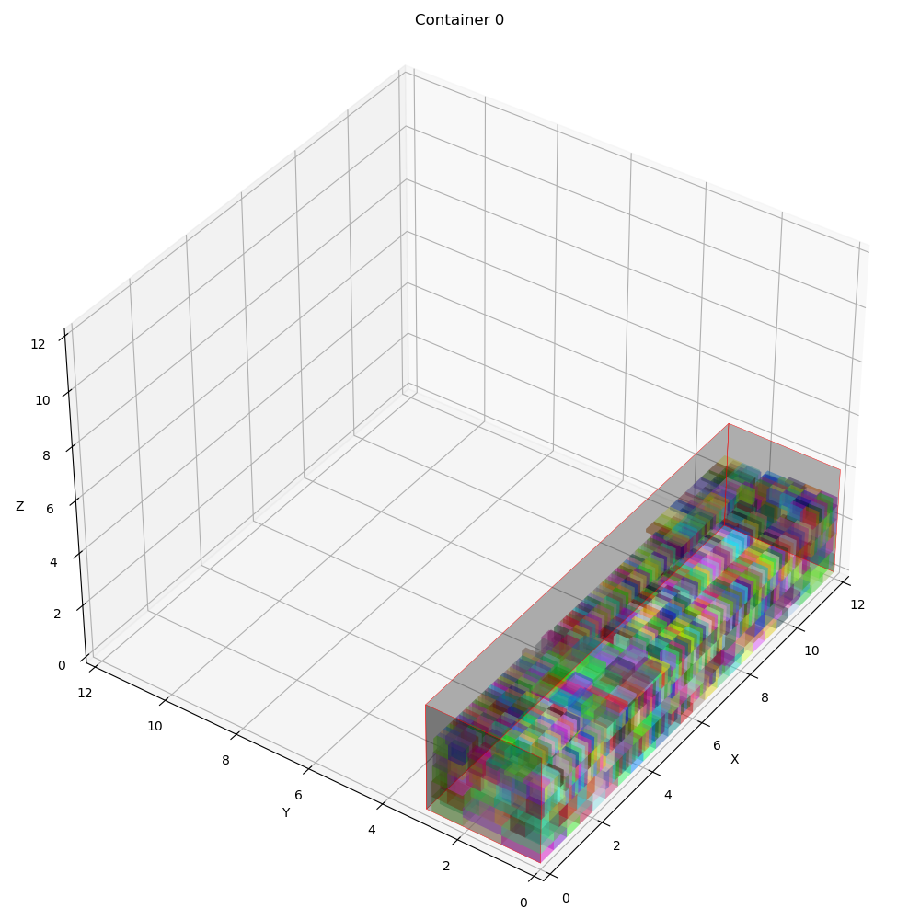
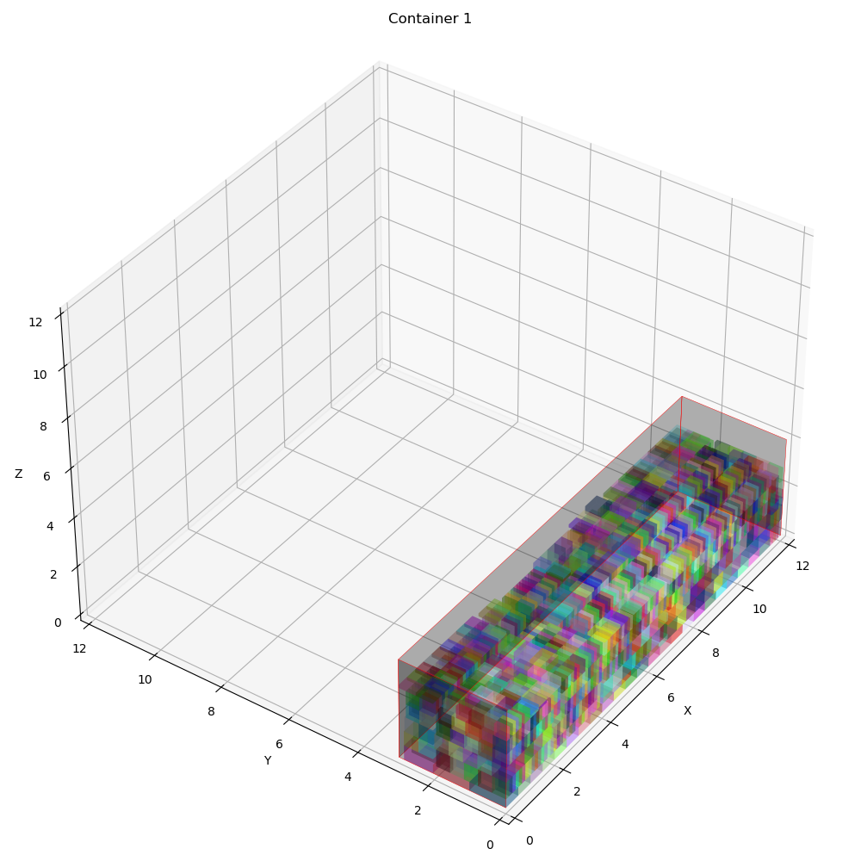
 | Overall Utility | Utility Per Container | Total Item Packed | Best Fitness | Best iteration | Computational time | Best Solution | Random removal | Worst removal | Random reapair | Greedy insertion | Container info | Revenue | Expenses | Profit | Vol packed | COG
0 | 0.63100918056 | [0.63100965 0.63100872 0. ] | 5057 | 0.73820401252 | 6871 | 1868.7575245 | [[0 1 0 1 1 0 0 1 0 1 0 0 0 0 1 0 1 1 1 1 0 1 1 0 0 1 1 0 1 1 1 0 1 0 0 1 0 0 1 1 0 1 1 0 0 0 0 0 1 1 0 1 0 0 1 1 1 1 0 1 0 0 1 0 0 1 0 1 0 1 1 1 0 0 0 0 0 0 0 0 1 0 0 1 1 0 0 0 1 0 1 0 0 0 1 0 0 1 0 1 1 0 1 0 0 1 0 1 1 0 1 0 1 1 1 1 0 1 0 1 0 1 1 0 0 0 1 1 0 0 1 1 0 1 0 1 1 1 1 0 1 1 1 1 0 0 1 0 1 1 1 0 1 0 1 0 1 1 1 0 1 1 0 0 0 0 0 0 1 0 0 0 1 0 0 0 1 1 1 0 1 0 0 0 0 1 0 0 1 1 1 1 0 0 0 0 1 1 0 0 1 1 0 1 1 0 0 0 0 0 1 0 1 0 1 0 0 0 0 1 1 1 1 0 1 0 1 1 0 1 0 1 0 1 0 1 1 1 0 0 1 0 1 1 1 1 1 1 0 0 0 0 1 0 0 1 1 1 0 0 0 1 1 0 0 1 1 0 1 0 0 0 0 1 0 1 1 1 1 0 1 1 0 0 1 0 1 0 1 0 0 0 1 1 1 0 1 1 1 1 0 1 0 1 0 0 0 1 0 1 1 1 0 1 0 1 0 0 0 1 1 0 0 1 0 0 0 1 1 1 1 0 1 1 1 1 0 1 0 0 1 0 0 0 1 1 0 0 1 1 0 1 0 0 0 1 1 1 0 0 0 1 0 0 1 1 1 1 1 1 0 0 1 1 0 1 0 0 0 0 0 1 1 1 0 1 1 1 0 0 0 0 1 1 0 0 0 1 1 1 0 0 0 1 1 1 1 0 1 1 0 1 1 0 1 1 0 1 0 0 1 1 0 1 1 1 1 0 1 1 0 0 1 0 0 1 1 1 1 0 1 0 0 1 0 0 0 0 0 0 0 1 1 0 1 1 0 0 0 1 1 0 0 1 0 1 0 1 1 0 0 0 0 1 0 1 1 1 1 1 0 1 1 0 1 0 0 1 1 0 1 0 1 1 1 0 1 1 0 0 0 0 0 1 1 0 1 0 1 1 0 0 1 1 0 0 0 1 0 0 1 1 1 1 0 1 0 1 0 0 0 1 1 0 0 1 1 1 0 0 0 1 0 0 0 0 1 0 0 0 0 0 1 0 0 0 0 0 0 0 1 1 0 1 1 0 0 0 0 1 1 1 1 0 0 1 1 0 1 1 1 0 1 1 0 0 0 1 0 1 0 0 0 0 0 1 1 1 0 1 0 0 1 0 1 0 1 0 0 1 1 1 0 1 1 0 0 1 0 1 0 1 1 0 0 1 0 1 1 1 1 1 1 0 0 0 1 1 0 0 0 0 0 1 0 0 1 1 1 0 1 1 0 1 1 1 0 0 0 1 0 0 0 1 0 1 0 1 0 1 1 1 1 0 0 1 1 0 1 1 0 1 0 1 0 1 0 1 0 0 1 1 0 1 0 0 0 0 1 1 0 1 1 0 0 0 0 1 0 0 1 0 1 1 0 0 1 0 1 0 0 1 0 0 1 0 1 0 0 0 0 1 1 1 1 0 0 1 1 1 1 1 1 0 0 1 0 1 0 1 0 0 0 0 1 1 1 0 0 0 1 0 1 1 1 0 0 0 0 1 0 1 1 1 0 1 1 0 0 1 1 0 1 0 0 0 0 0 0 1 0 0 1 1 1 1 1 1 0 0 0 1 0 1 1 0 0 1 1 0 0 0 1 1 1 1 0 1 1 0 0 0 0 1 1 0 1 0 0 0 0 0 1 0 0 0 0 1 1 1 1 1 0 1 0 1 0 0 1 0 0 0 1 0 1 0 0 0 0 1 0 1 0 1 1 1 1 0 1 1 1 1 0 0 0 1 0 1 0 0 0 1 1 0 1 1 0 1 0 1 1 1 1 1 0 0 1 0 0 0 1 1 0 1 0 0 0 0 1 0 0 1 0 0 0 1 0 0 1 0 0 0 1 1 0 0 1 1 1 0 1 0 1 0 0 1 0 1 0 0 1 0 0 1 0 1 1 1 0 0 1 0 1 0 1 0 0 0 1 1 0 0 1 0 1 0 1 1 1 1 1 0 | 5509 | 4491 | 4406 | 5594 | [{'container_index': 0, 'details': "Total volume packed: 90.865389 (1.0)\nProfit: 1460.1971713054113\nRevenue: 1960.1971713054113\nExpense: 500.0\nNumber of container type 0 used: 1\nContainer index 0 utilization: 0.6310096458333535\nCenter of gravity: [5.89867581 1.40669788]\nItems' position in container index 0\nItem x y z\n0 8.579999999999998 2.04 1.29\n1 9.2 2.04 1.29\n2 9.51 2.04 1.29\n3 9.82 2.04 1.29\n4 8.889999999999999 2.04 1.29\n5 10.13 2.04 1.29\n6 10.440000000000001 2.04 1.29\n7 10.750000000000002 2.04 1.29\n8 11.370000000000003 2.04 1.29\n9 11.060000000000002 2.04 1.29\n10 0.62 0.0 1.2999999999999998\n11 11.680000000000003 2.04 1.29\n12 0.0 0.0 1.2999999999999998\n13 0.0 0.61 1.2999999999999998\n14 0.0 1.22 1.2999999999999998\n15 0.31 0.0 1.2999999999999998\n16 0.31 0.61 1.2999999999999998\n17 0.31 1.22 1.2999999999999998\n18 7.179999999999996 1.7999999999999998 1.7599999999999998\n19 7.509999999999996 1.7999999999999998 1.7599999999999998\n20 7.839999999999996 1.7999999999999998 1.7599999999999998\n21 8.169999999999996 1.7999999999999998 1.7599999999999998\n22 8.499999999999996 1.7999999999999998 1.7599999999999998\n23 8.829999999999997 1.7999999999999998 1.7599999999999998\n24 9.159999999999997 1.7999999999999998 1.7599999999999998\n25 9.819999999999997 1.7999999999999998 1.7599999999999998\n26 8.389999999999993 0.76 1.77\n27 8.719999999999994 0.76 1.77\n28 9.049999999999994 0.76 1.77\n29 1.9400000000000002 1.7800000000000002 1.2999999999999998\n30 9.379999999999994 0.76 1.77\n31 9.489999999999997 1.7999999999999998 1.7599999999999998\n32 1.28 1.7800000000000002 1.2999999999999998\n33 0.62 1.7800000000000002 1.2999999999999998\n34 11.51 1.7999999999999998 0.95\n35 7.179999999999996 1.7999999999999998 1.17\n36 1.61 1.7800000000000002 1.2999999999999998\n37 7.509999999999996 1.7999999999999998 1.17\n38 11.18 1.7999999999999998 0.95\n39 7.839999999999996 1.7999999999999998 1.17\n40 0.95 1.7800000000000002 1.2999999999999998\n41 8.49999999999999 | 3931.7545455 | 1000 | 2931.7545455 | [90.865389, 90.86525499999999, 0.0] | [[5.89867581, 1.40669788], [5.8587512, 1.43968097], [0, 0]]

