Replication 1
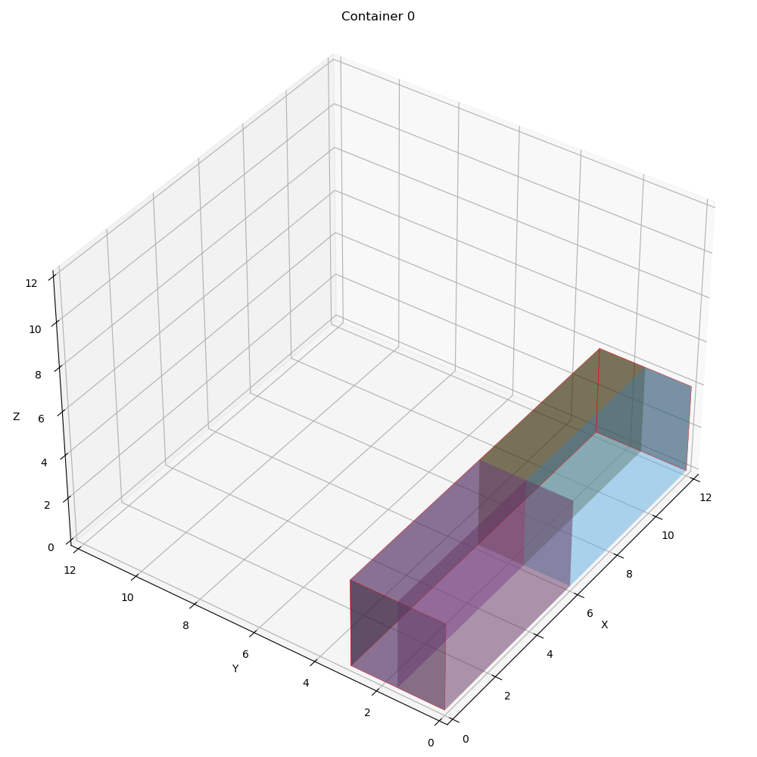
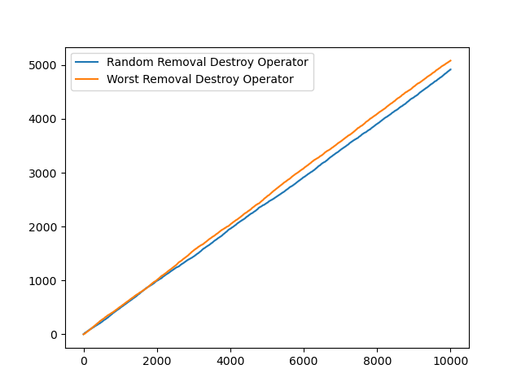
 | Overall Utility | Utility Per Container | Total Item Packed | Best Fitness | Best iteration | Computational time | Best Solution | Random removal | Worst removal | Random reapair | Greedy insertion | Container info | Revenue | Expenses | Profit | Vol packed | COG
0 | 1 | [1. 0. 0.] | 4 | 0.98828125 | 1 | 1.945628643 | [[1 1 1 1] [0 0 0 0] [0 0 0 0]] | 4964 | 5036 | 4856 | 5144 | [{'container_index': 0, 'details': "Total volume packed: 144.0 (1.0)\nProfit: 287500.0\nRevenue: 288000.0\nExpense: 500.0\nNumber of container type 0 used: 1\nContainer index 0 utilization: 1.0\nCenter of gravity: [6. 1.5]\nItems' position in container index 0\nItem x y z\n0 0.0 0.0 0.0\n1 0.0 1.5 0.0\n2 6.0 0.0 0.0\n3 6.0 1.5 0.0\nItem's rotation in container index 0\nItem lx ly lz wx wy wz hx hy hz\n0 1 0 0 0 1 0 0 0 1\n1 1 0 0 0 1 0 0 0 1\n2 1 0 0 0 1 0 0 0 1\n3 1 0 0 0 1 0 0 0 1\n\n"}, {'container_index': 1, 'details': 'Total volume packed: 0.0\nProfit: 0.0\nRevenue: 0.0\nExpense: 0.0\n\n'}, {'container_index': 2, 'details': 'Total volume packed: 0.0\nProfit: 0.0\nRevenue: 0.0\nExpense: 0.0\n\n'}] | 288000 | 500 | 287500 | [144.0, 0.0, 0.0] | [[6.0, 1.5], [0, 0], [0, 0]]

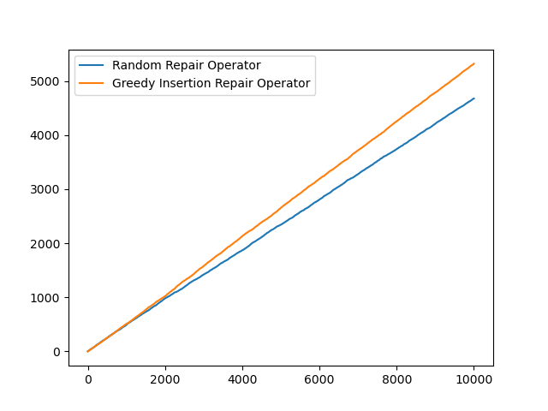

 | Item | Container | X | Y | Z | Length | Width | Height | ContainerLength | ContainerWidth | ContainerHeight
0 | 0 | 0 | 0 | 0 | 0 | 6 | 1.5 | 4 | 12 | 3 | 4
1 | 1 | 0 | 0 | 1.5 | 0 | 6 | 1.5 | 4 | 12 | 3 | 4
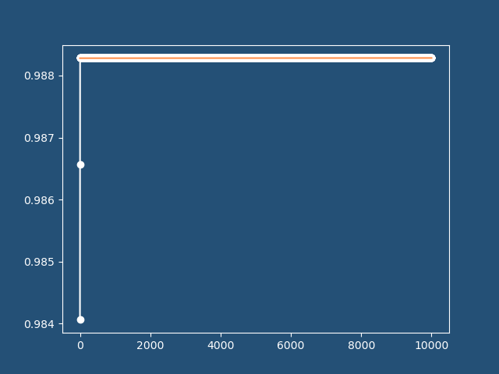
2 | 2 | 0 | 6 | 0 | 0 | 6 | 1.5 | 4 | 12 | 3 | 4
3 | 3 | 0 | 6 | 1.5 | 0 | 6 | 1.5 | 4 | 12 | 3 | 4

Replication 2
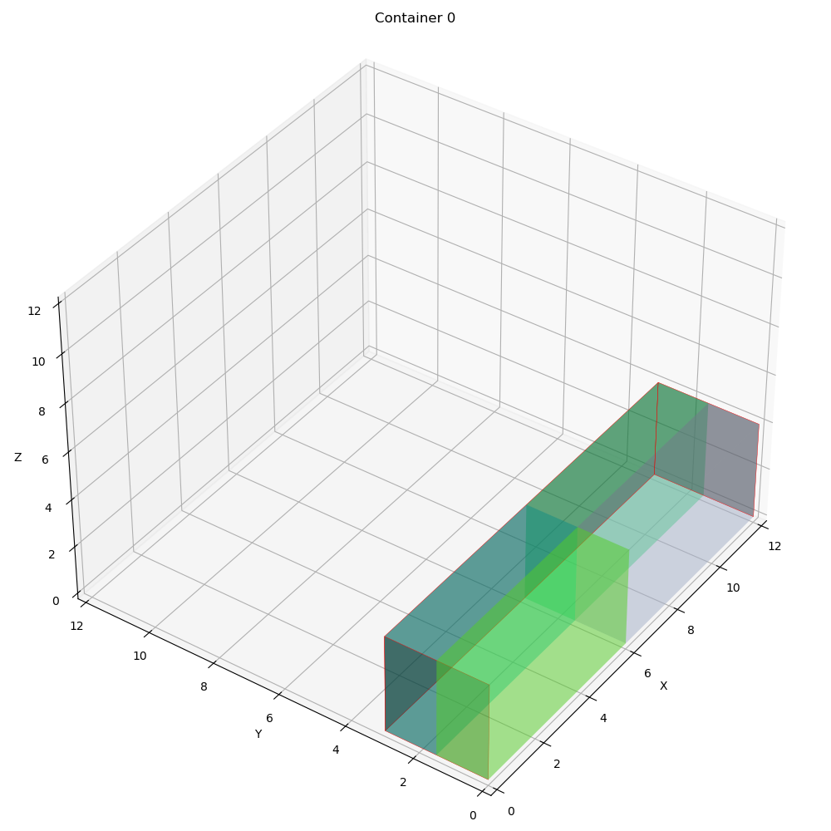
 | Overall Utility | Utility Per Container | Total Item Packed | Best Fitness | Best iteration | Computational time | Best Solution | Random removal | Worst removal | Random reapair | Greedy insertion | Container info | Revenue | Expenses | Profit | Vol packed | COG
0 | 1 | [1. 0. 0.] | 4 | 0.98828125 | 3 | 2.2589392662 | [[1 1 1 1] [0 0 0 0] [0 0 0 0]] | 4918 | 5082 | 4678 | 5322 | [{'container_index': 0, 'details': "Total volume packed: 144.0 (1.0)\nProfit: 287500.0\nRevenue: 288000.0\nExpense: 500.0\nNumber of container type 0 used: 1\nContainer index 0 utilization: 1.0\nCenter of gravity: [6. 1.5]\nItems' position in container index 0\nItem x y z\n0 0.0 0.0 0.0\n1 0.0 1.5 0.0\n2 6.0 0.0 0.0\n3 6.0 1.5 0.0\nItem's rotation in container index 0\nItem lx ly lz wx wy wz hx hy hz\n0 1 0 0 0 1 0 0 0 1\n1 1 0 0 0 1 0 0 0 1\n2 1 0 0 0 1 0 0 0 1\n3 1 0 0 0 1 0 0 0 1\n\n"}, {'container_index': 1, 'details': 'Total volume packed: 0.0\nProfit: 0.0\nRevenue: 0.0\nExpense: 0.0\n\n'}, {'container_index': 2, 'details': 'Total volume packed: 0.0\nProfit: 0.0\nRevenue: 0.0\nExpense: 0.0\n\n'}] | 288000 | 500 | 287500 | [144.0, 0.0, 0.0] | [[6.0, 1.5], [0, 0], [0, 0]]

 | Item | Container | X | Y | Z | Length | Width | Height | ContainerLength | ContainerWidth | ContainerHeight
0 | 0 | 0 | 0 | 0 | 0 | 6 | 1.5 | 4 | 12 | 3 | 4
1 | 1 | 0 | 0 | 1.5 | 0 | 6 | 1.5 | 4 | 12 | 3 | 4
2 | 2 | 0 | 6 | 0 | 0 | 6 | 1.5 | 4 | 12 | 3 | 4
3 | 3 | 0 | 6 | 1.5 | 0 | 6 | 1.5 | 4 | 12 | 3 | 4

