Replication 1
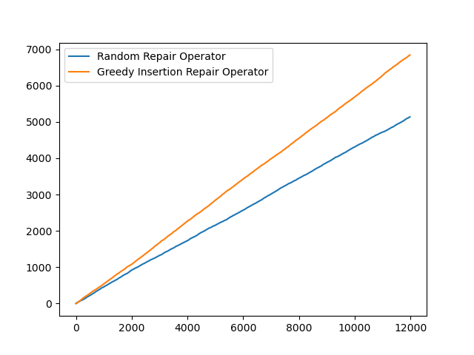
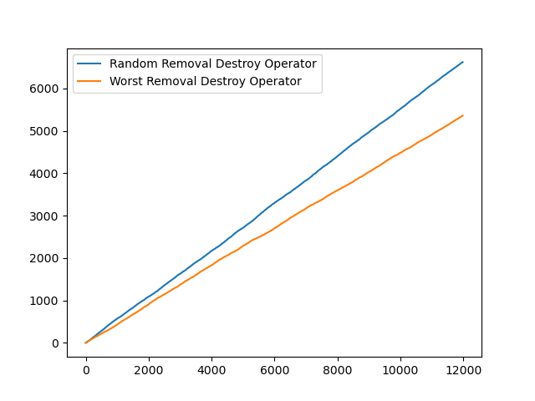
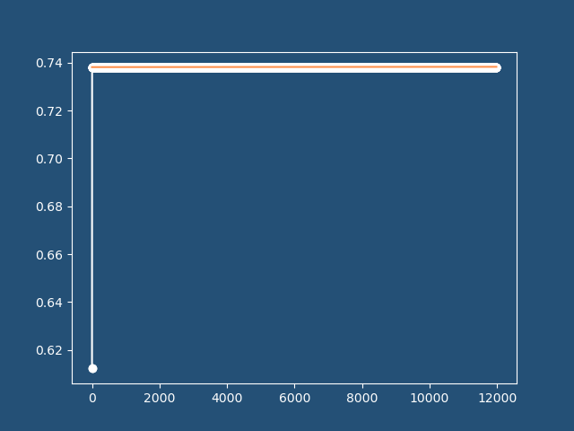
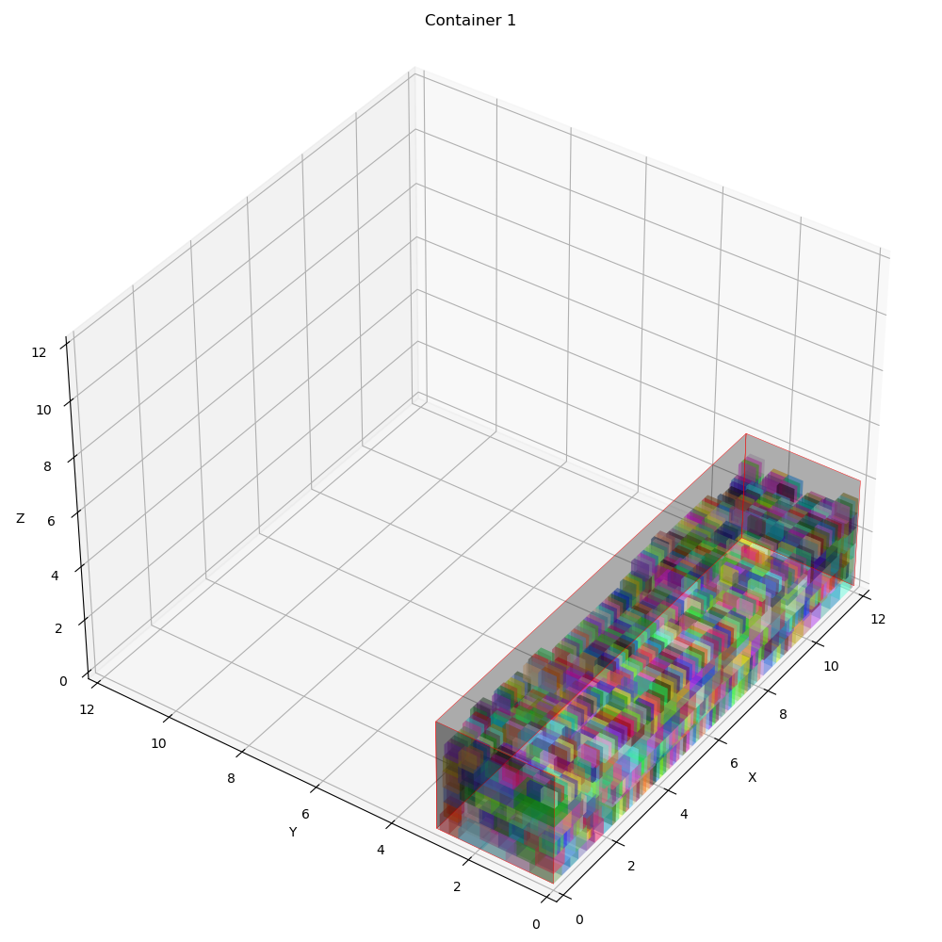
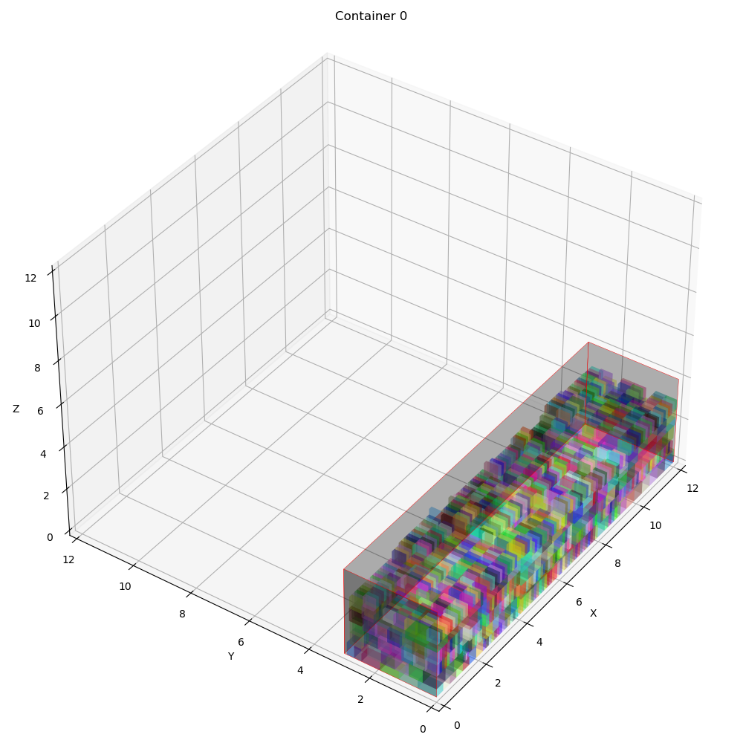
 | Overall Utility | Utility Per Container | Total Item Packed | Best Fitness | Best iteration | Computational time | Best Solution | Random removal | Worst removal | Random reapair | Greedy insertion | Container info | Revenue | Expenses | Profit | Vol packed | COG
0 | 0.63100918056 | [0.63100872 0.63100964 0. ] | 5057 | 0.73820401259 | 23447 | 2380.667706 | [[0 1 1 ... 1 0 1] [1 0 0 ... 0 1 0] [0 0 0 ... 0 0 0]] | 18645 | 14802 | 14394 | 19053 | [{'container_index': 0, 'details': "Total volume packed: 90.86525599999999 (1.0)\nProfit: 1459.2688450357657\nRevenue: 1959.2688450357657\nExpense: 500.0\nNumber of container type 0 used: 1\nContainer index 0 utilization: 0.6310087222222351\nCenter of gravity: [5.97871506 1.44458079]\nItems' position in container index 0\nItem x y z\n0 0.0 0.0 0.0\n1 0.0 0.61 0.0\n2 0.0 1.22 0.0\n3 0.0 1.83 0.0\n4 0.31 0.0 0.0\n5 0.31 0.61 0.0\n6 0.31 1.22 0.0\n7 0.31 1.83 0.0\n8 0.62 0.0 0.0\n9 0.62 0.61 0.0\n10 0.62 1.22 0.0\n11 0.62 1.83 0.0\n12 0.9299999999999999 0.0 0.0\n13 0.9299999999999999 0.61 0.0\n14 0.9299999999999999 1.22 0.0\n15 0.9299999999999999 1.83 0.0\n16 1.24 0.0 0.0\n17 1.24 0.61 0.0\n18 0.0 2.44 0.0\n19 0.0 2.6799999999999997 0.0\n20 0.33 2.44 0.0\n21 0.33 2.6799999999999997 0.0\n22 0.66 2.44 0.0\n23 0.66 2.6799999999999997 0.0\n24 0.99 2.44 0.0\n25 0.99 2.6799999999999997 0.0\n26 1.24 1.22 0.0\n27 1.24 1.46 0.0\n28 1.24 1.7 0.0\n29 1.24 1.94 0.0\n30 1.24 2.1799999999999997 0.0\n31 1.32 2.44 0.0\n32 1.32 2.6799999999999997 0.0\n33 1.55 0.0 0.0\n34 1.55 0.24 0.0\n35 1.55 0.48 0.0\n36 1.55 0.72 0.0\n37 1.55 0.96 0.0\n38 1.57 1.22 0.0\n39 1.57 1.46 0.0\n40 1.57 1.7 0.0\n41 1.57 1.94 0.0\n42 1.57 2.1799999999999997 0.0\n43 1.6500000000000001 2.44 0.0\n44 1.6500000000000001 2.6799999999999997 0.0\n45 1.8800000000000001 0.0 0.0\n46 1.8800000000000001 0.24 0.0\n47 1.8800000000000001 0.48 0.0\n48 1.8800000000000001 0.72 0.0\n49 1.8800000000000001 0.96 0.0\n50 1.9000000000000001 1.22 0.0\n51 1.9000000000000001 1.46 0.0\n52 1.9000000000000001 1.7 0.0\n53 1.9000000000000001 1.94 0.0\n54 1.9000000000000001 2.1799999999999997 0.0\n55 1.9800000000000002 2.44 0.0\n56 2.1300000000000003 2.44 0.0\n57 2.21 0.0 0.0\n58 2.23 1.22 0.0\n59 2.34 0.0 0.0\n60 2.36 1.22 0.0\n61 2.36 1.8399999999999999 0.0\n62 2.4699999999999998 0.0 0.0\n63 2.4899999999999998 1.22 0.0\n64 2.4899999999999998 1.8399999999999999 0.0\n65 2.5999999999999996 0.0 0.0\n66 2.6199999999999997 1.22 0.0\n67 | 3931.7545455 | 1000 | 2931.7545455 | [90.86525599999999, 90.865388, 0.0] | [[5.97871506, 1.44458079], [6.00868392, 1.41189379], [0, 0]]

Replication 2
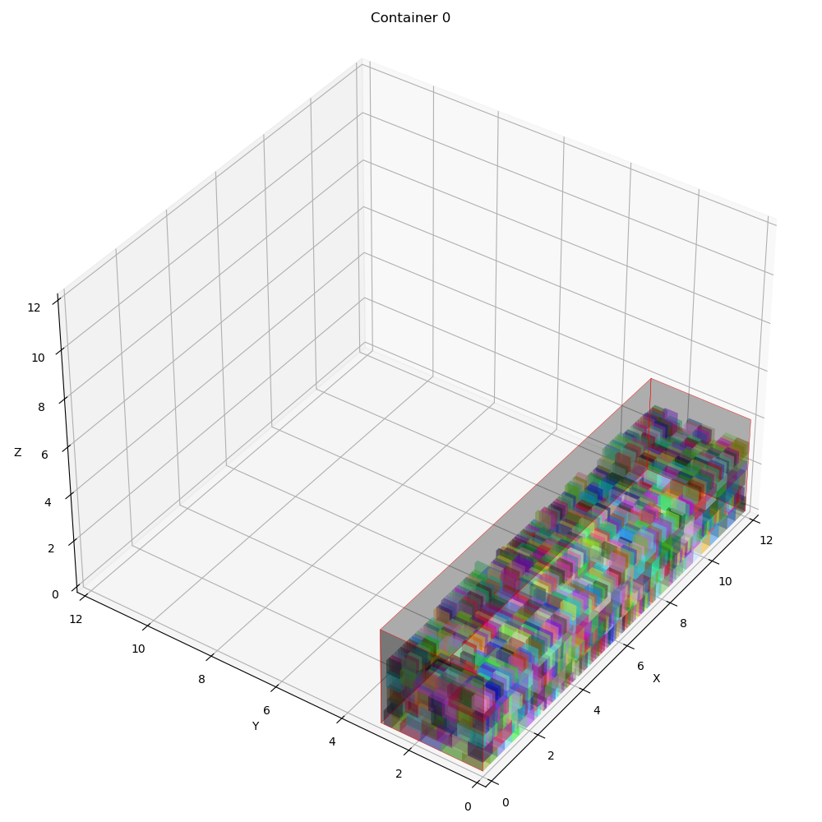
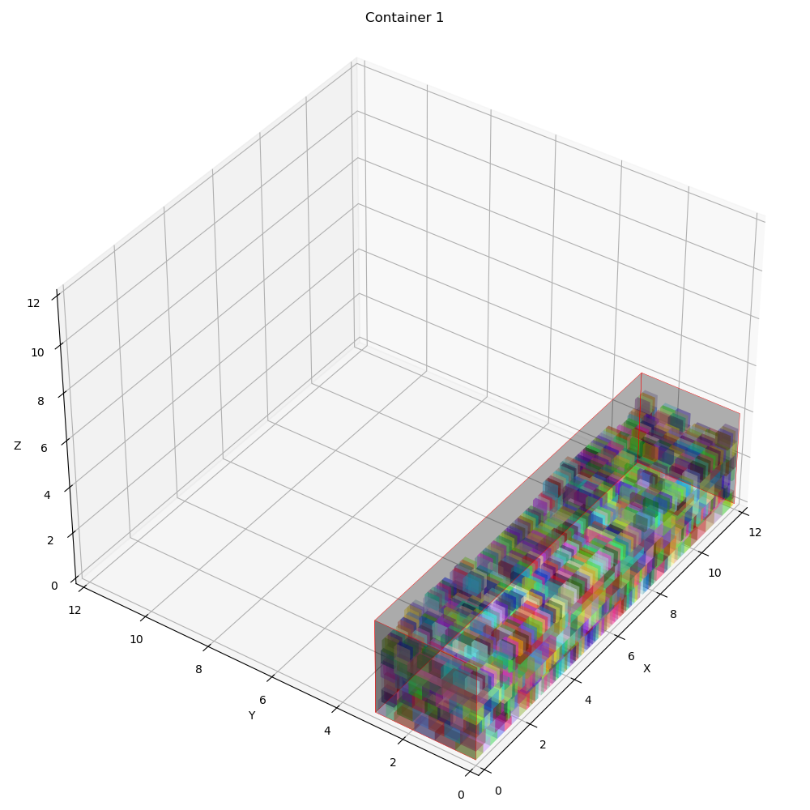
 | Overall Utility | Utility Per Container | Total Item Packed | Best Fitness | Best iteration | Computational time | Best Solution | Random removal | Worst removal | Random reapair | Greedy insertion | Container info | Revenue | Expenses | Profit | Vol packed | COG
0 | 0.63100918056 | [0.63099769 0.63102067 0. ] | 5057 | 0.73820390224 | 1981 | 2069.7829776 | [[0 1 1 ... 1 0 0] [1 0 0 ... 0 1 1] [0 0 0 ... 0 0 0]] | 6621 | 5360 | 5139 | 6842 | [{'container_index': 0, 'details': "Total volume packed: 90.86366699999999 (1.0)\nProfit: 1452.6544232777503\nRevenue: 1952.6544232777503\nExpense: 500.0\nNumber of container type 0 used: 1\nContainer index 0 utilization: 0.630997687500012\nCenter of gravity: [5.94109834 1.40648632]\nItems' position in container index 0\nItem x y z\n0 0.0 0.0 0.0\n1 0.0 0.61 0.0\n2 0.0 1.22 0.0\n3 0.0 1.83 0.0\n4 0.31 0.0 0.0\n5 0.31 0.61 0.0\n6 0.31 1.22 0.0\n7 0.31 1.83 0.0\n8 0.62 0.0 0.0\n9 0.62 0.61 0.0\n10 0.62 1.22 0.0\n11 0.62 1.83 0.0\n12 0.9299999999999999 0.0 0.0\n13 0.9299999999999999 0.61 0.0\n14 0.9299999999999999 1.22 0.0\n15 0.9299999999999999 1.83 0.0\n16 1.24 0.0 0.0\n17 1.24 0.61 0.0\n18 0.0 2.44 0.0\n19 0.0 2.6799999999999997 0.0\n20 0.33 2.44 0.0\n21 0.33 2.6799999999999997 0.0\n22 0.66 2.44 0.0\n23 0.66 2.6799999999999997 0.0\n24 0.99 2.44 0.0\n25 0.99 2.6799999999999997 0.0\n26 1.24 1.22 0.0\n27 1.24 1.46 0.0\n28 1.24 1.7 0.0\n29 1.24 1.94 0.0\n30 1.24 2.1799999999999997 0.0\n31 1.32 2.44 0.0\n32 1.32 2.6799999999999997 0.0\n33 1.55 0.0 0.0\n34 1.55 0.24 0.0\n35 1.55 0.48 0.0\n36 1.55 0.72 0.0\n37 1.55 0.96 0.0\n38 1.57 1.22 0.0\n39 1.57 1.46 0.0\n40 1.57 1.7 0.0\n41 1.57 1.94 0.0\n42 1.57 2.1799999999999997 0.0\n43 1.6500000000000001 2.44 0.0\n44 1.6500000000000001 2.6799999999999997 0.0\n45 1.8800000000000001 0.0 0.0\n46 1.8800000000000001 0.24 0.0\n47 1.8800000000000001 0.48 0.0\n48 1.8800000000000001 0.72 0.0\n49 1.8800000000000001 0.96 0.0\n50 1.9000000000000001 1.22 0.0\n51 1.9000000000000001 1.46 0.0\n52 1.9000000000000001 1.7 0.0\n53 1.9000000000000001 1.94 0.0\n54 1.9000000000000001 2.1799999999999997 0.0\n55 1.9800000000000002 2.44 0.0\n56 2.1300000000000003 2.44 0.0\n57 2.21 0.0 0.0\n58 2.21 0.53 0.0\n59 2.23 1.22 0.0\n60 2.36 0.0 0.0\n61 2.36 0.62 0.0\n62 2.36 1.24 0.0\n63 2.36 1.8599999999999999 0.0\n64 2.4899999999999998 0.0 0.0\n65 2.4899999999999998 0.62 0.0\n66 2.4899999999999998 1.24 0.0\n67 2.4899999999999998 1.8599999999999999 0.0 | 3931.7545455 | 1000 | 2931.7545455 | [90.86366699999999, 90.86697699999999, 0.0] | [[5.94109834, 1.40648632], [5.95562364, 1.44670373], [0, 0]]

