Replication 1
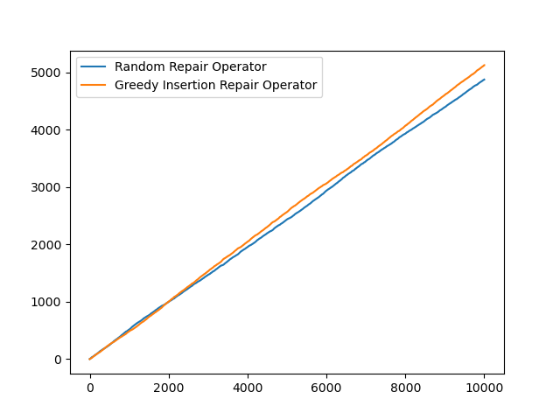
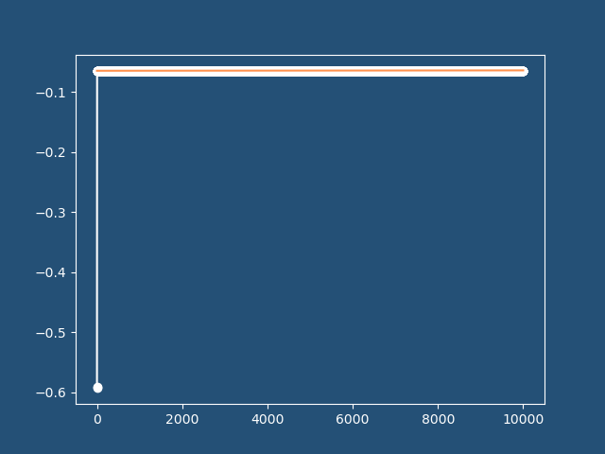
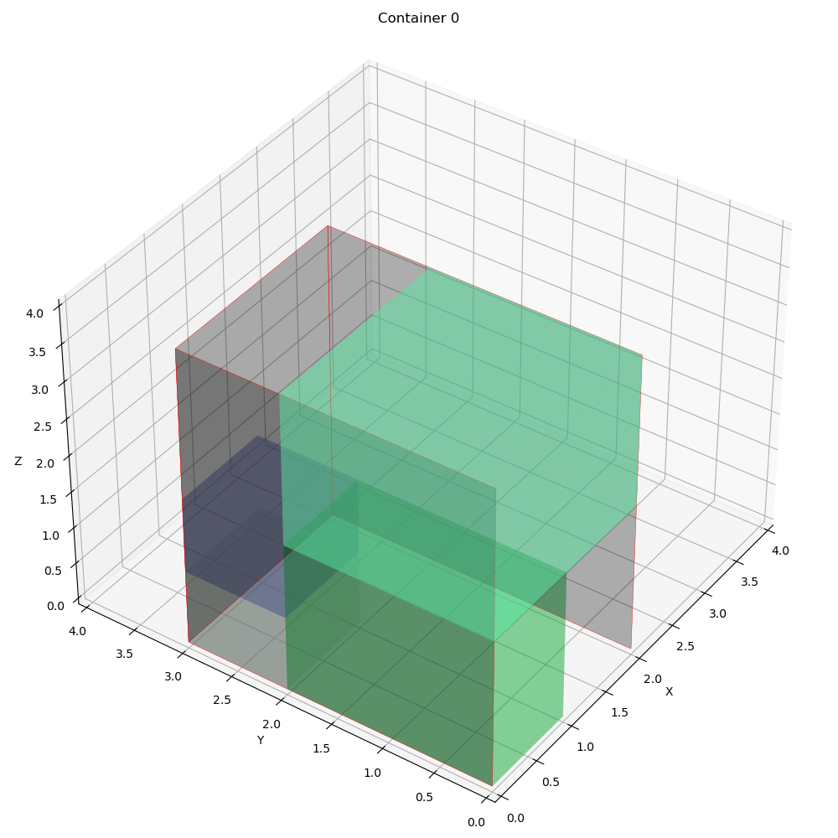
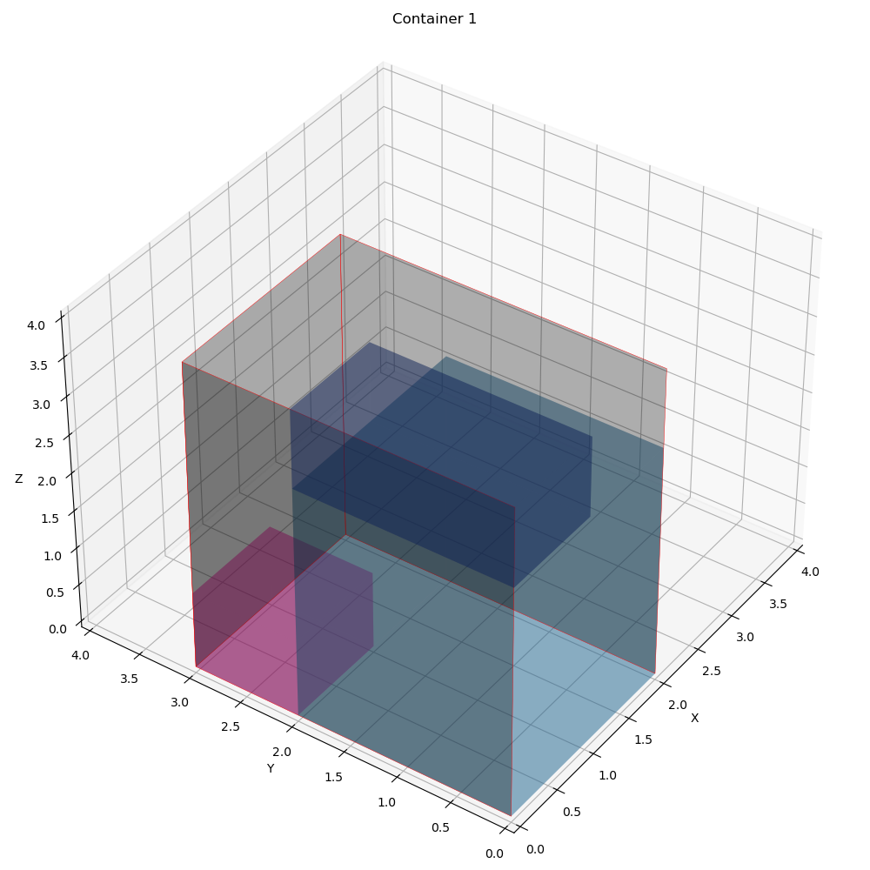
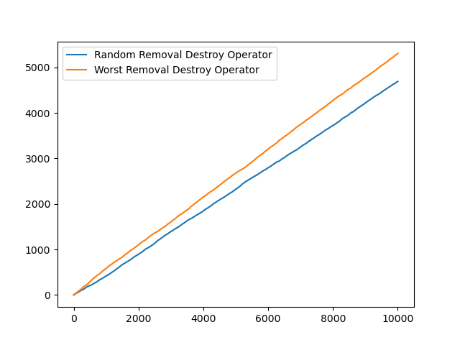
 | Overall Utility | Utility Per Container | Total Item Packed | Best Fitness | Best iteration | Computational time | Best Solution | Random removal | Worst removal | Random reapair | Greedy insertion | Container info | Revenue | Expenses | Profit | Vol packed | COG
0 | 0.60416666667 | [0.58333333 0.625 0. ] | 7 | -0.064005993812 | 5 | 3.3861851692 | [[0 1 0 1 0 1 1] [1 0 1 0 1 0 0] [0 0 0 0 0 0 0]] | 4693 | 5307 | 4874 | 5126 | [{'container_index': 0, 'details': "Total volume packed: 14.0 (1.0)\nProfit: -46.467929843806985\nRevenue: 453.532070156193\nExpense: 500.0\nNumber of container type 0 used: 1\nContainer index 0 utilization: 0.5833333333333334\nCenter of gravity: [0.89858823 1.20282354]\nItems' position in container index 0\nItem x y z\n0 0.0 0.0 2.0\n1 0.0 2.0 1.0\n2 0.0 0.0 0.0\n3 0.0 2.0 0.0\nItem's rotation in container index 0\nItem lx ly lz wx wy wz hx hy hz\n1 1 0 0 0 1 0 0 0 1\n3 1 0 0 0 1 0 0 0 1\n5 1 0 0 0 1 0 0 0 1\n6 1 0 0 0 1 0 0 0 1\n\n"}, {'container_index': 1, 'details': "Total volume packed: 15.0 (1.0)\nProfit: -14.07278197550744\nRevenue: 485.92721802449256\nExpense: 500.0\nNumber of container type 0 used: 1\nContainer index 0 utilization: 0.625\nCenter of gravity: [0.80535738 1.01431363]\nItems' position in container index 0\nItem x y z\n0 0.0 0.0 3.0\n1 0.0 0.0 0.0\n2 0.0 2.0 0.0\nItem's rotation in container index 0\nItem lx ly lz wx wy wz hx hy hz\n0 0 1 0 1 0 0 0 0 1\n2 0 1 0 0 0 1 1 0 0\n4 1 0 0 0 1 0 0 0 1\n\n"}, {'container_index': 2, 'details': 'Total volume packed: 0.0\nProfit: 0.0\nRevenue: 0.0\nExpense: 0.0\n\n'}] | 939.45928818 | 1000 | -60.540711819 | [14.0, 15.0, 0.0] | [[0.89858823, 1.20282354], [0.80535738, 1.01431363], [0, 0]]

