export-41
lvl | avg_path_variants | avg_probes | MATCH (dp)-[r:dnode_child]->(dc)
2 | 15.75 | null | WITH dc.lvl AS lvl, avg(size(dc.path_variants)) AS avg_path_variants, avg(size(dc.fused_probes)) AS avg_probes
3 | 29.250000000000004 | 37 | ORDER BY lvl
4 | 33.875 | 39.8 | WITH collect({lvl: lvl, avg_path_variants: avg_path_variants, avg_probes: avg_probes}) AS data
5 | 39.48275862068965 | 44.25000000000001 | UNWIND range(1, size(data) - 1) AS i
6 | 42.75510204081633 | 44.093749999999986 | WITH data[i] AS current, data[i - 1] AS previous
7 | 43.79729729729729 | 42.85714285714287 | RETURN
8 | 42.957142857142856 | 38.78888888888888 | current.lvl AS lvl,
9 | 44.83259911894273 | 40.68098159509203 | current.avg_path_variants AS avg_path_variants,
10 | 45.65408805031448 | 43.59999999999999 | current.avg_probes AS avg_probes,
11 | 46.36729857819906 | 41.363636363636374 | current.avg_path_variants - previous.avg_path_variants AS rate_path_variants,
12 | 47.24143835616437 | 40.75253549695744 | current.avg_probes - previous.avg_probes AS rate_probes
13 | 48.03076923076922 | 40.443740095087165 | ORDER BY lvl
14 | 49.49811794228355 | 41.47172413793103
15 | 50.658634538152604 | 41.25295857988165
16 | 52.12811387900356 | 41.95375722543353
17 | 52.23484848484848 | 41.997289972899765
18 | 52.604545454545445 | 42.497584541
19 | 53.36956521739129 | 42.831460674
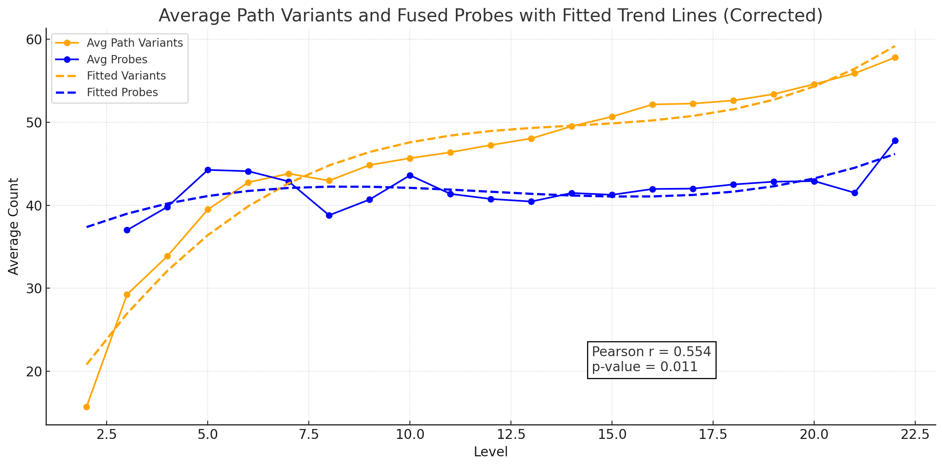
20 | 54.57142857142856 | 42.90476190476191
21 | 55.86666666666667 | 41.5
22 | 57.77777777777778 | 47.77777777777778

