aligned parent-child-hg-seq
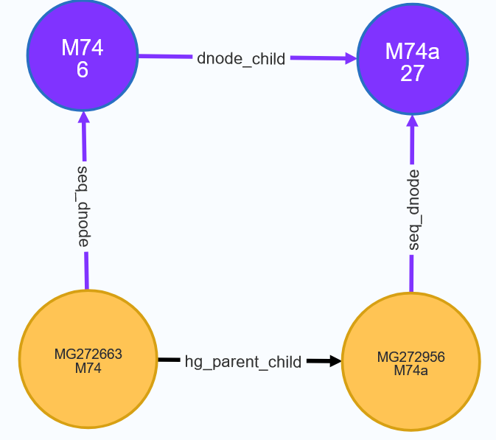
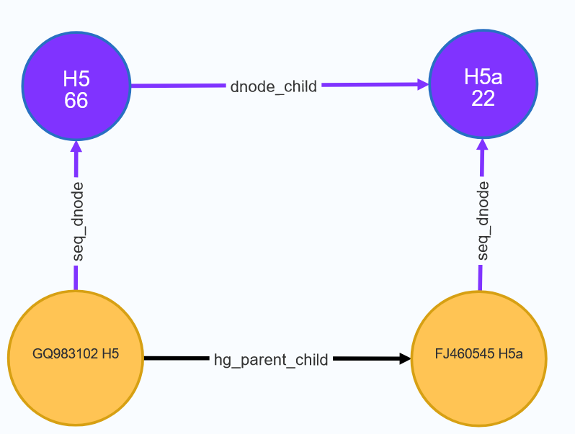
MATCH path1=(sp:mt_seq{name:'MG272663'})-[rhpc:hg_parent_child]->(sc:mt_seq{name:'MG272956', assigned_hg:'M74a'}) | MATCH path1=(sp:mt_seq{name:'GQ983102', assigned_hg:'H5'})-[rhpc:hg_parent_child]->(sc:mt_seq{name:'FJ460545', assigned_hg:'H5a'})
with path1,sp,rhpc, sc | with path1,sp,rhpc, sc
match path2=(dp:dnode)-[r:dnode_child]->(dc:dnode) where dp.name=sp.assigned_hg and dc.name=sc.assigned_hg | match path2=(dp:dnode)-[r:dnode_child]->(dc:dnode) where dp.name=sp.assigned_hg and dc.name=sc.assigned_hg
with path1,path2, sp,sc, dp, dc | with path1,path2, sp,sc, dp, dc
match path3 = (sx)-[rhg:seq_dnode]->(dx) where sx in [sp, sc] and dx in [dp,dc] | match path3 = (sx)-[rhg:seq_dnode]->(dx) where sx in [sp, sc] and dx in [dp,dc]
RETURN path1, path2, path3 | RETURN path1, path2, path3 limit 25

anomalous variant
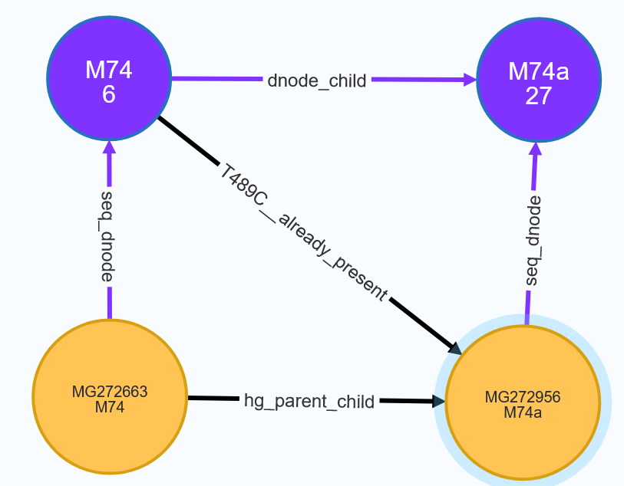
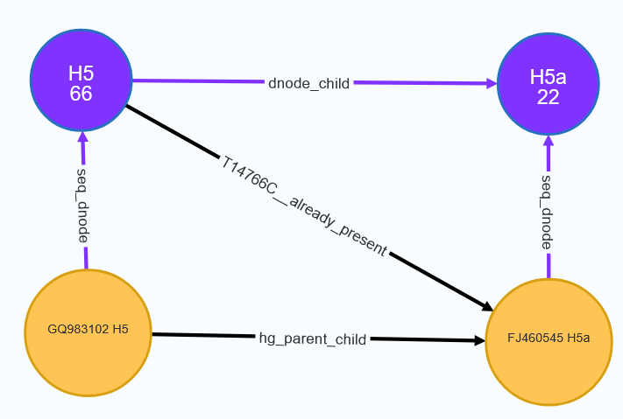
 | MATCH path1=(sp:mt_seq{name:'MG272663'})-[rhpc:hg_parent_child]->(sc:mt_seq{name:'MG272956', assigned_hg:'M74a'})
MATCH path1=(sp:mt_seq{name:'GQ983102', assigned_hg:'H5'})-[rhpc:hg_parent_child]->(sc:mt_seq{name:'FJ460545', assigned_hg:'H5a'}) | with path1,sp,rhpc, sc
with path1,sp,rhpc, sc | match path2=(dp:dnode)-[r:dnode_child]->(dc:dnode) where dp.name=sp.assigned_hg and dc.name=sc.assigned_hg
match path2=(dp:dnode)-[r:dnode_child]->(dc:dnode) where dp.name=sp.assigned_hg and dc.name=sc.assigned_hg | with path1,path2, sp,sc, dp, dc, apoc.coll.intersection(dp.path_variants,sc.all_variants) as vn
with path1,path2, sp,sc, dp, dc, apoc.coll.intersection(dp.path_variants,sc.all_variants) as vn | CALL apoc.create.vRelationship(dp, vn[0]+ "__already_present",{}, sc) YIELD rel
CALL apoc.create.vRelationship(dp, vn[0]+ "__already_present",{}, sc) YIELD rel | match path3 = (sx)-[rhg:seq_dnode]->(dx) where sx in [sp, sc] and dx in [dp,dc]
match path3 = (sx)-[rhg:seq_dnode]->(dx) where sx in [sp, sc] and dx in [dp,dc] | RETURN path1, path2, path3 ,rel
RETURN path1, path2, path3 ,rel

