Sheet5
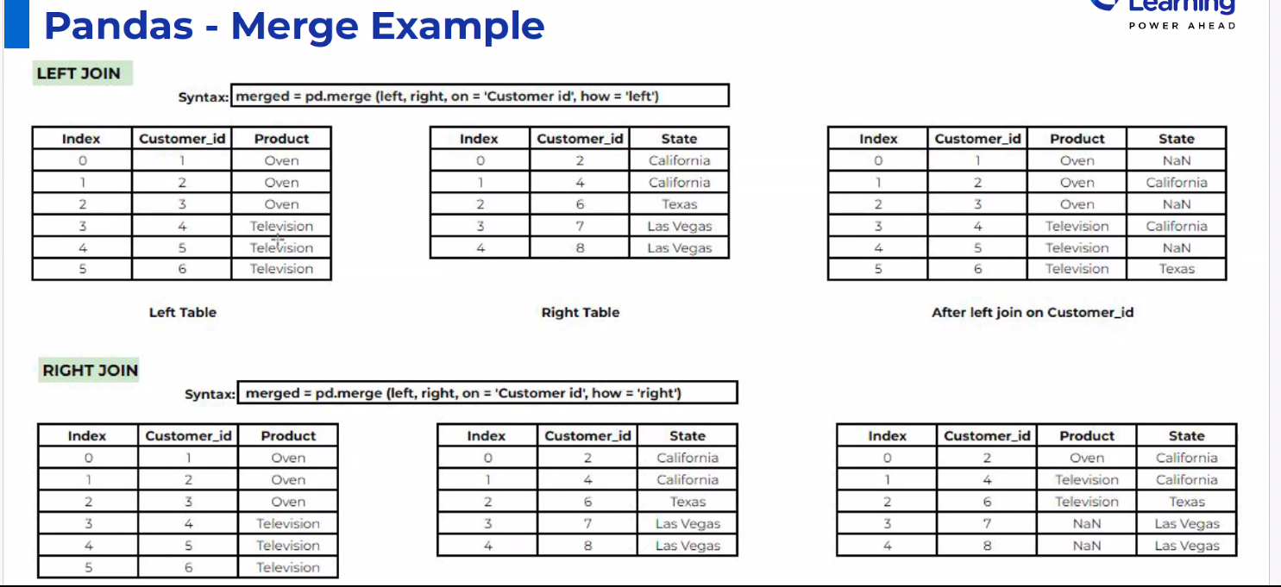

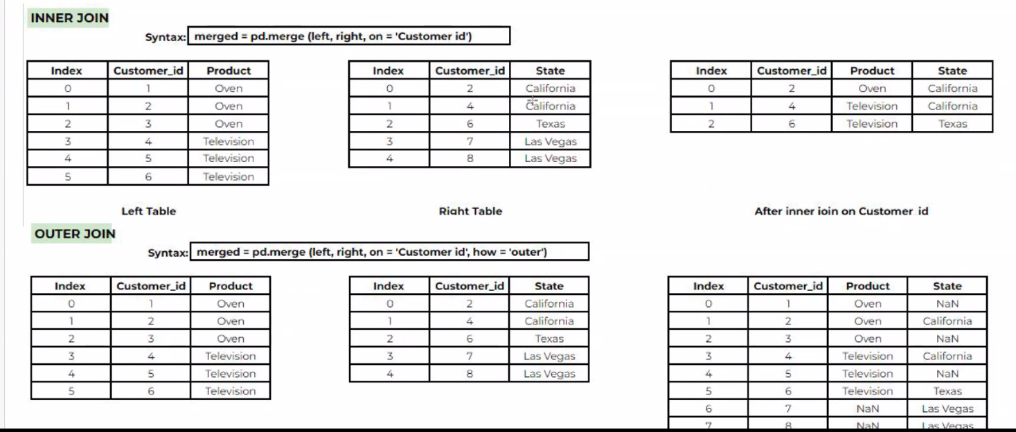

BOW
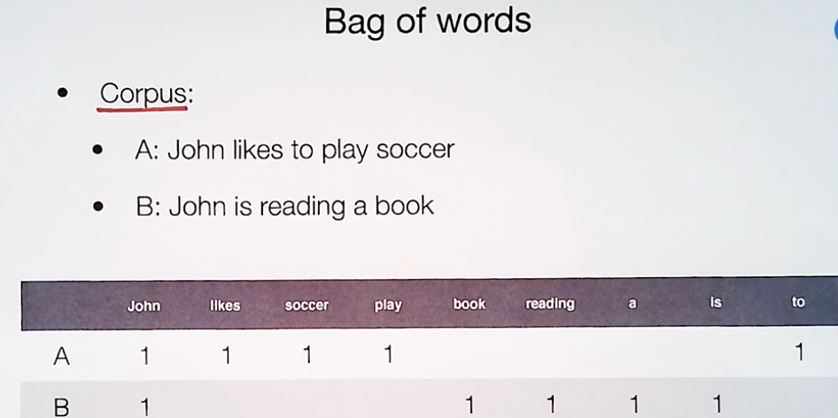
 | Use Cases | Challenges
Bag of words | Span detection, Sentiment analysis, document Classification
Semantic | NLP language rules, Name entity detection | context of word with multiple meaning
 | NER (Name entity recongnization) = apple in different context | Building models that truly understand semantics is computationally intense and complex
 |  | Language specfic


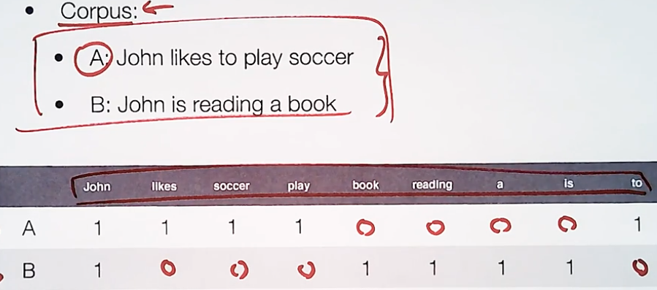



BOW | Vector sepcpfic and not language specific
 | The bag of words (BoW) method is not language-specific. It is a language-independent approach that represents a document as an unordered set of words, ignoring grammar and word order. On the other hand, semantic methods often involve understanding the meaning of words and their relationships, making them more language-specific.

Cleaning text (BOW) | Remove Stop words , the is it in an etc STEMMING : Chop chopping, play, playing Lowercase conversion remove punctuations Strip Extra Whitespaces Remove numbers
 | Stopwords are the words in any language which does not add much meaning to a sentence. They can safely be ignored without sacrificing the meaning of the sentence. Imagine you are analyzing a collection of documents related to cooking recipes. The word "salt" might appear very frequently across these documents due to its significance in cooking. However, "salt" will not be considered a stop word in this context because it carries essential meaning within the domain.

