Tabelle1
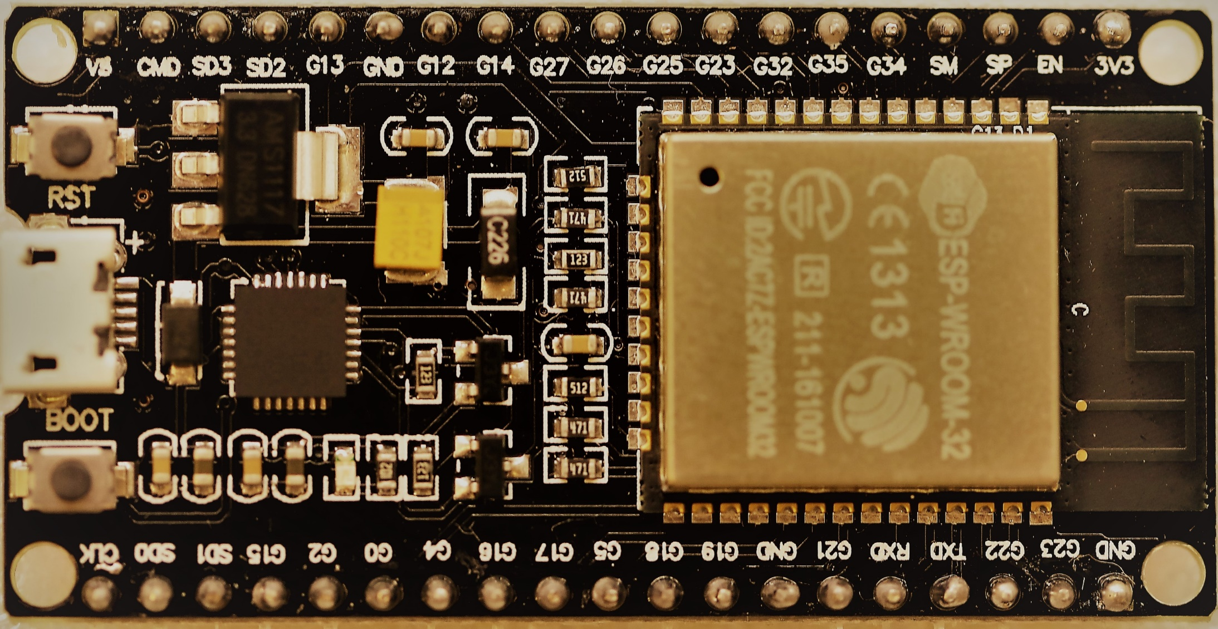
 |  |  |  |  | Template | Board | Board | Template
 |  |  |  |  |  | 3V3 | GND
 |  |  | RESET |  |  | EN | IO23 | DATA_PIN | VSPI MOSI |  |  |  |  | SPI MOSI
SVP |  |  | only Input | ADC1_CH0 |  | I36 | IO22 | SCL | SCL | I2C |  |  |  | Wire SCL
SVN |  |  | only Input | ADC1_CH3 |  | I39 | IO01 | TX0 / LED | TX0 |  |  |  |  | Serial TX
 |  |  | only Input | ADC1_CH6 |  | I34 | IO03 | RX0 | RX0 |  |  |  |  | Serial RX
 |  |  | only Input | ADC1_CH7 |  | I35 | IO21 | SDA | SDA | I2C |  |  |  | Wire SDA
 |  | Touch9 |  | ADC1_CH4 |  | IO32 | GND
 |  | Touch8 |  | ADC1_CH5 |  | IO33 | IO19 |  | VSPI MISO |  |  |  |  | SPI MISO
DAC1 |  |  |  | ADC2_CH18 |  | IO25 | IO18 | CLK_PIN | VSPI SCK |  |  |  |  | SPI SCK
DAC2 |  |  |  | ADC2_CH19 |  | IO26 | IO5 | CS_PIN | VSPI SS |  |  |  | (pu) | SPI SS
 |  | Touch7 |  | ADC2_CH17 |  | IO27 | IO17
 | TMS | Touch6 | HSPI SCK | ADC2_CH16 |  | IO14 | IO16
(pd) | TDI | Touch5 | HSPI MISO | ADC2_CH15 |  | IO12 | IO04 |  |  | ADC10 | TOUCH0 |  | (pd)
 |  |  |  |  |  | GND | IO0 | Boot | BOOT | ADC11 | TOUCH1 |  | (pu)
 | TCK | Touch4 | HSPI MOSI | ADC2_CH14 |  | IO13 | IO2 |  |  | ADC12 | TOUCH2 |  | (pd)
 |  |  | FLASH D2 |  | reserved | SD2 | IO15 |  | HSPI SS | ADC13 | TOUCH3 | TDO | (pu)
 |  |  | FLASH D3 |  | reserved | SD3 | SD1 | reserved | FLASH D1 | IO8
 |  |  | FLASH CMD |  | reserved | CMD | SD0 | reserved | FLASH D0 | IO7
 |  |  |  |  |  | 5V | CLK | reserved | FLASH SCK | IO6

