Guidelines
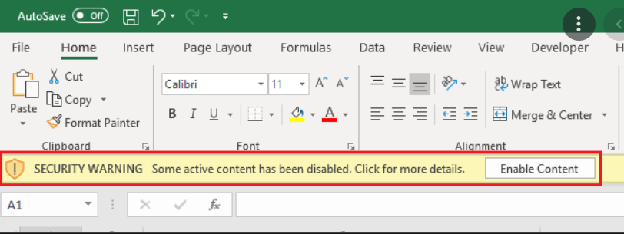
 | Guidelines: Use CTRL+F to easily find the topic. :)

 | CODE | TOPIC DESCRIPTION
 | A101 | MUST DO BEFORE USING THIS AUTOMATION.
 | A102 | HOW TO EDIT MACRO TO CREATE ANOTHER AUTOMATION
 | A103 | HOW TO USE THE AUTOMATION + Possible errors

A101 | MUST DO BEFORE USING THIS AUTOMATION.

1 | Look for Developer tab in your ribbon.

2 | If it's already visible, proceed to step 3. If not, follow these steps:

 | 2.1 | Click File tab

 | 2.2 | Click Options in the lower left
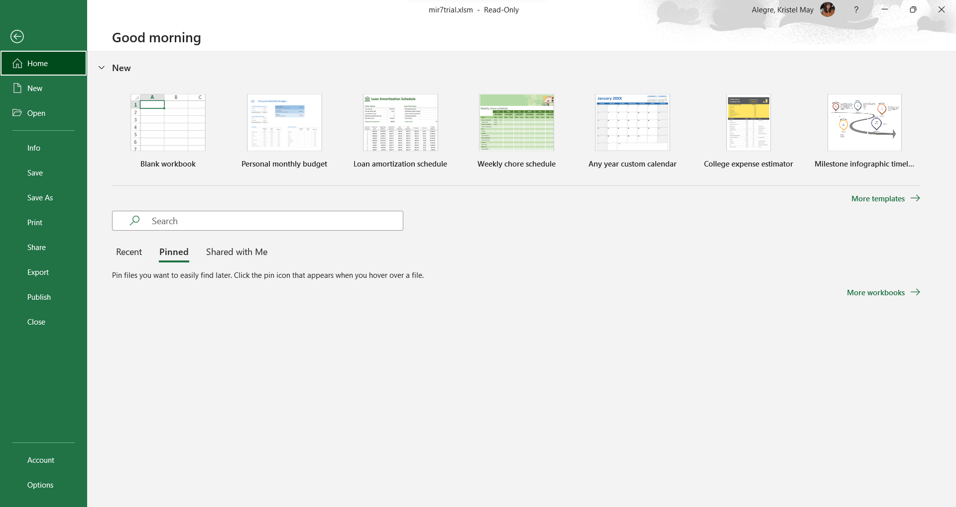

 | 2.3 | Popup window will appear, click Customize Ribbon
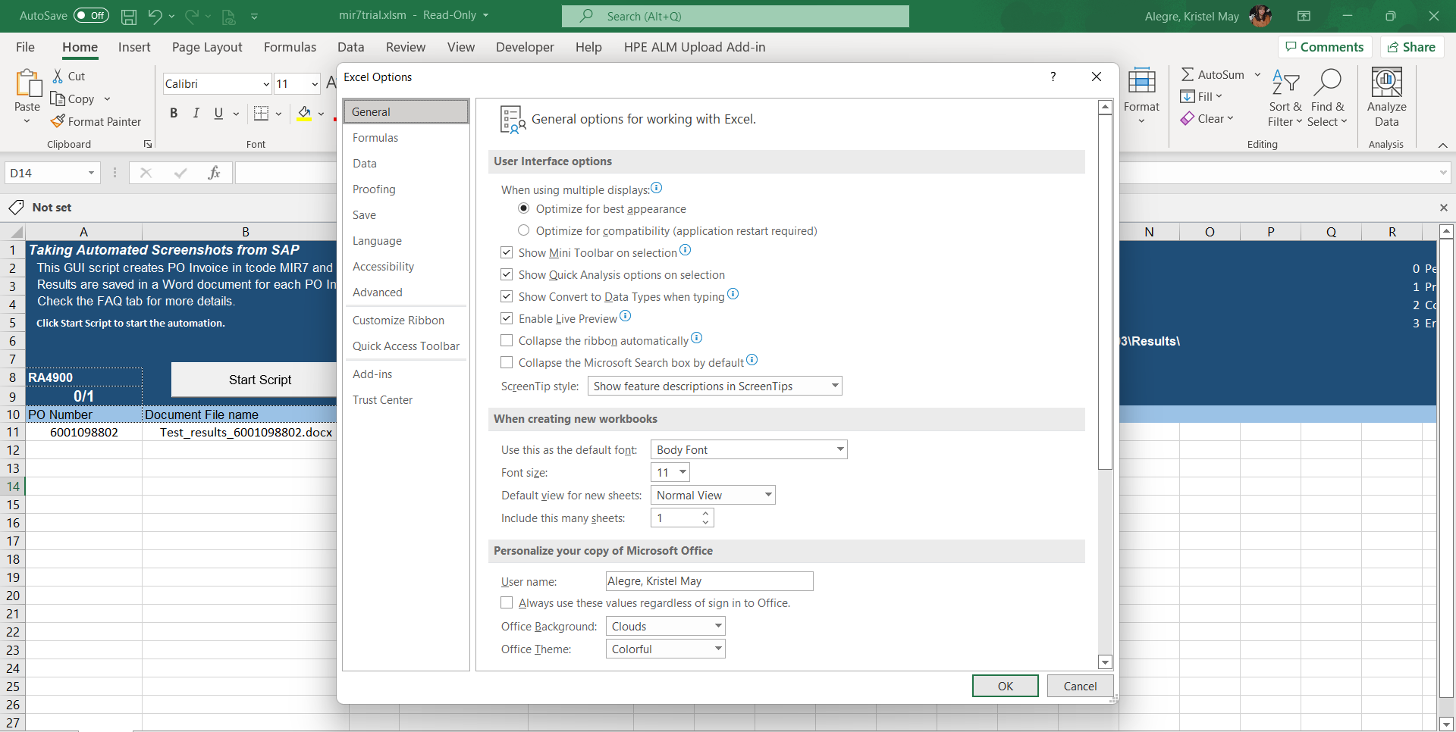

 | 2.4 | Make sure that Developer is ticked then click OK. Developer tab should now be visible on your ribbon.
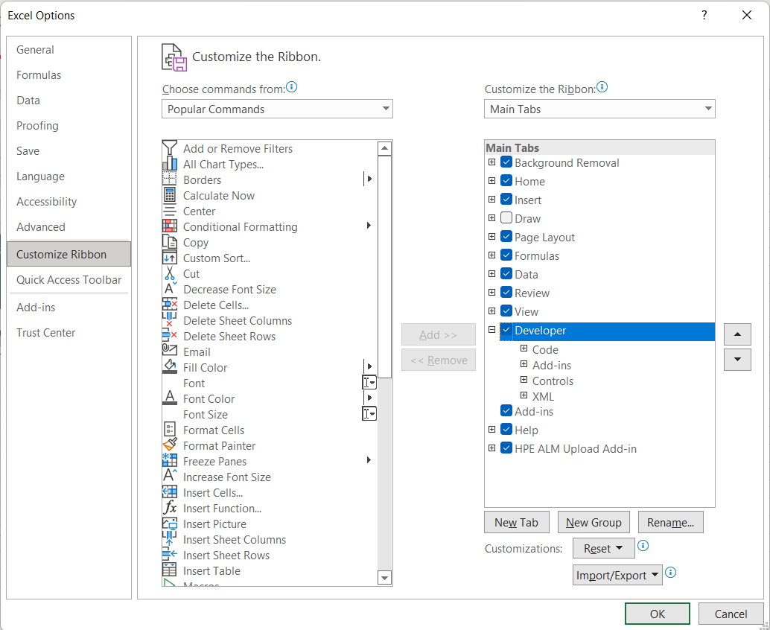

3 | Take note of the important details in the file.

 |  |  |  |  | Click this button to start script |  | Reference of the Status.
Script Description

Screenshot Enabler/ Disabler

SAP Envi + Client

No. to be process

 |  |  |  |  |  | report logs

4 | To edit the code, go to Developer tab in the Header then click Visual Basic.

 | Visual Basic Editor window will appear:
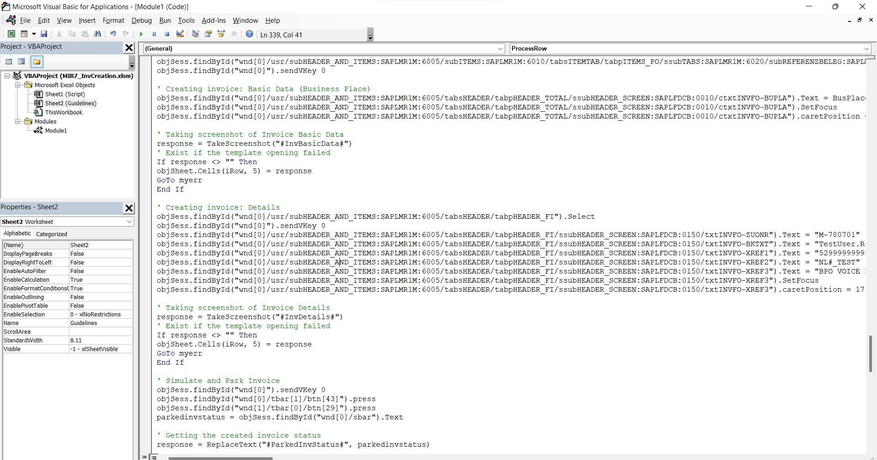

A102 | HOW TO EDIT MACRO TO CREATE ANOTHER AUTOMATION.

1 | Download MACRO.XLSM on your local folder and copy old template on Sheet1.

2 | Set these required details in Script Sheet:

Disable Screenshot first for a much faster scripting

Set the environment and client you will use.

 |  |  |  | Choose your environment

 |  |  |  | This is your client

3 | Open Visual Basic Editor Window to start scripting.

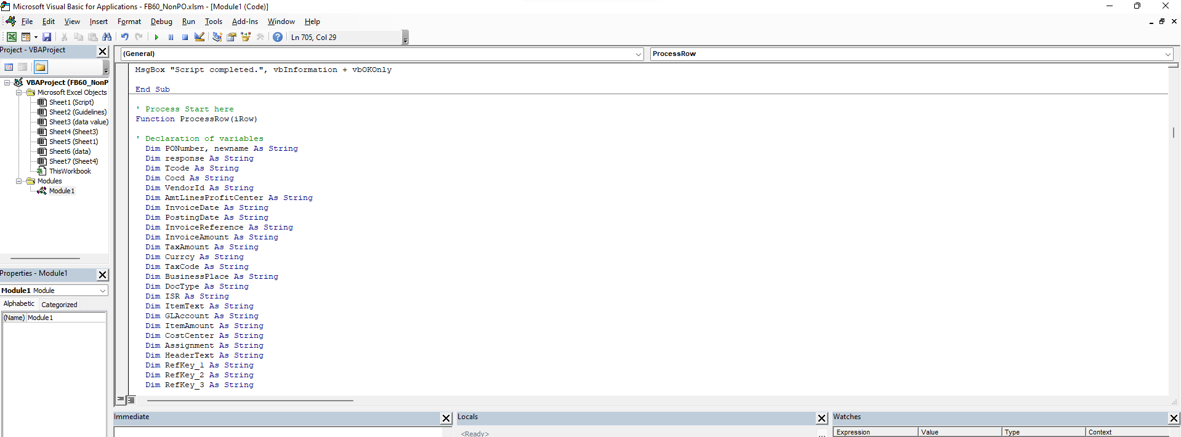

Process starts here

Start here by declaring all the variables needed

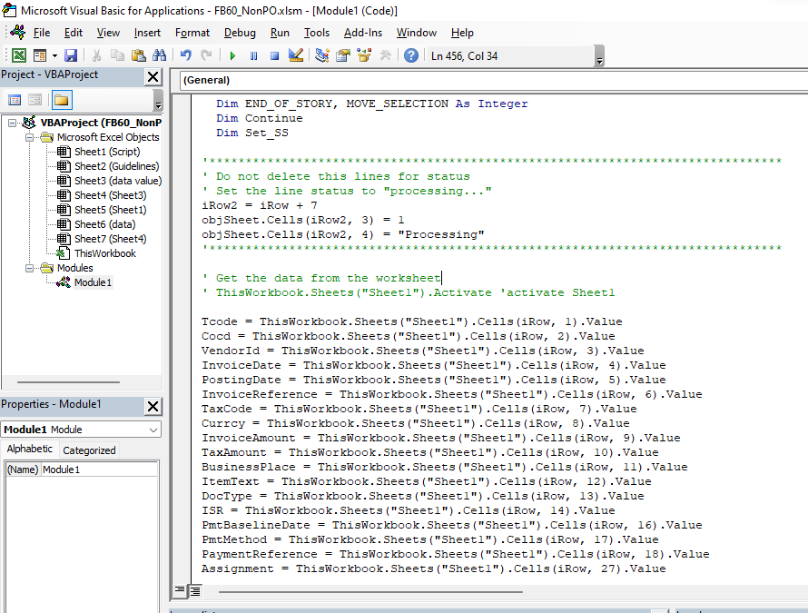

Adjust all needed variables to get data from excel sheet (Sheet1)

 | variables

 | Sheet Name

 | (row, column)

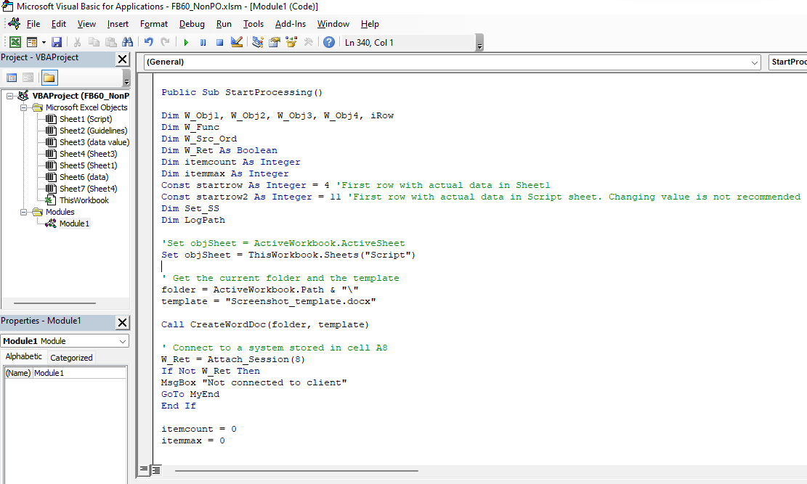

First row with actual value in Sheet1. Edit value when needed. This set the value of iRow variable.

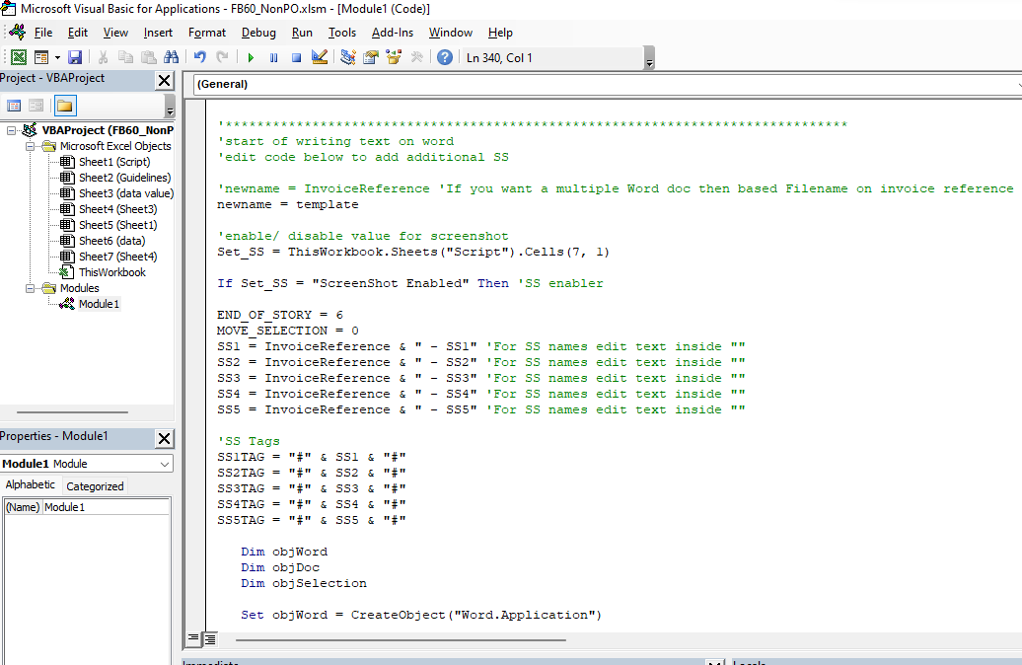

Edit this part to change name of screenshots

Add variables when needed for more SS. Maintain SS variable and increment the number at the end: SS1,SS2,SS3…

Adjust this code when there's an additional variable above.

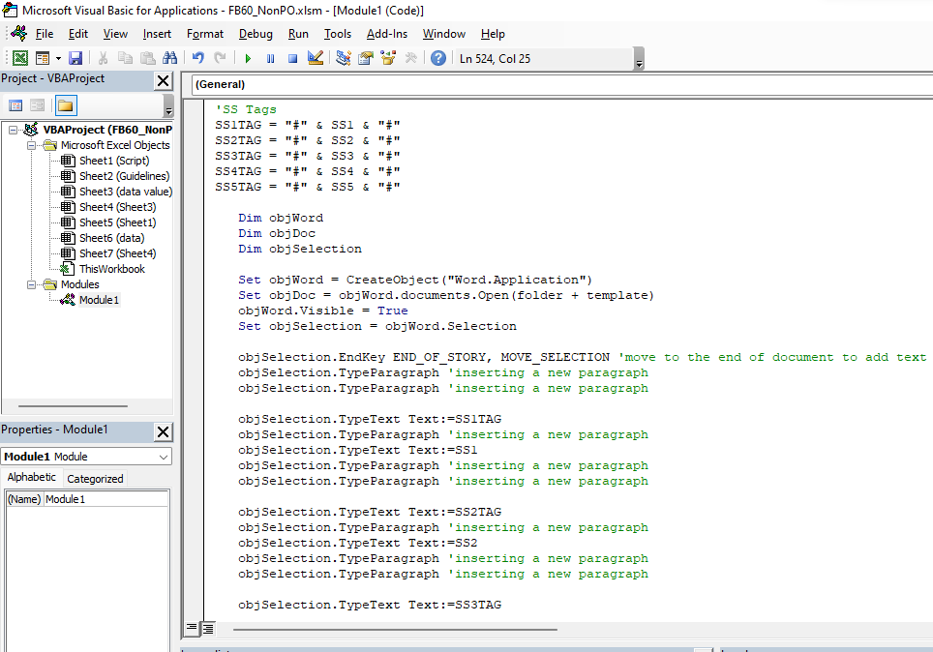

Add these 5 lines of codes for more Screenshots. Increment SS1 and SS1TAG accordingly.

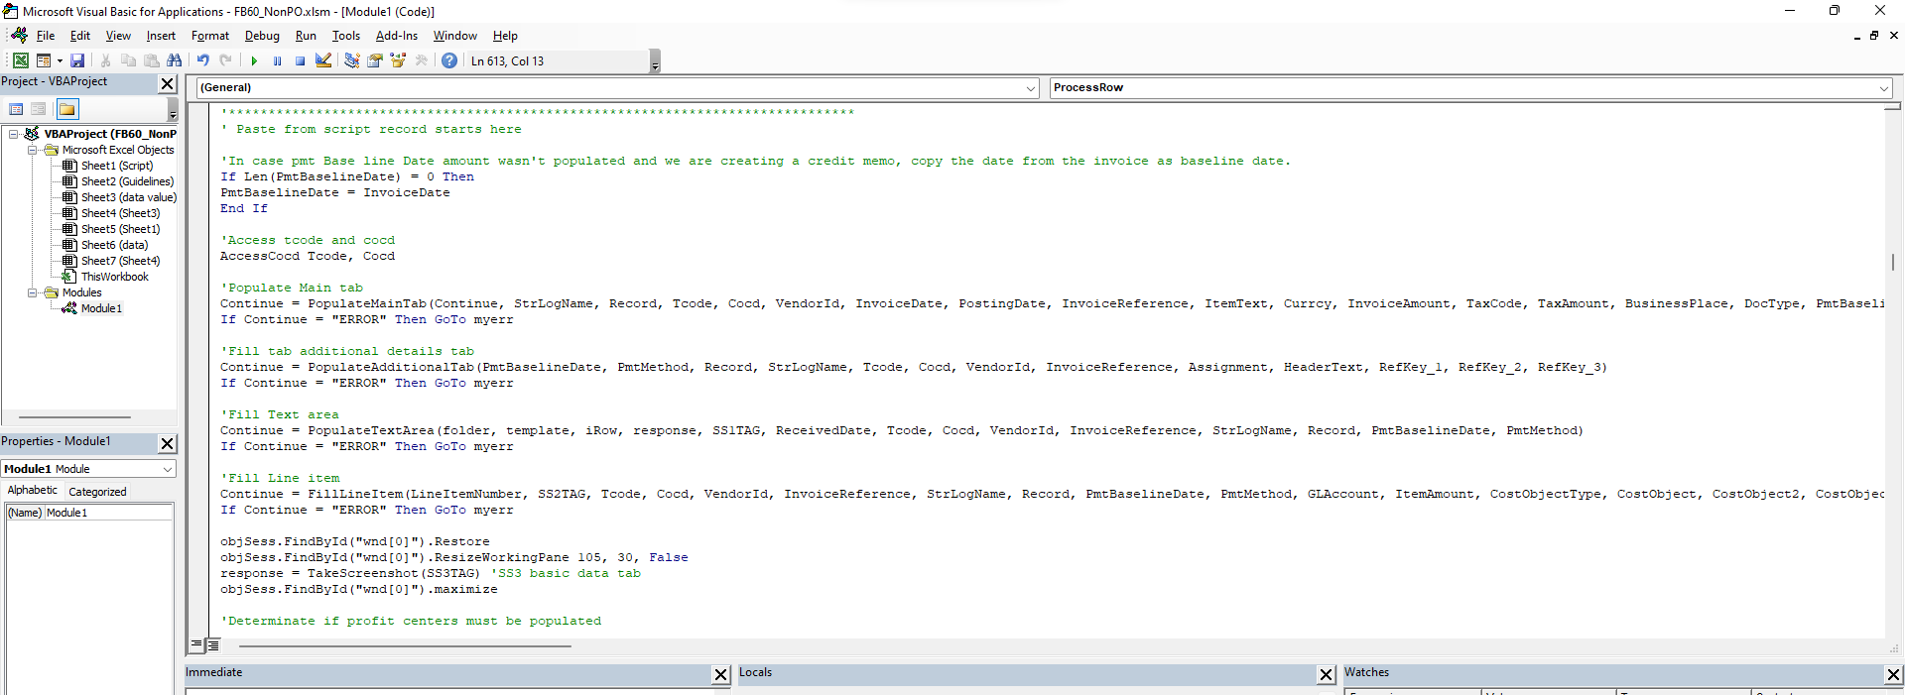
copy and paste from existing script starts here

Start by pasting each step (not all codes) so that it will be easy to debug once you encountered an error

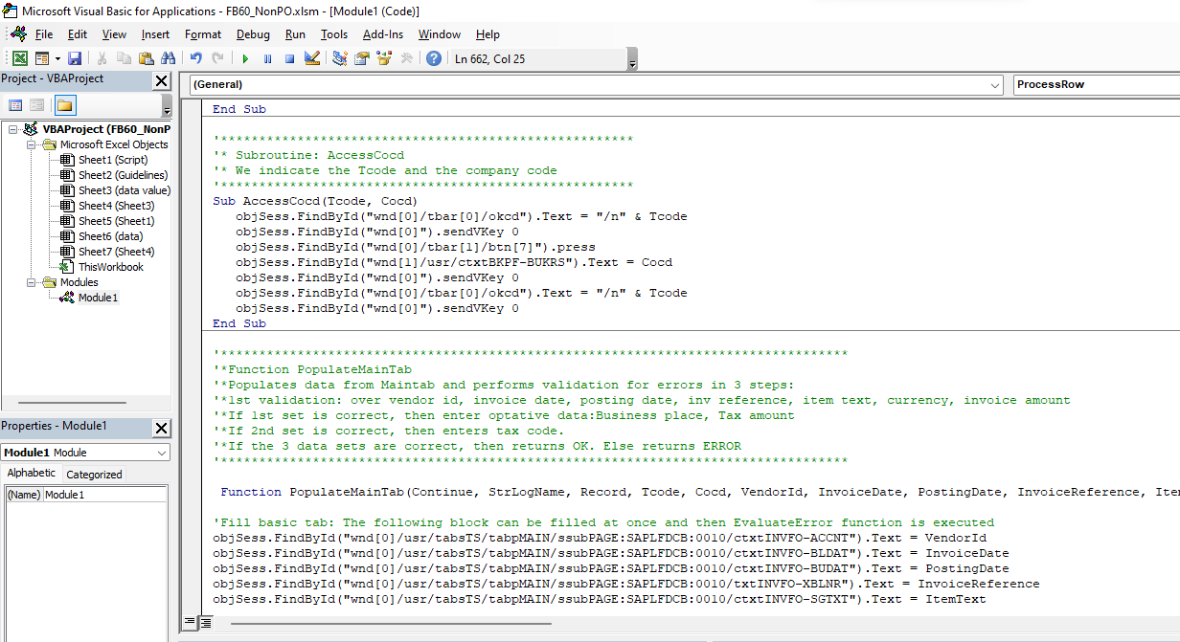

Paste the functions called for every steps at the very end of the script.

Click start script to check if there are errors. If none, proceed by pasting next step in the process and the function called by that step as well. Repeat as needed.

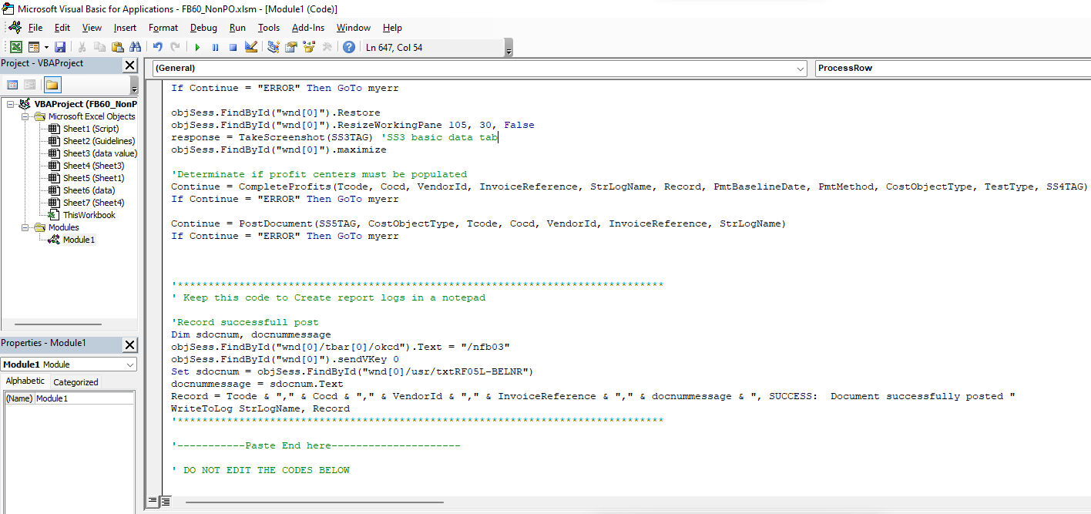

Lastly, call TakeScreenshot(tag) function anywhere needed. Add required tag inside parenthesis like what is shown.

Enable Screenshot function in Script tab to test screenshot function.

Optional: | To start from scratch, record the script you need to automate.

 | 1 | To record: Upon logging into the system, click More > click SAP GUI settings and actions > click Script Recording and Playback.

 | 2 | Change Save To depending on where you want to save it on your local drive then click Record Script button to start the recording.
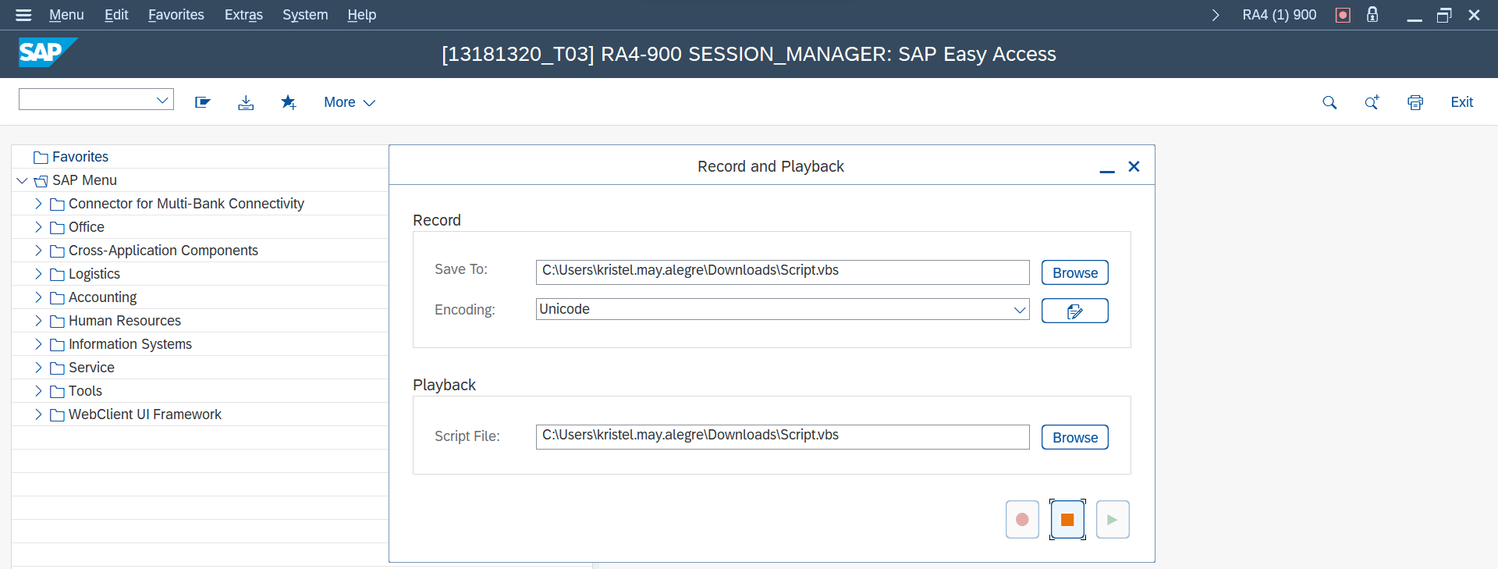

 | 3 | Proceed on the manual execution of the script that you have to automated.

 |  | Tips: | Sometimes, you have to click a specific data for you to get the screenshot you need.

 | 4 | When you're done with the script, click Stop Recording.
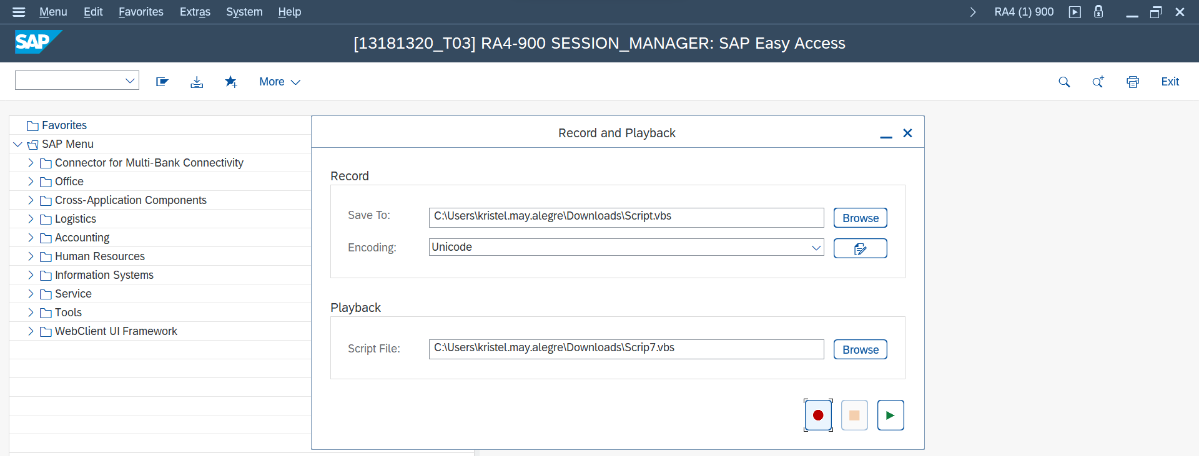

 | 5 | Go to your local drive where you saved the record.

 | 6 | Click the file > Right Click > Click Show more options > Edit with Notepad++

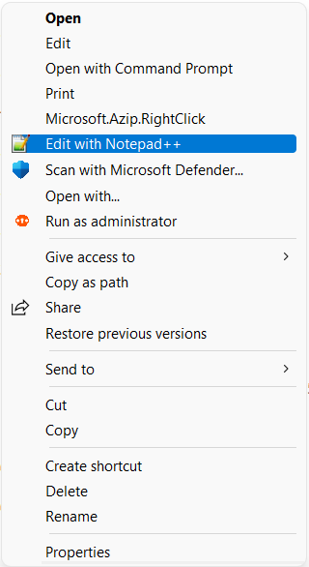

 | 7 | You are now able to see the steps/scripts you did in SAP. Edit this script and follow step 3 on A102
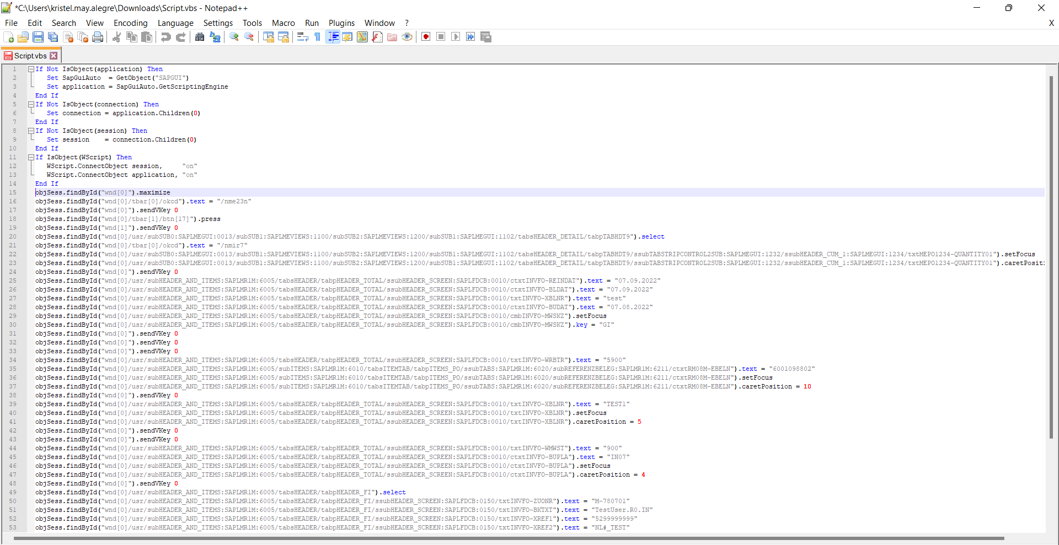

A103 | HOW TO USE THE AUTOMATION

1 | Provide all required data needed in the template
2 | Enable/ Disable Screenshot in Script Tab
3 | Provide SAP Envi+Client
4 | Click Start Script Button or any button provided to run script
 |  |  |  |  | Click this button to start script |  | Reference of the Status.
Script Description

Screenshot Enabler/ Disabler

SAP Envi + Client

No. to be process

 |  |  |  |  |  | report logs

 | If error encountered, the status will be 3 which means Error and the AT will stop.
 | Possible errors:
 | 1 | Developer mode is not yet enable. Check A101.
 | 2 | Close the MS Word template or end task using Task Manager.
 | 3 | Macro is not yet enable, reopen this file then click enable content.

H+M Set-up
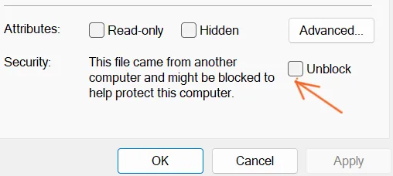
Steps on how to set up your H+M manually:
1. | Download the java installer file: | JAVA
 | Double-click the file, follow the on-screen instructions, and wait for the download and installation to complete.

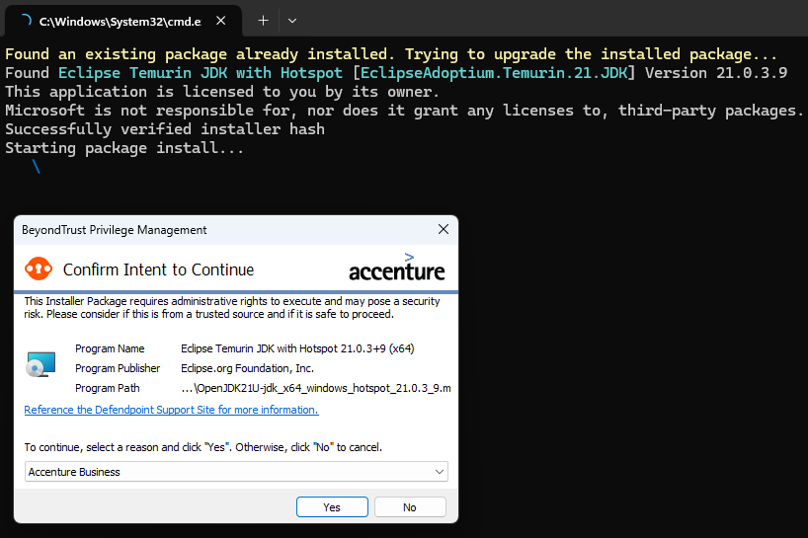

2. | Download jarfile version 1.0.10: | jarFile 1.0.10
3. | Download hnmjarFile_index: | hnmjarFile_index
4. | Create a folder named ‘HnM-Central’ in the C Drive as shown below. Place the jarfile 1.0.10 and hnmjArfile_index inside this newly created folder.

Steps on how to set uP your H+M automatically:
1. | Download the java installer file: | JAVA
 | Double-click the file, follow the on-screen instructions, and wait for the download and installation to complete. See screenshots above.
2. | Ensure that you have an active session in SAP. Run the Excel macro-enabled file. Any T-code in the script sheet will work.

 | Script will automatically create a folder (HnM-Central) and download the needed files located in the repository and transfer them to created folder.

 | In case you encountered this error upon running the script:

 | If you’re confident that Java is installed, simply close all currently open Excel files, then reopen the Excel macro-enabled file.

 | Right-click the Excel macro-enabled file, select ‘Properties,’ and then check the ‘Unblock’ option as shown below:

SAP(optional)
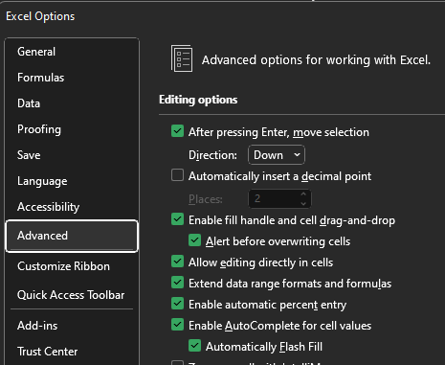
Remove prompt when executing the automation.

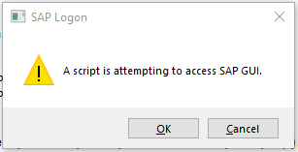

Click Options button.

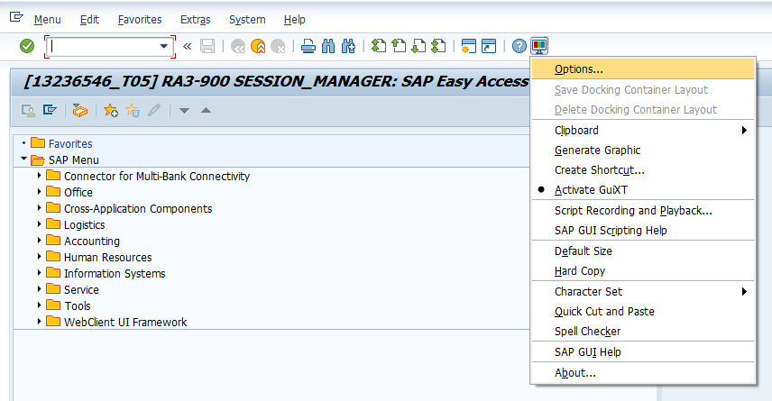
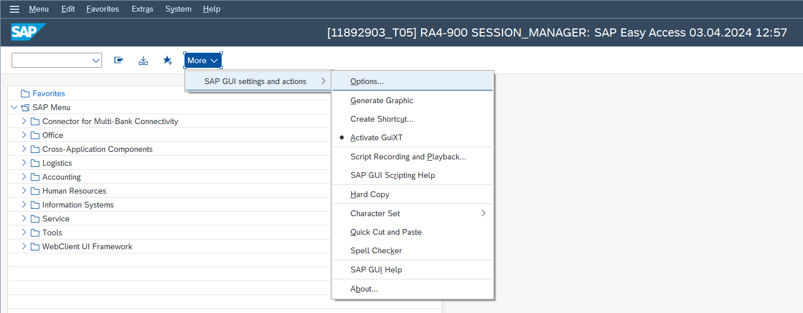

Go to Accessibility and Scripting. Untick notification box under enable scripting in SAP:

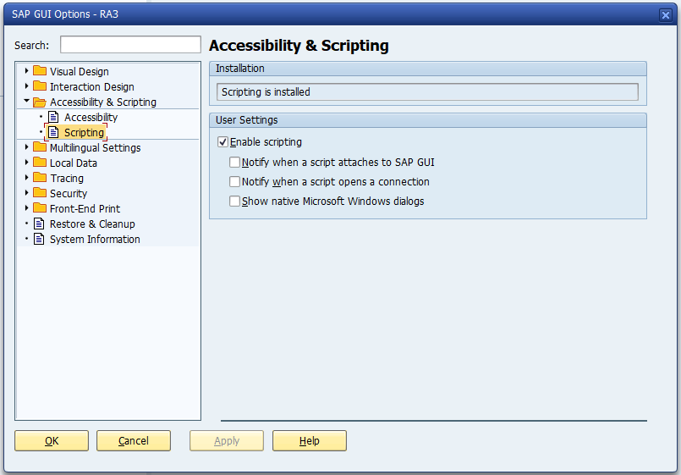
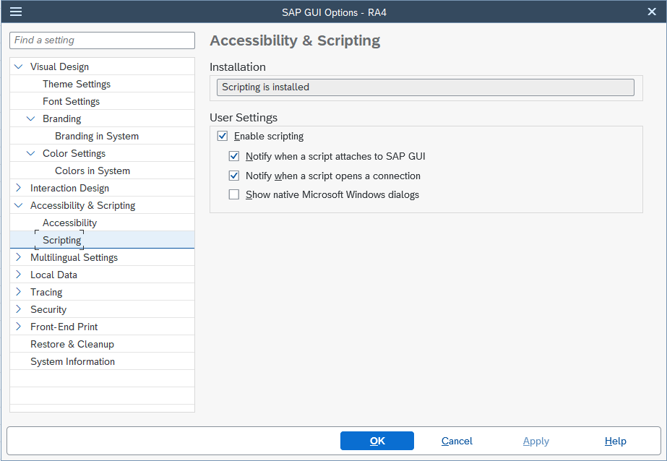

Remove autocomplete option in excel:

Go to File> Options

Click advanced

Untick enable autocomplete for cell values button.

