Solution
 | Company Name | Industry
1 | Facebook | Internet | Automotive
2 | Google | Internet | Internet
3 | BMW | Automotive | Mass media
4 | Mercedes | Automotive | Oil and gas
5 | Walmart | Retail | Retail
6 | Marks&Spencer | Retail | Telecommunications
7 | Carrefour | Retail
8 | WallStreet Journal | Mass media
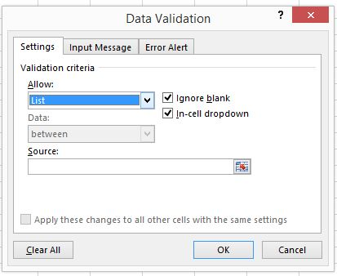
9 | T-Mobile | Telecommunications
10 | British Petrolium | Oil and gas
11 | Forbes | Mass media
12 | Royal Dutch Shell | Oil and gas
13 | Yahoo | Internet
14 | Jaguar | Automotive
15
16
17
18

