Solution
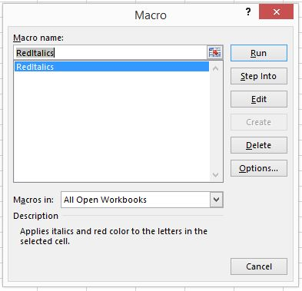
Step:
1
 | Start recording.

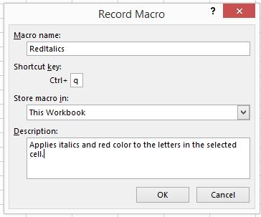
2 | Fill in the information in the following way. Next, click "OK".

3 | While recording, go to the Home tab and click on the italics button. Then select the red font color.

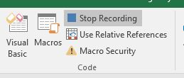
4 | Stop Recording.

5 | Type something in the sheet and then apply the new macro through the Ctrl+q combination or by going to the Developer tab and then selecting the Macros icon. Finally, you can select a certain Macro and run it.

