Instructions
Instructions to build a universal table
1 | Pick a disease name which can be a common name.
2 | Go to UniProt site http://www.uniprot.org/uniprot/.
3 | Choose Advanced search option.
4 | Select Pathology & Biotech from the dropdown list. Select Disease in its adjacent dropdown box. | 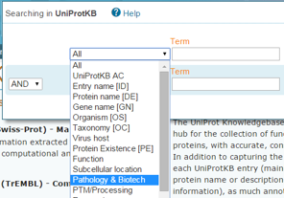
5 | Type the disease name selected in Step 1 in the Term textbox. Select Any assertion method in the Evidence dropdown box. Then, press Search button to get a list of proteins involved in this disease.
6 | Click on a protein Entry.
7 | The protein record is displayed. Go to the top of the page to get familiar with the header section.
8 | Click Names & Taxonomy from the left-hand side menu to collect some data. When collecting the Alternative names, discard the Short names. In a separate text file, combine all the alternative names in one string with a comma between any two names and copy that string to the spreadhseet. Remember to remove all the line feed or carriage return symbols.
9 | Click Sequences or any other menu item from the left-hand side menu to collect some more data.
10 | Search for the word "HGNC" on the same page. Once it is found, click this item HGNC:<ID> and collect some gene info from the HGNC website. Then, go back to UniProt page.
11 | Click Pathol/Biotech from the left-hand side menu to see what diseases that this protein is involved. Some proteins may not be involved in any other disease. | 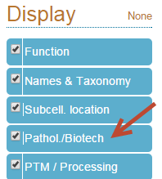
12 | For each disease that this protein is involved, record the disease name and OMIM number, which is also known as the disease or phenotype MIM number. Copy this number for future use.
13 | Go to Disease Ontology (DO) site http://disease-ontology.org.
14 | Paste the disease MIM number to the search box and click Go button.
15 | A list of DOIDs will show up. If it doesn't show any DOIDs, fill "(none)" in the appropriate cell in your spreadsheet
16 | Click on each DOID and a metadata page for that disease ID shows up. Copy the desired data to the universal table. Repeat the same steps for the second DOID. Ignore the rest DOIDs if exist.
17 | Go back to the UniProt protein record page and select the second protein entry.
18 | Repeat the above steps for as many UniProtKB protein entries as required by the project.

