Instructions
1 | Create a new worksheet called MyWork (All of your work will be done in this worksheet) (use the data from the WorkingData worksheet WITHOUT moving or copying it.)
2 | Create a table named SERVICE_TOTALS that calclulates for each service: Total times, total price, cash times, credit card times, total cash price, total credit card price, total overall price.
3 | Create a table named STYLIST_TOTALS that calclulates for each stylist: Total times, total price, total times for each service, total price of shaving between 5/10 & 5/20. | Stylist Name: | Stylist
4 | Create a block that looks like the one here at cells E2:H5. (Ensure the Stylist name is a pull-down list of their names and you've created a cell comment explaing what it is doing.) The total price should be a lookup by stylist name an return their total price from the STYLIST_TOTALS table. (XLOOKUP) | Total Price: | $-
5 | Create a pivot chart for each table. Make them look like the two to the right, but with data from each of their tables.
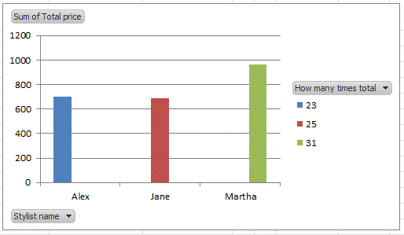
6 | Add a data bar to each cell of the Total Price column in each table.
7 | Create a block that looks like the one here at cells E2:H5. (Change Stylist to Service and allow freeform typing. Use validation to ensure that only text can be entered and you've created a cell comment explaing what it is doing.) The total price should be a lookup by service name an return its total price from the SERVICE_TOTALS table. (XLOOKUP)
8 | Sort each table ascending by total price.

9 | Protect the worksheet from editing or selecting anything but the user input cells from questions 4 & 8 as well as ensuring the table filters and pivot charts sare still accessible by the user to work with.
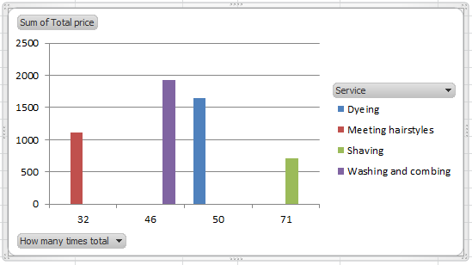
10 | Create a .csv file of the WorkingData sheet.
11 | BONUS!: Using pivot tables/charts/slicers, produce better results than questions 2, 3, 5, 6, & 8.

MyWork
 |  |  |  | Stylist Name: | Jane
 |  |  |  | Total Price: | $889.00
 |  |  |  | Service Name: | Washing and Combing
 |  |  |  | Total Price: | $60.00

SERVICE | TOTAL_TIMES | TOTAL_PRICE | CASH_TIMES | CREDIT_CARD_TIMES | TOTAL_CASH_PRICE | TOTAL_CREDIT_CARD_PRICE | TOTAL_OVERALL_PRICE
Kids | 9 | $3.00 | 6 | 3 | $18.00 | $9.00 | $21.00
Shaving | 71 | $7.00 | 42 | 29 | $294.00 | $203.00 | $497.00
Dyeing | 50 | $33.00 | 35 | 15 | $1,155.00 | $495.00 | $1,650.00
Meeting Hairstyles | 32 | $33.00 | 21 | 11 | $693.00 | $363.00 | $1,056.00
Washing and Combing | 46 | $60.00 | 31 | 15 | $1,860.00 | $900.00 | $1,875.00
All Service | 18 | $67.00 | 13 | 5 | $871.00 | $335.00 | $876.00

Stylist | TOTAL_TIMES | TOTAL_PRICE | TOTAL_SHAVING | TOTAL_WASHINGANDCOMBING | TOTAL_DYEING | TOTAL_ALLSERVICE | TOTAL_MEETINGHAIRSTYLES | TOTAL_KIDS | TOTAL_PRICE_OF_SHAVING_BETWEEN_5/10_&_5/20
Alex | 23 | $596.00 | 5 | 7 | 4 | 1 | 5 | 1 | $28.00
Rachel | 55 | $1,238.00 | 18 | 10 | 11 | 8 | 7 | 1 | $42.00
Ashley | 29 | $731.00 | 15 | 2 | 5 | 2 | 4 | 3 | $35.00
Jane | 25 | $889.00 | 7 | 7 | 6 | 1 | 3 | 1 | $21.00
Sandy | 36 | $782.00 | 10 | 7 | 10 | 2 | 4 | 1 | $42.00
Martha | 31 | $849.00 | 8 | 5 | 9 | 2 | 6 | 1 | $14.00
Lucy | 27 | $558.00 | 8 | 8 | 5 | 2 | 3 | 1 | $28.00
 | All Service | Dyeing | Kids | Meeting Hairstyles | Shaving | Washing and Combing
9 |  |  | 3
18 | 67
32 |  |  |  | 33
46 |  |  |  |  |  | 60
50 |  | 33
71 |  |  |  |  | 7

Sum of TOTAL_PRICE | Column Labels
Row Labels | All Service | Dyeing | Kids | Meeting Hairstyles | Shaving | Washing and Combing | Grand Total
9 |  |  | 3 |  |  |  | 3
18 | 67 |  |  |  |  |  | 67
32 |  |  |  | 33 |  |  | 33
46 |  |  |  |  |  | 60 | 60
50 |  | 33 |  |  |  |  | 33
71 |  |  |  |  | 7 |  | 7
Grand Total | 67 | 33 | 3 | 33 | 7 | 60 | 203

 | 23 | 25 | 27 | 29 | 31 | 36 | 55
Alex | 822
Ashley |  |  |  | 665
Jane |  | 901
Lucy |  |  | 937
Martha |  |  |  |  | 988
Rachel |  |  |  |  |  |  | 1859
Sandy |  |  |  |  |  | 1089
Sum of TOTAL_PRICE | Column Labels
Row Labels | 23 | 25 | 27 | 29 | 31 | 36 | 55 | Grand Total
Alex | 822 |  |  |  |  |  |  | 822
Ashley |  |  |  | 665 |  |  |  | 665
Jane |  | 901 |  |  |  |  |  | 901
Lucy |  |  | 937 |  |  |  |  | 937
Martha |  |  |  |  | 988 |  |  | 988
Rachel |  |  |  |  |  |  | 1859 | 1859
Sandy |  |  |  |  |  | 1089 |  | 1089
Grand Total | 822 | 901 | 937 | 665 | 988 | 1089 | 1859 | 7261

