FD
https://en.wikipedia.org/wiki/File_descriptor
EventDescription |  |  |  |  |  | Operations | Prefix | #define
- | event table | et | 3 bit | Operations | event table | READ | ET | ET_READ | 0b001
- | peripheral table | pt | 5 bit | Peripherals |  | WRITE | ET | ET_WRITE | 0b010
 |  |  |  |  |  | RECV | ET | ET_RECV | 0b011
 |  |  |  |  |  | SEND | ET | ET_SEND | 0b100
typedef struct { |  |  | et | ep
struct |  |  | 3 bit | 5 bit
{ |  |  | (et << 5) | ep
uint8_t et : 3; // event table |  |  |  |  |  | Peripherals | Prefix | #define
uint8_t pt : 5; // peripheral table |  |  |  |  | peripheral table | GPIO | PT | PT_GPIO | 0b00001
} events, // requested events |  |  |  |  |  | ADC | PT | PT_ADC | 0b00010
revents; // returned events |  |  |  |  |  | PWM | PT | PT_PWM | 0b00011
} EventDescription; |  |  |  |  |  |  |  | _
 |  |  |  |  |  | UART | PT | PT_UART | 0b10001
 |  |  |  |  |  | SPI | PT | PT_SPI | 0b10010
 |  |  |  |  |  | I2C | PT | PT_I2C | 0b10011
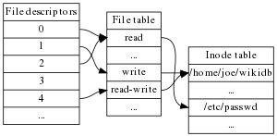
 |  |  |  |  |  | USB | PT | PT_USB | 0b10100

