Topology
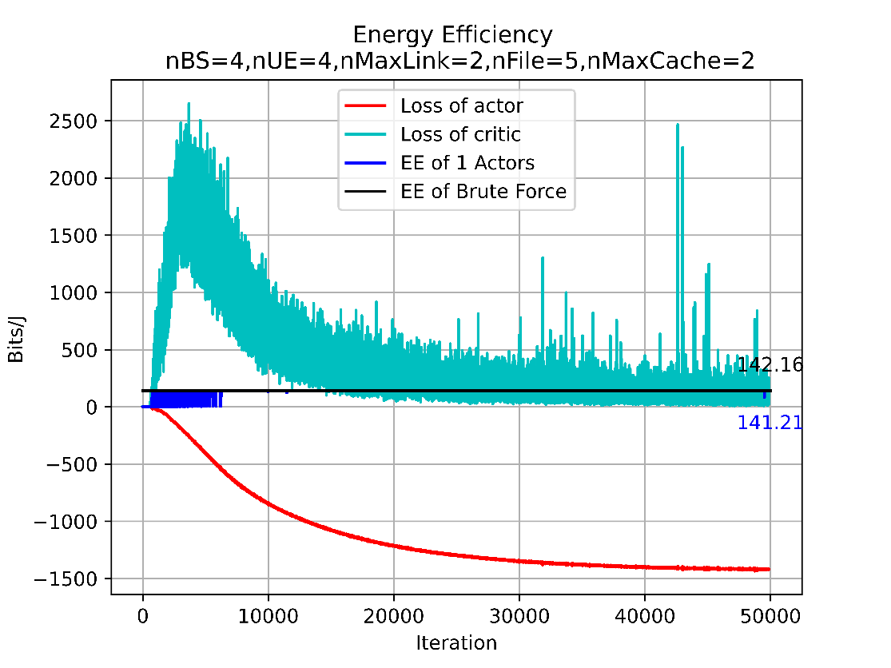
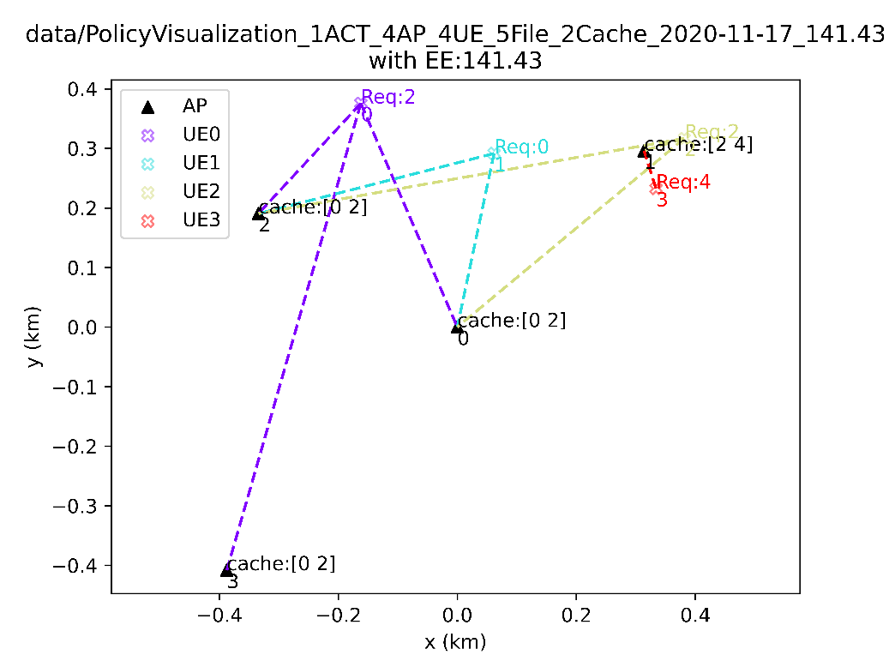
#AP | #UE | #File | #cache | h | UE position | UE preference | UE Request | Observation | RL Best EE in EV phase | Optimal EE
4 | 4 | 5 | 2 | fixed | fixed | fixed | fixed | [s1] SINR clustering_state caching_state reqStatistic_norm | 141.21 | 142.16
4 | 4 | 5 | 2 | fixed | fixed | fixed | fixed | [s2] g.real g.imag clustering_state caching_state reqStatistic_norm Req | 132.92 | 142.16
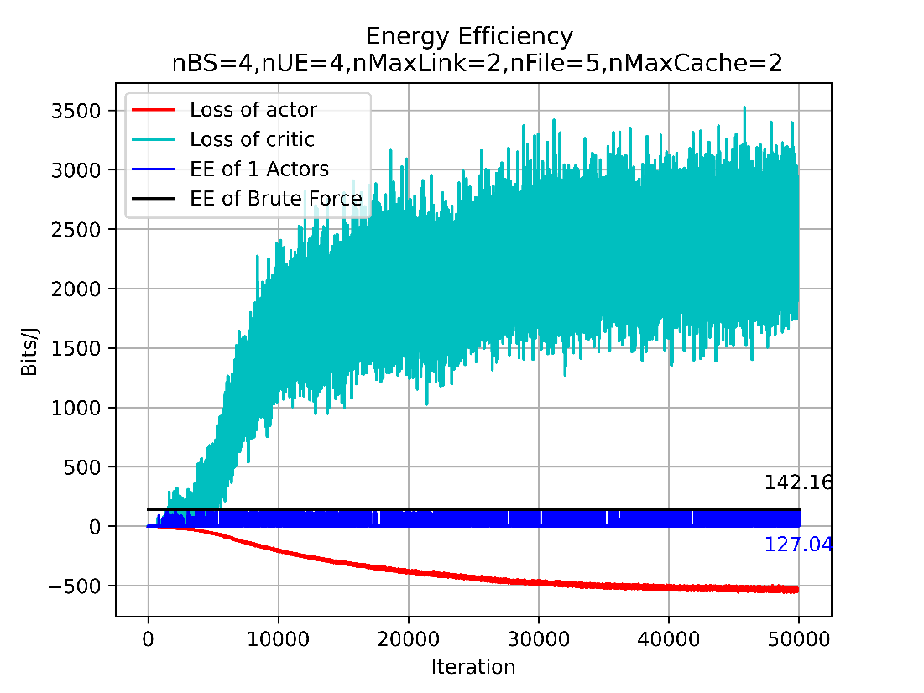
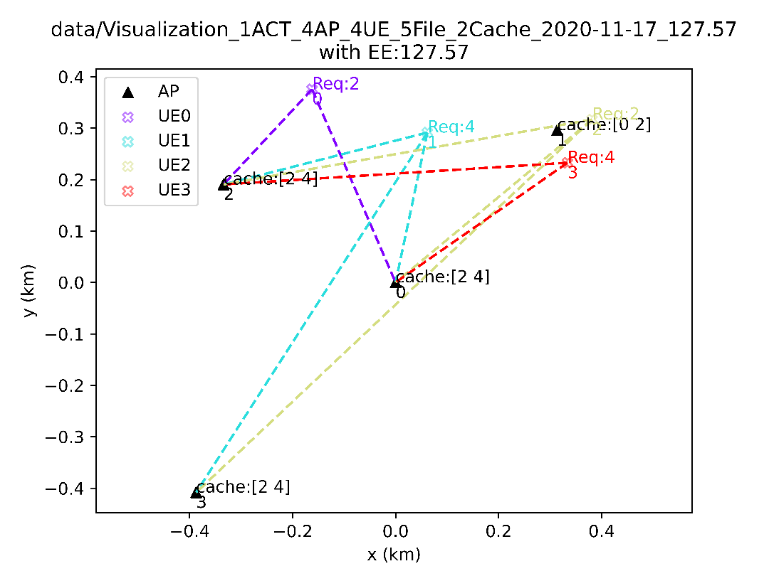
4 | 4 | 5 | 2 | fixed | fixed | fixed | fixed | [3] clustering_state caching_state reqStatistic_norm Req | 132.92 | 142.16
4 | 4 | 5 | 2 | fixed | fixed | fixed | Change/30 Itr | [s1] SINR clustering_state caching_state reqStatistic_norm Req | 127.57 | 142.16
40 | 10 | 5 | 2 | fixed | fixed | fixed | fixed | [3] clustering_state caching_state reqStatistic_norm Req
400 | 100 | 5 | 2 | fixed | fixed | fixed | fixed

10.4.L.5.2
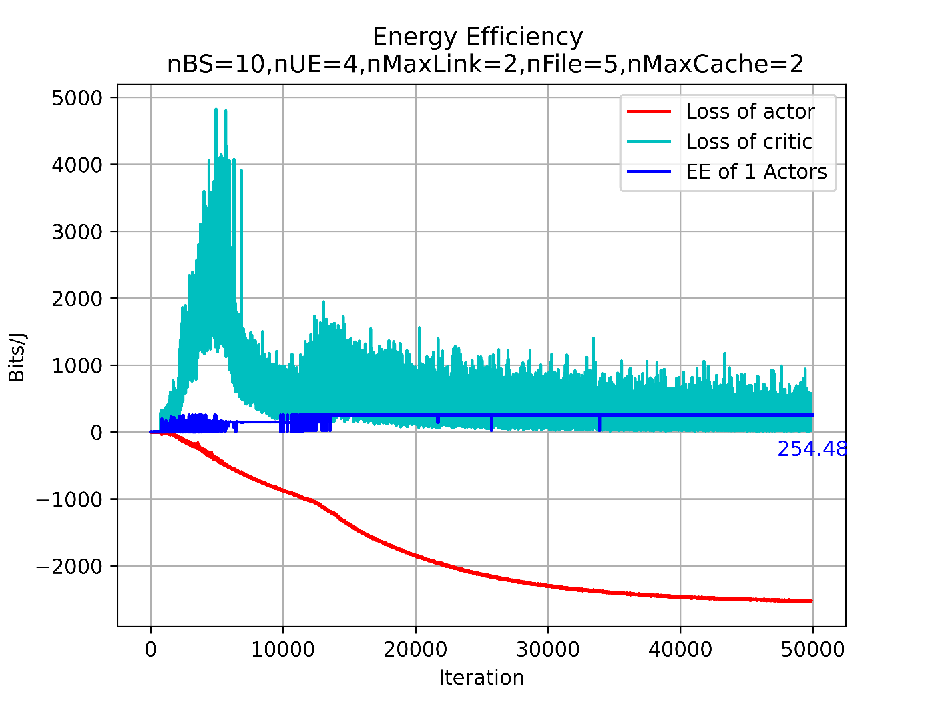
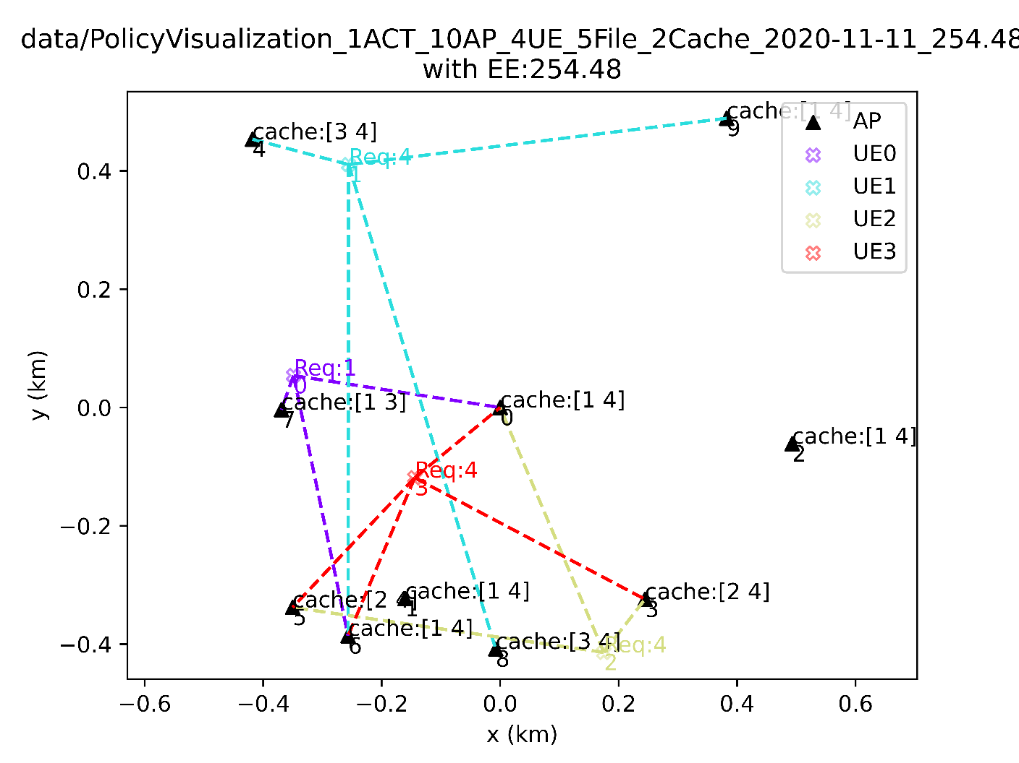
RL vs SNR-based Clustering+Popularity-Based Caching (10.4.L.5.2)
L | nctc_EE(cacheMode='pref') | nctc_EE(cacheMode='req') | RL
1 | 0.022367576663 | 0.24604334329 | 254.48
2 | 0.24582492201 | 3.9331987522 | 254.48
3 | 0.75350985795 | 15.823707017 | 254.48
4 | 2.7532818693 | 71.585328601 | 254.48
5 | 2.7532818693 | 71.585328601 | 254.48
6 | 2.7532818693 | 71.585328601 | 254.48
7 | 2.7532818693 | 71.585328601 | 254.48
8 | 2.7532818693 | 71.585328601 | 254.48
9 | 2.7532818693 | 71.585328601 | 254.48
10 | 2.7532818693 | 71.585328601 | 254.48

40.10.L.5.2
RL vs SNR-based Clustering+Popularity-Based Caching (40.10.L.5.2)
L | nctc_EE(cacheMode='pref') | nctc_EE(cacheMode='req') | RL
1 | 2.9052675731 | 8.0932453822 | 6.33
2 | 1.5930827092 | 2.9987439233 | 6.33
3 | 0.35255113289 | 0.50193720614 | 6.33
4 | 0.62734237562 | 0.98468929844 | 6.33
5 | 1.1969655758 | 1.559682417 | 6.33
6 | 1.1716717914 | 1.4178213274 | 6.33
7 | 1.1281911545 | 1.4228679486 | 6.33
8 | 1.1099557102 | 1.3129963889 | 6.33
9 | 0.9412185487 | 1.1352842288 | 6.33
10 | 0.8345606497 | 1.0250996108 | 6.33
11 | 0.8345606497 | 1.0250996108 | 6.33
12 | 0.8345606497 | 1.0250996108 | 6.33
13 | 0.8345606497 | 1.0250996108 | 6.33
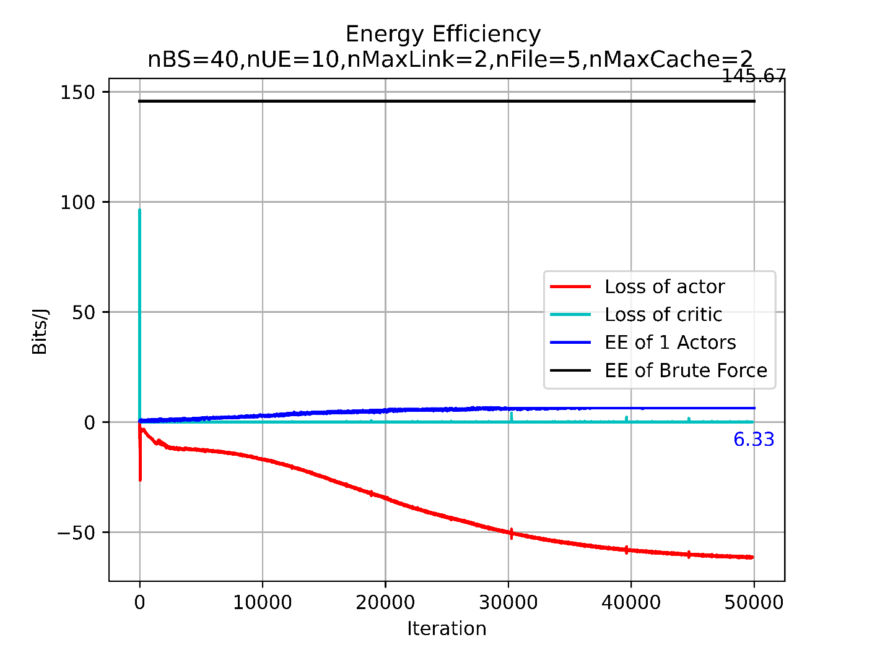
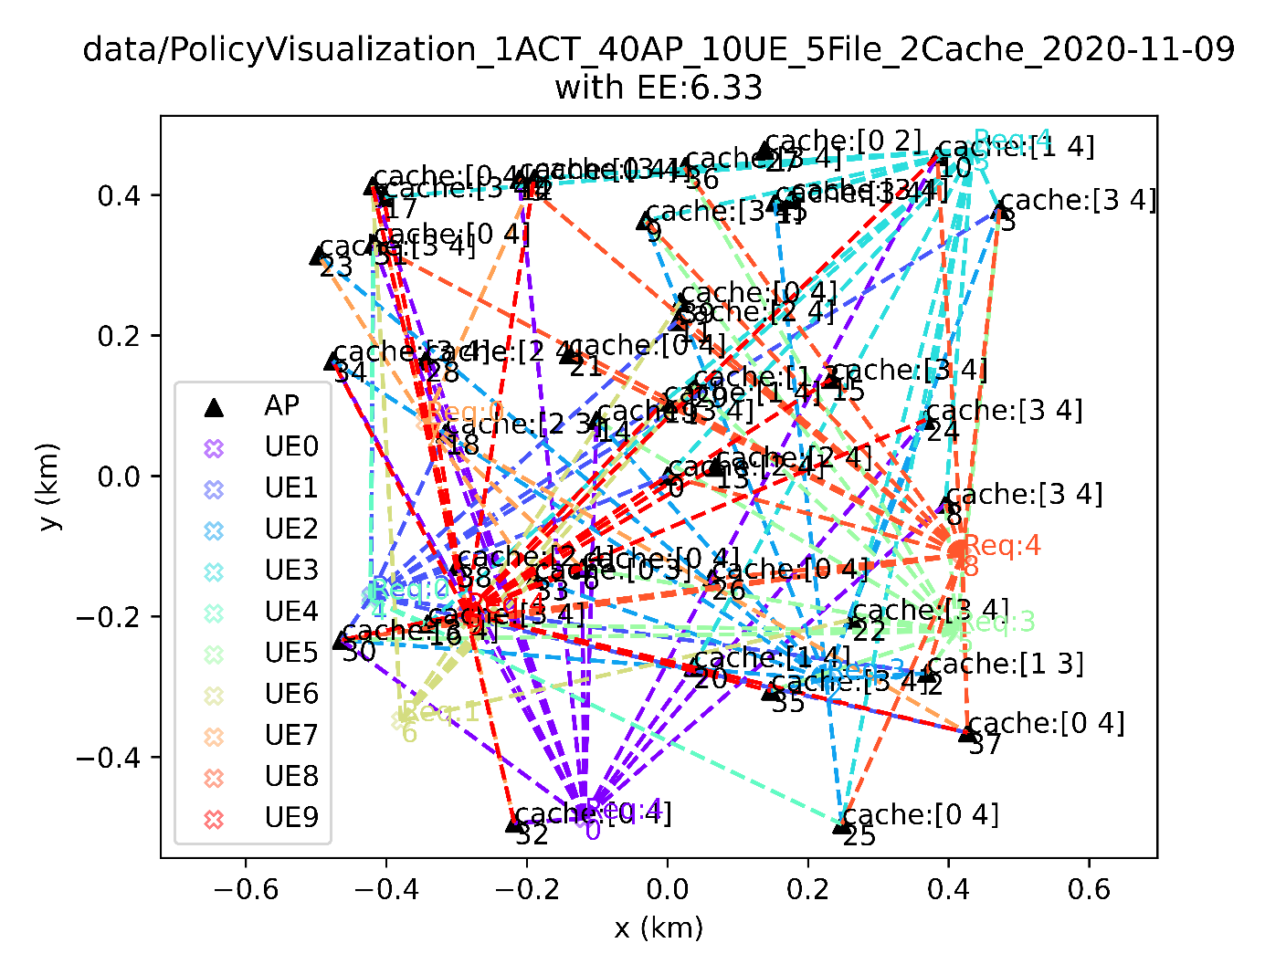
14 | 0.8345606497 | 1.0250996108 | 6.33
15 | 0.8345606497 | 1.0250996108 | 6.33
16 | 0.8345606497 | 1.0250996108 | 6.33
17 | 0.8345606497 | 1.0250996108 | 6.33
18 | 0.8345606497 | 1.0250996108 | 6.33
19 | 0.8345606497 | 1.0250996108 | 6.33
20 | 0.8345606497 | 1.0250996108 | 6.33
21 | 0.8345606497 | 1.0250996108 | 6.33
22 | 0.8345606497 | 1.0250996108 | 6.33
23 | 0.8345606497 | 1.0250996108 | 6.33
24 | 0.8345606497 | 1.0250996108 | 6.33
25 | 0.8345606497 | 1.0250996108 | 6.33
26 | 0.8345606497 | 1.0250996108 | 6.33
27 | 0.8345606497 | 1.0250996108 | 6.33
28 | 0.8345606497 | 1.0250996108 | 6.33
29 | 0.8345606497 | 1.0250996108 | 6.33
30 | 0.8345606497 | 1.0250996108 | 6.33
31 | 0.8345606497 | 1.0250996108 | 6.33
32 | 0.8345606497 | 1.0250996108 | 6.33
33 | 0.8345606497 | 1.0250996108 | 6.33
34 | 0.8345606497 | 1.0250996108 | 6.33
35 | 0.8345606497 | 1.0250996108 | 6.33
36 | 0.8345606497 | 1.0250996108 | 6.33
37 | 0.8345606497 | 1.0250996108 | 6.33
38 | 0.8345606497 | 1.0250996108 | 6.33
39 | 0.8345606497 | 1.0250996108 | 6.33
40 | 0.8345606497 | 1.0250996108 | 6.33

