Topology
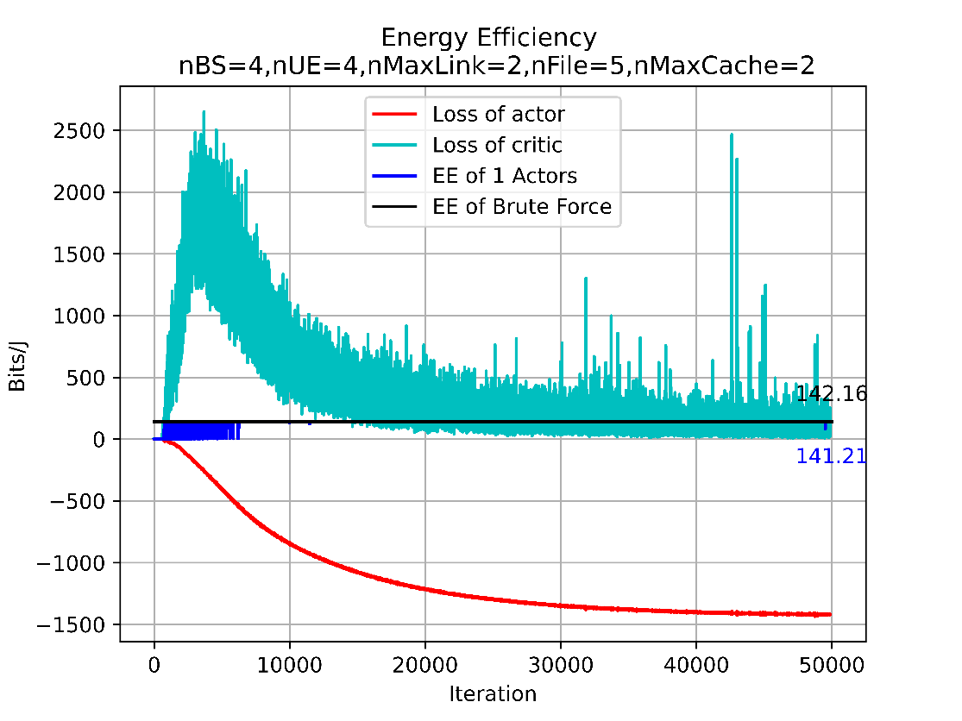
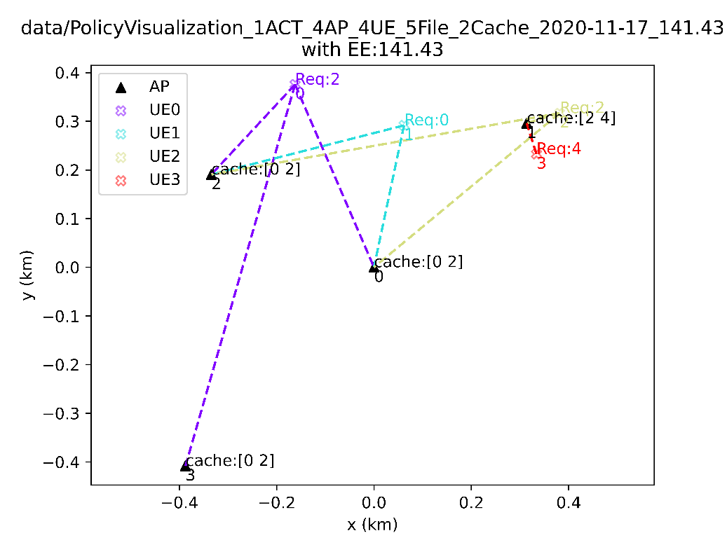
#AP | #UE | #File | #cache | h | UE position | UE preference | UE Request | Observation | RL Best EE in EV phase | Optimal EE
4 | 4 | 5 | 2 | fixed | fixed | fixed | fixed | [s1] SINR clustering_state caching_state reqStatistic_norm | 141.21 | 142.16
4 | 4 | 5 | 2 | fixed | fixed | fixed | fixed | [s2] g.real g.imag clustering_state caching_state reqStatistic_norm Req | 132.92 | 142.16
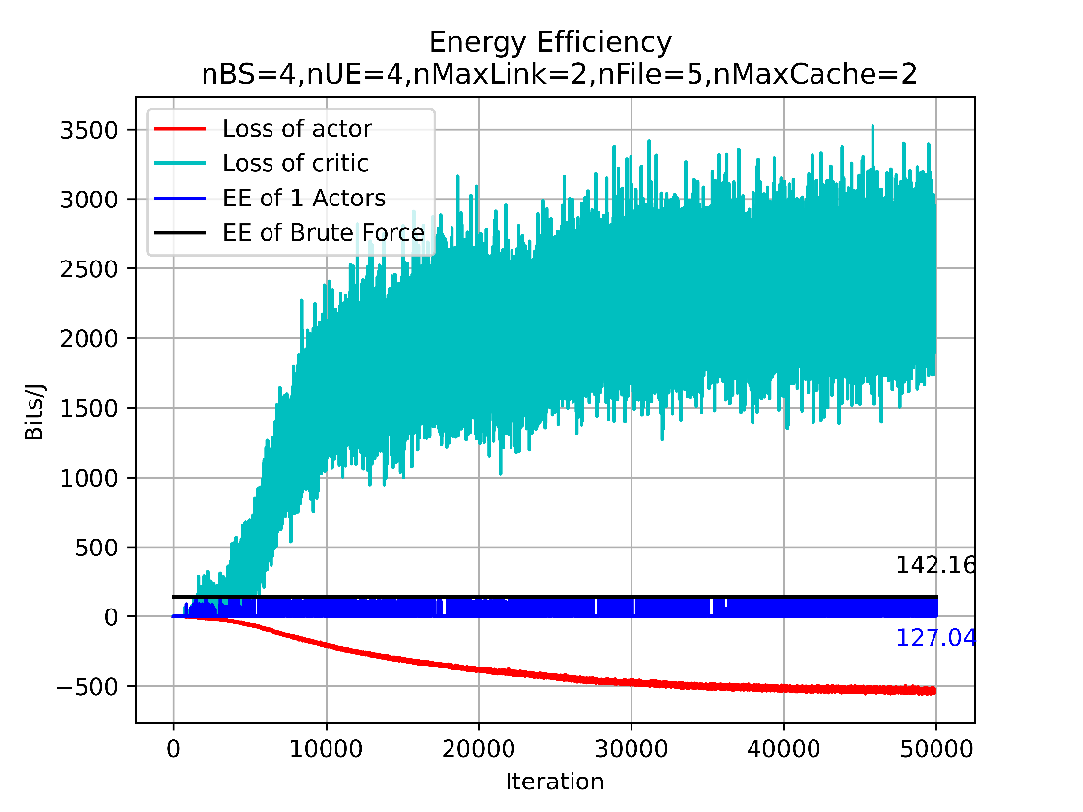
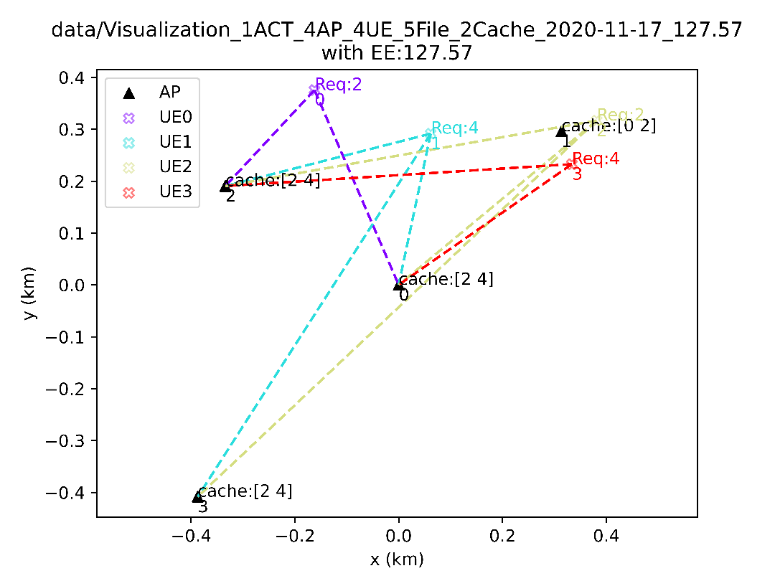
4 | 4 | 5 | 2 | fixed | fixed | fixed | fixed | [3] clustering_state caching_state reqStatistic_norm Req | 132.92 | 142.16
4 | 4 | 5 | 2 | fixed | fixed | fixed | Change/30 Itr | [s1] SINR clustering_state caching_state reqStatistic_norm Req | 127.57 | 142.16
40 | 10 | 5 | 2 | fixed | fixed | fixed | fixed | [3] clustering_state caching_state reqStatistic_norm Req
400 | 100 | 5 | 2 | fixed | fixed | fixed | fixed

10.4.L.5.2
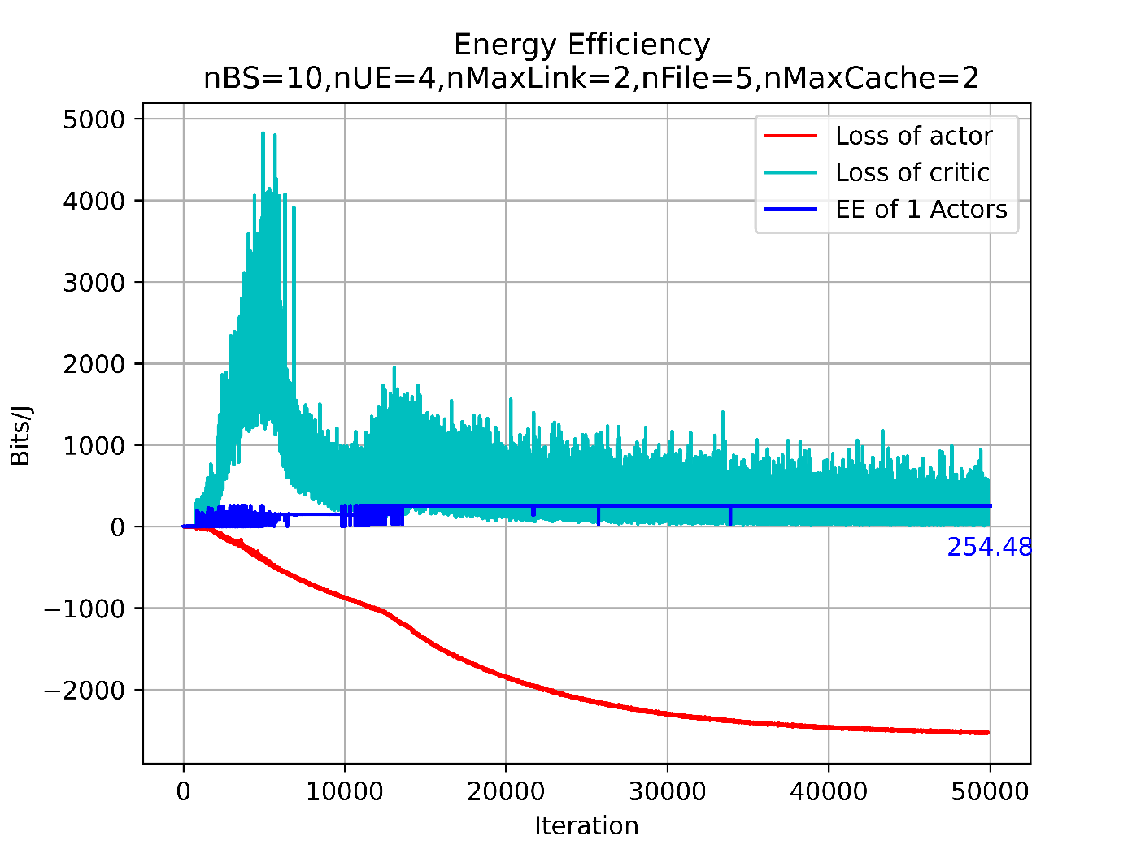
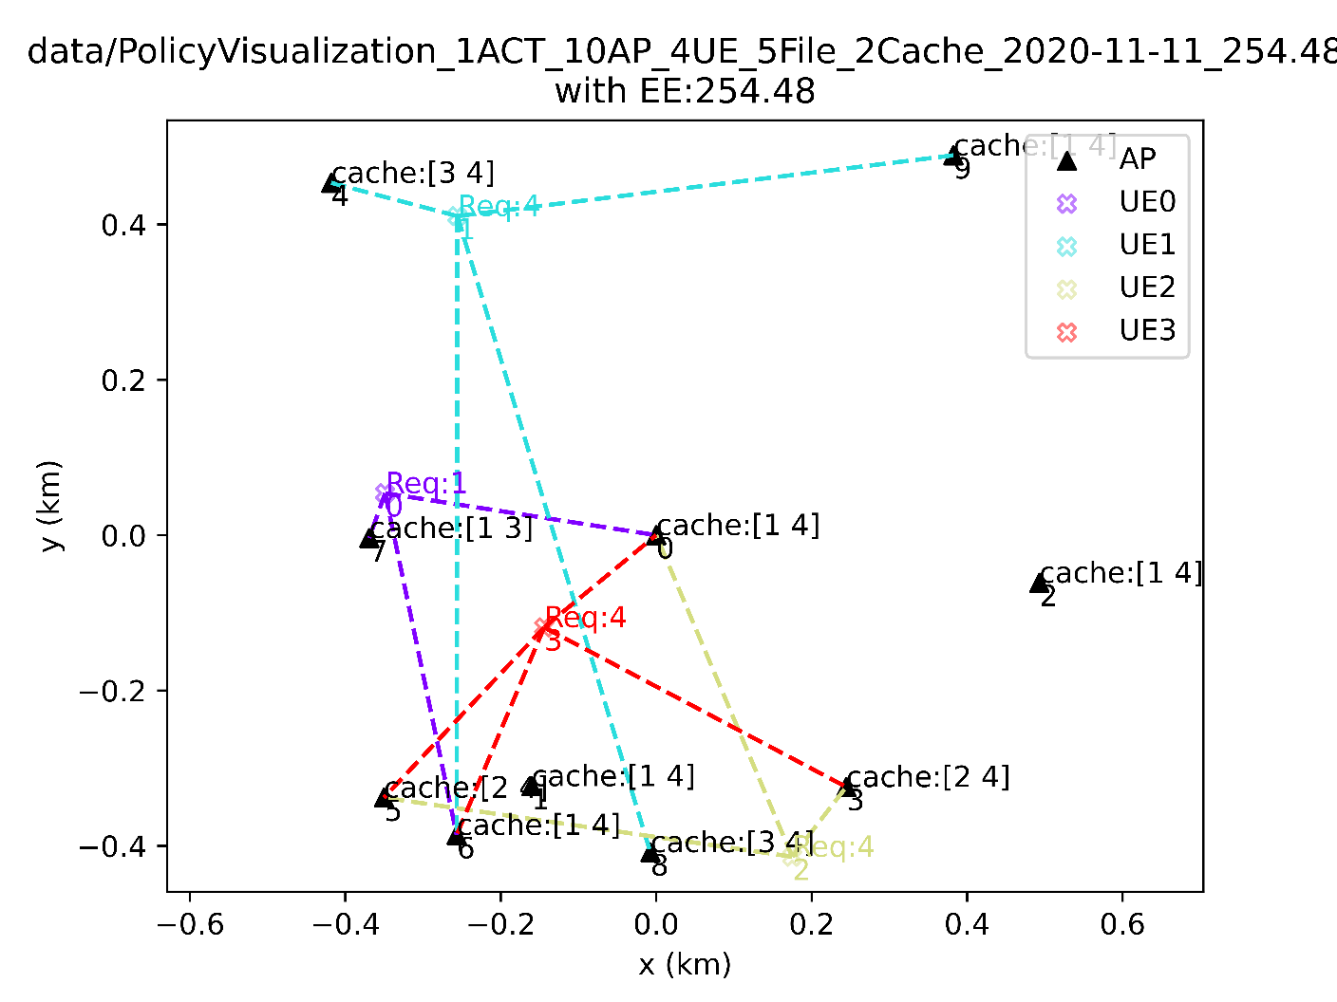
RL vs SNR-based Clustering+Popularity-Based Caching (10.4.L.5.2)
L | nctc_EE(cacheMode='pref') | nctc_EE(cacheMode='req') | RL
1 | 31.600636862 | 347.60700548 | 254.48
2 | 15.280563458 | 244.48901532 | 254.48
3 | 9.6395710101 | 250.62884626 | 254.48
4 | 9.9160808903 | 257.81810315 | 254.48
5 | 7.3056261221 | 263.0025404 | 254.48
6 | 7.1855131421 | 258.67847312 | 254.48
7 | 8.4611040894 | 262.29422677 | 254.48
8 | 7.2922980822 | 262.52273096 | 254.48
9 | 5.719075973 | 263.07749476 | 254.48
10 | 4.6992314371 | 263.15696048 | 254.48

40.10.L.5.2
RL vs SNR-based Clustering+Popularity-Based Caching (40.10.L.5.2)
L | nctc_EE(cacheMode='pref') | nctc_EE(cacheMode='req') | RL
1 | 50.278647508 | 301.67188505 | 6.33
2 | 30.844468359 | 30.844468359 | 6.33
3 | 9.5973953606 | 15.242922043 | 6.33
4 | 7.906067124 | 12.746516384 | 6.33
5 | 6.8843306684 | 13.896148942 | 6.33
6 | 6.6817721569 | 12.910542812 | 6.33
7 | 6.1665863355 | 11.081981241 | 6.33
8 | 5.0150188549 | 9.194201234 | 6.33
9 | 4.6091287346 | 8.2866250654 | 6.33
10 | 4.0534044602 | 6.7201179209 | 6.33
11 | 3.6945347492 | 5.5550918171 | 6.33
12 | 3.2952933489 | 5.1751586822 | 6.33
13 | 3.0518494586 | 4.454998635 | 6.33
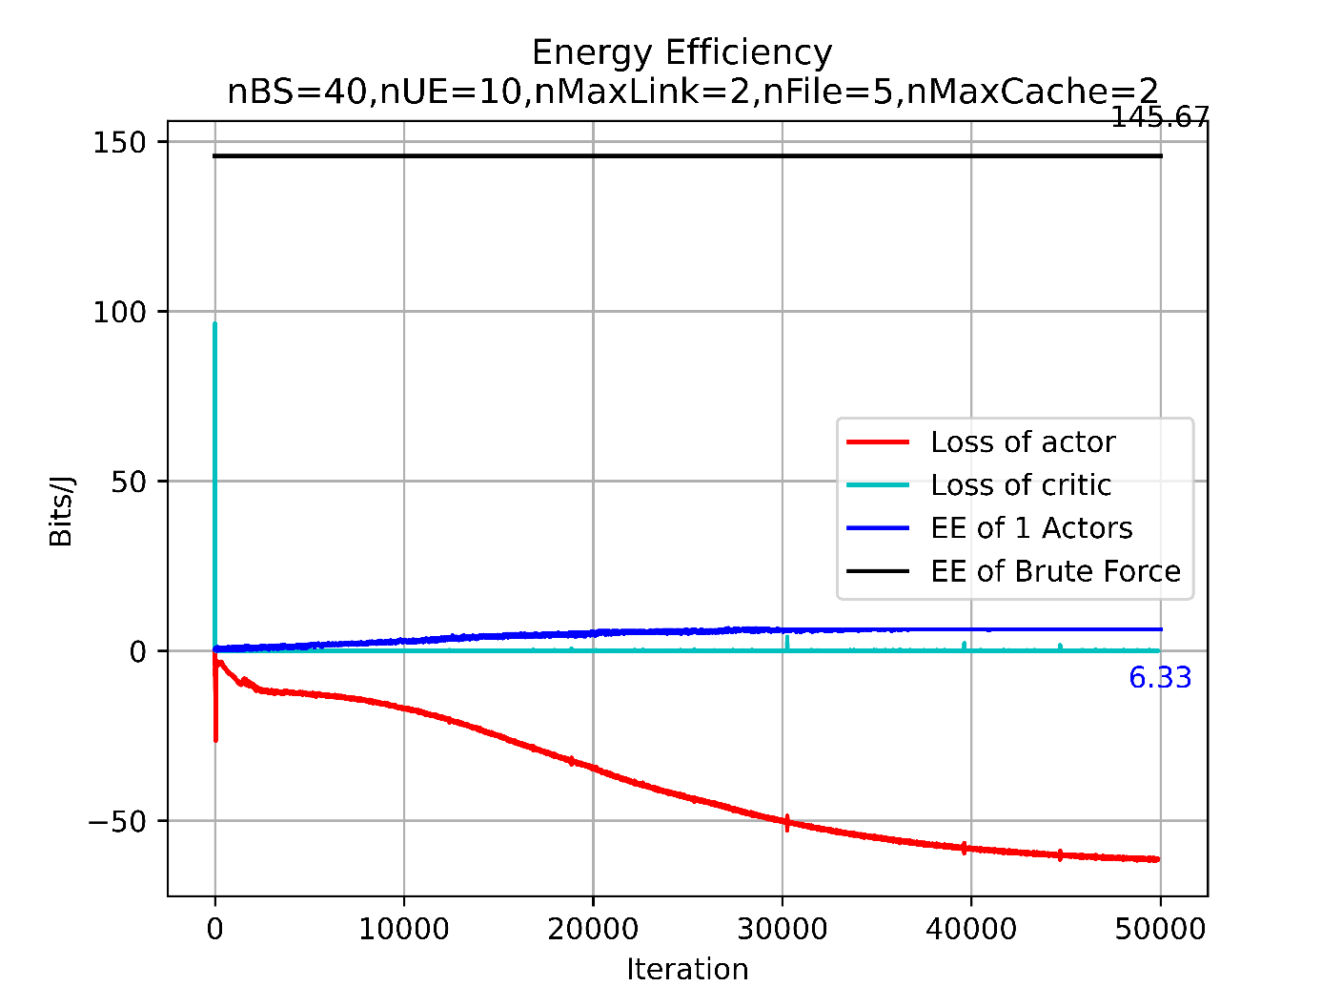
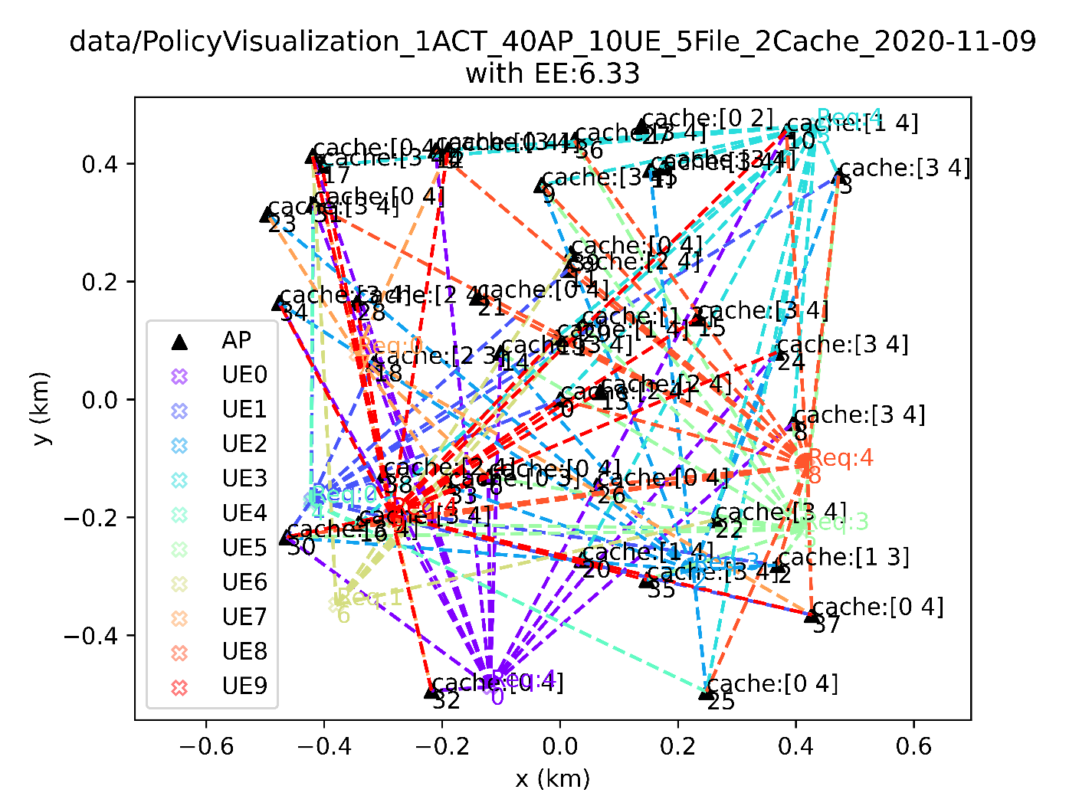
14 | 2.9381450056 | 3.99830042 | 6.33
15 | 2.8354864502 | 3.6304826512 | 6.33
16 | 2.8626671529 | 3.6469595236 | 6.33
17 | 2.8101611903 | 3.4106229832 | 6.33
18 | 2.6759108986 | 3.2132424043 | 6.33
19 | 2.5500580594 | 2.9766476976 | 6.33
20 | 2.5524523852 | 2.8220776372 | 6.33
21 | 2.4760421567 | 2.7286995196 | 6.33
22 | 2.3703869528 | 2.6005216084 | 6.33
23 | 2.3065365505 | 2.4467515384 | 6.33
24 | 2.0992146152 | 2.3097375709 | 6.33
25 | 2.0733585208 | 2.2157595181 | 6.33
26 | 1.997881146 | 2.1581389919 | 6.33
27 | 1.8606218801 | 2.0238343258 | 6.33
28 | 1.7991685358 | 1.9052515862 | 6.33
29 | 1.686794668 | 1.7796798369 | 6.33
30 | 1.6196532427 | 1.7232557955 | 6.33
31 | 1.5728308158 | 1.6532413892 | 6.33
32 | 1.5585491674 | 1.6049345593 | 6.33
33 | 1.5150528169 | 1.5439660386 | 6.33
34 | 1.4606305238 | 1.5153357869 | 6.33
35 | 1.4349771103 | 1.4608792242 | 6.33
36 | 1.3979354369 | 1.4225037222 | 6.33
37 | 1.3626536676 | 1.374221186 | 6.33
38 | 1.3401173129 | 1.3401173129 | 6.33
39 | 1.3183104277 | 1.3183104277 | 6.33
40 | 1.3076775245 | 1.3076775245 | 6.33

