Set up Report
You should only change the parts highlighted in Yellow.

Hazel Learning Zone | this will change some colour elements in the report
July 2025
Mr McLean | teacher's name

Annual Report to Families
Dear Families,

It’s a pleasure to share this annual report celebrating
journey at WFA for 2024–25. This year has been rich in learning and connection—from celebrating Diwali and Eid to deepening inclusive practice through Black History Month and anti-prejudice work. We’ve also strengthened wellbeing support with a dedicated Mental Health Practitioner, and learners have thrived through science, oracy, and leadership experiences. The report highlights
achievements and next steps—I hope it offers a meaningful opportunity to celebrate their progress.

If you have any questions, please don’t hesitate to contact us to arrange a conversation with Mr McLean.
Warm regards,
Charlotte Black (Principal)

Learner's attainment is based on the expectations for their year group and is assessed in the following ways:
GD - Greater Depth | Learners who have achieved the age-related standard for their year group and in some aspects have been learning at greater depth.
O - On Track | Learners who have achieved the age-related standard.
Y - Yet to be on track | Learners who have not yet achieved the age-related standard and are having additional support and provision to develop their skills.
A - At an earlier stage | Learners who are below the age-related standard for their year group and still have gaps within the curriculum from a previous year group. For example, A-2 means the learner is working within the Year 2 curriculum.
(A - Year Group)

as an Author and a Mathematician

Being a reader
Being a writer
Being a mathematician

My time in

as a learner:

​ | Attendance​ | Punctuality​
Exceptional​ | Attendance is 99% or higher​ | Always in school on time​
Expected​ | Attendance is 96% or higher​ | Very rarely late to school​
Below Expected​ | Attendance falls below 96%​ | Frequently late to school​
Cause for Concern​ | Attendance is below 90%​ | Persistently late to school​

​ | Attendance​ | Punctuality​ (late #)
Exceptional​ | 99 | 0
Expected​ | 96 | 2
Below Expected​ | 96 | 7
Cause for Concern​ | 90 | 8

Enquiries

Use this page to help your child remember the enquiries they have learnt about this year.

 |  |  | 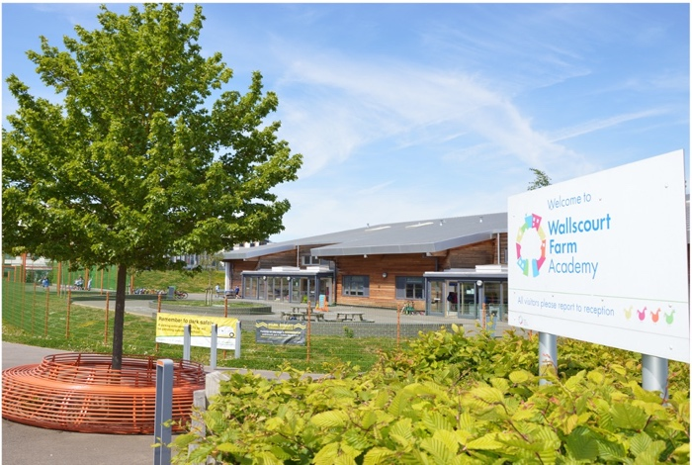

As we approach the end of the academic year, I am pleased to share with you
annual report for 2022-23. This gives an overview of
achievements this year, as well as some indications for things they need to continue to develop in the year ahead. I hope that you find its contents informative, and that you enjoy the opportunity to celebrate the progress made.

