Net zero emissions
Climate Action Tracker: | Share of GHG emissions covered by countries that have adopted or announced net zero emission targets (agreed in law, as part of an initiative, or under discussion). Compilation based on Net Zero Tracker (2022) and WRI (2022) as of 8 September 2022 complemented by CAT analysis. The compilation includes countries that have joined the Climate Ambition Alliance announced at COP25. Emissions data excluding LULUCF for 2019 taken from PRIMAP emissions database (Gütschow et al., 2021).

Date Published: | 21-Sep-2022
Climate Action Tracker Data: | Do not redistribute without prior permission of the Climate Action Tracker team. Any reproduction of this data in graphical or numerical format must include credit to the Climate Action Tracker project.
 | For further details on methodology, please see the Climate Action Tracker website:
 | climateactiontracker.org/global/cat-net-zero-target-evaluations

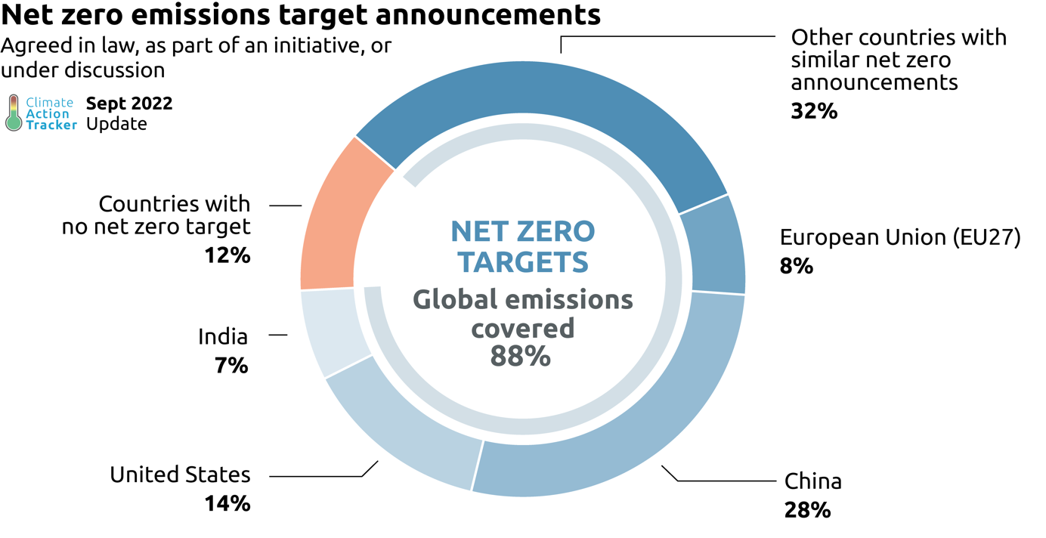
Total Emissions share (%) | Total Emissions share (%)
Other countries with similar net zero announcements | 32%
European Union (EU27) | 8%
China | 28%
United States | 14%
India | 7%
Countries with no net zero target | 12%
Total with net zero targets | 89%

Copyright © 2022 by Climate Analytics and NewClimate Institute. All rights reserved.
The content provided by this website is protected by copyright. You are authorised to view, the copyrighted content from this website subject to the following condition: Any reproduction, in full or in part, must credit Climate Analytics and NewClimate Institute and must include a copyright notice.

Net zero emissions with rating
Climate Action Tracker: | Share of global GHG emissions by Climate Action Tracker’s headline evaluation for announced net zero targets as of September 2022. Emissions data excluding LULUCF for 2019 taken from PRIMAP emissions database (Gütschow et al., 2021).

Date Published: | 21-Sep-2022
Climate Action Tracker Data: | Do not redistribute without prior permission of the Climate Action Tracker team. Any reproduction of this data in graphical or numerical format must include credit to the Climate Action Tracker project.
 | For further details on methodology, please see the Climate Action Tracker website:
 | climateactiontracker.org/global/cat-net-zero-target-evaluations

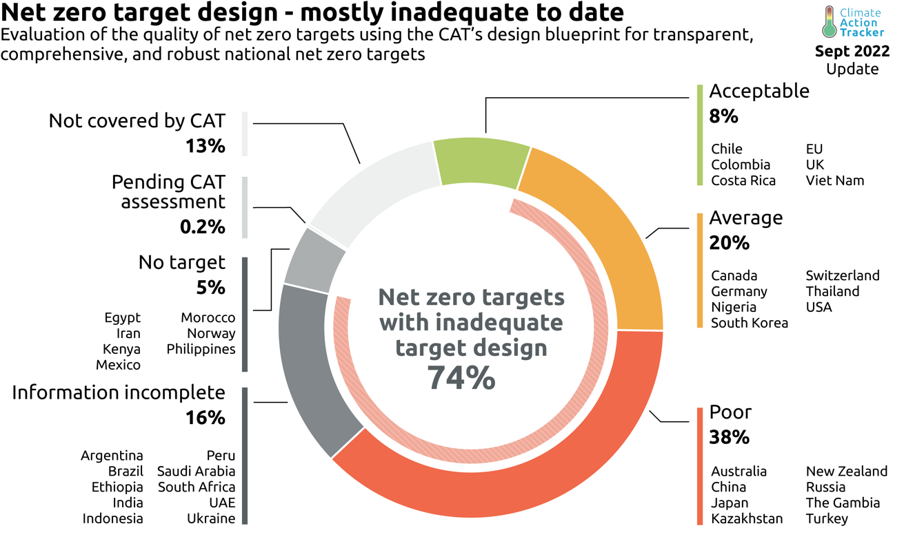
Overall rating | Number of countries | Total Emissions (MtCO2e) | Total Emissions share (%)
Acceptable | 4 | 4144 | 8.6%
Average | 7 | 9267 | 19.5%
Poor | 7 | 17380 | 36.5%
Information incomplete | 13 | 8385 | 17.8%
No target | 6 | 2399 | 5.1%
Assessment in progress | 4 | 703 | 1.5%

Total | 41 | 42279 | 89%

Acceptable | Average | Poor | Information incomplete | No target | Assessment in progress
Chile | Canada | Australia | Argentina | Egypt | Bhutan
Colombia | Germany | China | Brazil | Iran | Nepal
Costa Rica | Nigeria | Japan | Ethiopia | Kenya | Singapore
EU | South Korea | Kazakhstan | India | Mexico
UK | Switzerland | New Zealand | Indonesia | Morocco
Viet Nam | Thailand | Russia | Peru | Norway
 | USA | The Gambia | Saudi Arabia | Philippines
 |  | Turkey | South Africa
 |  |  | UAE
 |  |  | Ukraine

Copyright © 2022 by Climate Analytics and NewClimate Institute. All rights reserved.
The content provided by this website is protected by copyright. You are authorised to view, the copyrighted content from this website subject to the following condition: Any reproduction, in full or in part, must credit Climate Analytics and NewClimate Institute and must include a copyright notice.

