Off-season
Resistance Training Program |  |  |  |  |  |  |  |  | Metabolic Training Program

 | Off-season |  |  |  |  |  |  |  |  | Off-season
 | Cycle | 1 |  |  |  |  |  |  |  | Cycle | 3
 | Weeks | Week 1-2 |  |  |  |  |  |  |  | Weeks | Week 9-12
 | Frequency | 4 x per week: 1 whole body; 1 upper body; 1 lower body; 1 assistance |  |  |  |  |  |  |  | Frequency | 4 x per week: 1 speed; 1 conditioning; 1 speed and conditioning; 1 recovery
 | Intensity | 8–12RM (all lifts) |  |  |  |  |  |  |  | Intensity | 4-10 RPE
 | Volume | 3–5 full load sets (exercises performed in circuit format) |  |  |  |  |  |  |  | Volume | 500 - 1000m | 1000 - 2000m | > 5000m
 | Rest | Short rest (<60 seconds) between exercises; core stability work (~2 minutes) between sets |  |  |  |  |  |  |  | Rest | work rest ratio => 1:10 | 1:1

 | Workout 1 |  |  |  | Workout 2 |  |  |  |  | Workout 1 : Speed |  | Workout 2 : Speed and Conditioning
 | sets | reps | Intensity | exercise | sets | reps | Intensity | exercise |  | 3x 15 m, 3x 25 m, 3x 40 m |  | 10 m, 22 m, 40 m, 50 m, 60 m, 50 m, 40 m,
 | 3 | 8 | RM | Parallel back squat | 4 | 8 | RM | Bench press |  | Each sprint performed at maximal intensity, |  | 22 m, 10 m sprints (100% effort); jog back to
 |  |  |  | Dumbbell lunge |  |  |  | One-arm dumbbell row |  | with a 3-min rest after each sprint |  | start, start next effort immediately, every second
 |  |  |  | Back extensions |  |  |  | Bicep curls |  |  |  | start from a lying position. Repeat 4x with 2-
 |  |  |  | Dumbbell step-ups |  |  |  | Standing dumbbell shoulder press |  |  |  | min rest between each set.
 |  |  |  | Split squat |  |  |  | Split squat
 |  |  |  | Single-leg calf raise |  |  |  | Dumbbell upright row

 | Workout 3 |  |  |  | Workout 4 |  |  |  |  | Workout 3 : Speed and Conditioning |  | Workout 4: Aerobic
 | sets | reps | Intensity | exercise | sets | reps | Intensity | exercise |  | 16x 22-m sprints (100% effort) on 30s; jog back to start. 2-min rest after every 4 sprints. |  | 35 min continuous run at conversation pace with 4x 30 s, 4x 60 s, 3x90 s very hard (RPE 8- 9) efforts performed at any time during the run.
 | 4 | 10 | RM | Deadlift | 4 | 12 | RM | Bent-over dumbbell raises
 |  |  |  | Incline dumbbell bench press |  |  |  | EZ Bar (straight-arm) pull-overs
 |  |  |  | Dumbbell lunge |  |  |  | Lateral dumbbell raises
 |  |  |  | Bent-over barbell row |  |  |  | Dumbbell bicep curls
 |  |  |  | Dips |  |  |  | EZ bar tricep extensions
 |  |  |  | Dumbbell step ups |  |  |  | Dumbbell front raises
 |  |  |  | Dumbbell upright row |  |  |  | Elastic tubing shoulder rotations

Resistance Training Program

 | Off-season
 | Cycle | 2
 | Weeks | Weeks 3-4
 | Frequency | 5 x per week: 2 upper body; 2 lower body; 1 assistance
 | Intensity | 8–12RM (all lifts)
 | Volume | 3–5 full load sets (exercises performed in circuit format)
 | Rest | Short rest (<60 seconds) between exercises; core stability work (~2 minutes) between sets

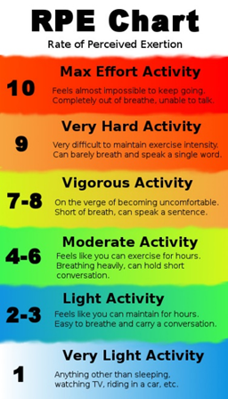
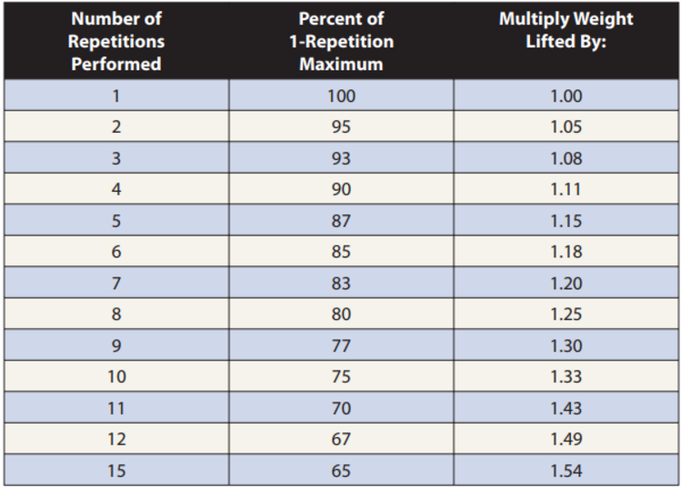
 | Workout 1 |  |  |  | Workout 2
 | sets | reps | Intensity | exercise | sets | reps | Intensity | exercise
 | 3 | 8 | RM | Parallel back squat | 4 | 8 | RM | Bench press
 |  |  |  | Dumbbell lunge |  |  |  | One-arm dumbbell row
 |  |  |  | Back extensions |  |  |  | Bicep curls
 |  |  |  | Dumbbell step-ups |  |  |  | Standing dumbbell shoulder press
 |  |  |  | Split squat |  |  |  | Split squat
 |  |  |  | Single-leg calf raise |  |  |  | Dumbbell upright row

 | Workout 3 |  |  |  | Workout 4
 | sets | reps | Intensity | exercise | sets | reps | Intensity | exercise
 | 4 | 10 | RM | Bent-over dumbbell raises | 3 | 12 | RM | Deadlift
 |  |  |  | EZ bar pull-overs |  |  |  | Dumbbell lunge
 |  |  |  | Dumbbell front raises |  |  |  | Back extensions
 |  |  |  | Dumbbell bicep curls |  |  |  | Dumbbell step-ups
 |  |  |  | EZ Bar tricep extensions |  |  |  | Split squat
 |  |  |  | Lateral dumbbell raises |  |  |  | Single-leg calf raise
 |  |  |  | Elastic tubing shoulder rotations

 | Workout 5
 | sets | reps | Intensity | exercise
 | 3 | 12 | RM | Incline dumbbell bench press
 |  |  |  | Dumbbell lunge
 |  |  |  | Bent-over barbell row
 |  |  |  | Dips
 |  |  |  | Dumbbell upright row

