LTSP_layout
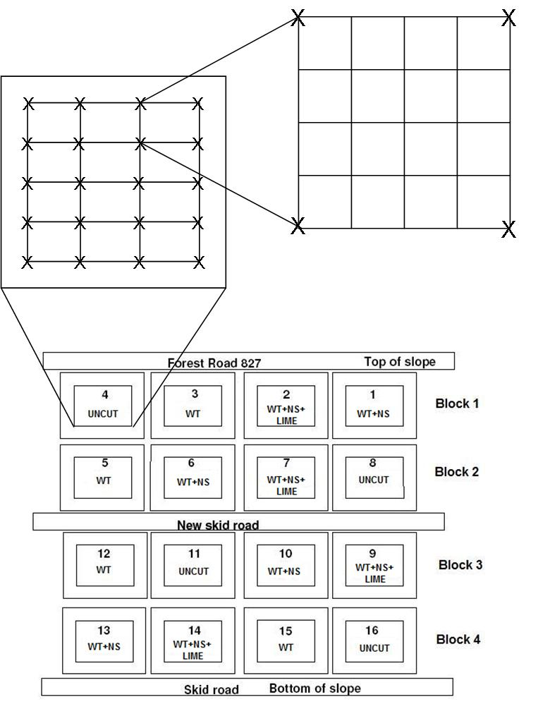

General Sampling Protocol
Depending on the sampling scheme, the LTSP “growth plots” will be divided into 12 or 192 numbered squares using as guides the numbered stakes already installed for vegetation plots (Fig. 2). The “growth plots” are considered to be the treatment plots minus the buffer region, and are each 0.2 ha in size. In the 12 large squares scheme, each numbered stake will be used as the corner of a square (Fig. 1). In the 192 small squares scheme, the twelve large squares will be each divided into sixteen smaller squares (Fig. 1). The numbered stakes are close enough together (~ 10 m apart) that the location of each of the 16 small squares per large square can be visually estimated without using a measuring device. The squares will be each assigned a number for identification purposes. Each square will be considered a potential sampling point. Points to be sampled will be determined by using Microsoft Excel random number generator to randomly select the appropriate number of squares per plot. The sampling point for each square selected will be the center of the square selected, and the sample for each point will be collected as close to this point as possible, given field conditions. In both of these schemes it should be noted that the actual area sampled is the area enclosed by the outer stakes within the growth plot. This means that the area to be sampled will be slightly smaller than the 0.2 ha growth plot, meaning that the actual buffer region will be larger than the 7.6m wide area indicated in Fig. 2.

Figure 1. Schematic of treatment layout, modified from
Adams et al (2004). Also shown are the divisions for the
12 square sampling scheme and the 192 square sampling
scheme. The x’s represent the permanent numbered stakes installed for vegetation surveys.

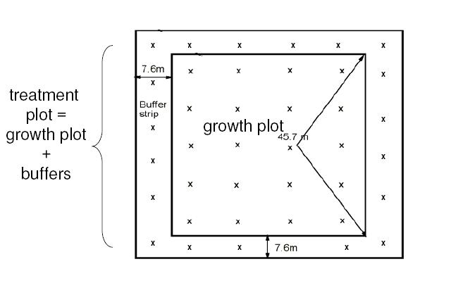

Figure 2. Diagram of individual treatment plot,
modified from Adams et al (2004). The x’s represent
permanent numbered stakes installed for vegetation
surveys.

Damage_survey_2011
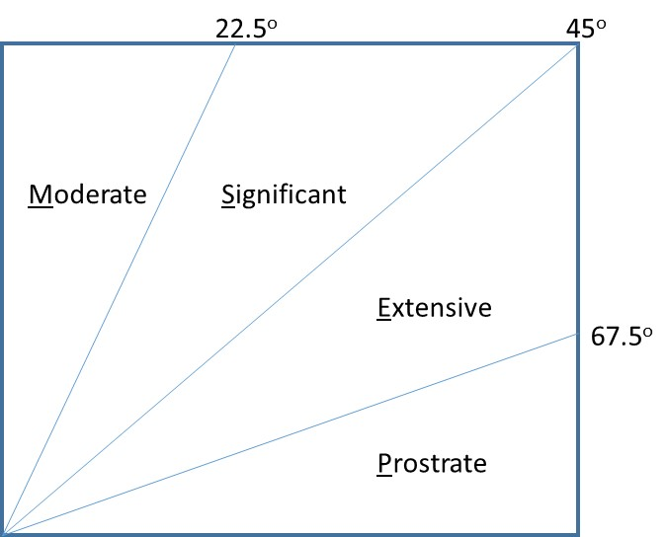
Damage assessment of trees rooted in LTSP plots
Summer 2011

Only trees judged to have been damaged during Christmas 2009 windstorm were considered

Trees were measured at DBH height (breast height or approximately 1.37 meters) and assessed for damage types.
Most trees damaged in that storm toppled in the same direction and were fairly obvious
Only trees rooted in a selected square were considered.
Tree status = L (living); D (dead)
Trees were determined to be living if there were green leaves on the branches.
Trees that were assessed to have been decomposing for longer than this time frame were excluded.
Damage type = S (snapped); B (bent); T (tip up with angled soil or rootball)
Degree of bending/leaning = M (moderate, 0 - 22.5 degrees from vertical); S (significant, 23 - 45 degrees); E (extensive, 45.5 - 67.5 degrees); P (prostrate, > 67.5 degrees)
DBH measured at what would have been 1.37m above the ground

Qualitative Canopy Coverage Analysis (1= open to <25% coverage, 2= >25% to <45% coverage, 3 = 45%<x<55% coverage, 4 = >55% to <75% coverage, 5 = >75% to 100% coverage)
Qualitative Canopy Coverage Analysis was completed by first identifying each of the four corners of a subplot. Then canopy coverage was visually estimated by a person standing at each corner using the scale given above.
Then the center of the plot was estimated and canopy cover assessed by a person standing at this point as well.
The overall qualitative canopy coverage was determined from the average of the assessments at the four corners and center of each subplot.
Specific plots were chosen prior to data collection for analysis.
The plots and squares sampled were the same as those sampled prior to the wind storm in the summer of 2009

Species codes used are as follows: |  |  | Squares randomly selected for sampling in each plot are marked with solid square.

COMMON NAME | SCIENTIIFIC NAME | SPECIES CODE
Striped maple | Acer pensylvanicum | ACPE
Red maple | Acer rubrum | ACRU
Sugar maple | Acer saccharum | ACSA
Devils-walkingstick | Aralia spinosa | ARSP
Yellow birch | Betula alleghaniensis | BEAL
Sweet birch | Betula lenta | BELE
Musclewood | Caprinus Caroliniana | CACA
White Ash | Fraxinus americana | FRAM
Carolina Holly | Ilex ambigua ambigua | ILAM
Tulip poplar | Liriodendron tulipifera | LITU
Cucumber tree | Magnolia acuminata | MAAC
Fraser magnolia | Magnolia fraseri | MAFR
Eastern Hophornbeam | Ostrya virginiana | OSVI
Sourwood | Oxydendrum arboreum | OXAR
Pin Cherry | Prunus Pensylvanica | PRPE
Black cherry | Prunus serotina | PRSE
Chestnut oak | Quercus prinus | QUPR
Northern red oak | Quercus rubra | QURU
Black locust | Robinia psuedoacacia | ROPS
Sassafras | Sassafras albidum | SAAL
Basswood | Tilia americana | TIAM

Degree of bending/leaning

