09-27
 | : Night | : Day | : Swing
 | CH1
 | Process start time | Process end time | Recipe | Recipe name : SBA
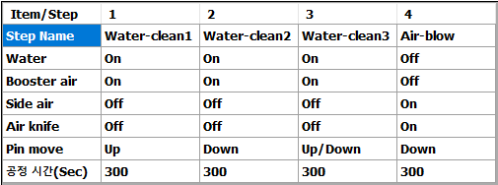
1 | [2022-09-27, 03:23:14] | [2022-09-27, 03:33:31] | SBA_half
2 | [2022-09-27, 04:51:14] | [2022-09-27, 05:01:31] | SBA_half
3 | [2022-09-27, 05:16:29] | [2022-09-27, 05:26:44] | SBA_half
4 | [2022-09-27, 05:29:08] | [2022-09-27, 05:39:23] | SBA_half
 | 4회 (Night : 4 / Day : 0 / Swing : 0)
 | CH2
 | Process start time | Process end time | Recipe
1 | [2022-09-27, 02:02:35] | [2022-09-27, 02:22:43] | SBA
2 | [2022-09-27, 03:53:34] | [2022-09-27, 04:14:00] | SBA
3 | [2022-09-27, 05:15:45] | [2022-09-27, 05:26:02] | SBA_half
4 | [2022-09-27, 06:23:34] | [2022-09-27, 06:33:53] | SBA_half | Recipe name : SBA_half
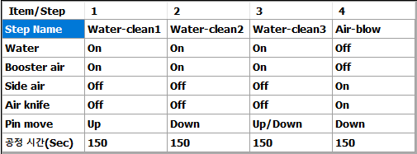
5 | [2022-09-27, 07:39:39] | [2022-09-27, 07:50:03] | SBA_half
6 | [2022-09-27, 10:56:39] | [2022-09-27, 11:16:56] | SBA
7 | [2022-09-27, 11:50:54] | [2022-09-27, 12:11:12] | SBA
8 | [2022-09-27, 12:30:21] | [2022-09-27, 12:50:42] | SBA
9 | [2022-09-27, 13:02:00] | [2022-09-27, 13:22:21] | SBA
10 | [2022-09-27, 16:44:17] | [2022-09-27, 17:04:36] | SBA
11 | [2022-09-27, 20:31:44] | [2022-09-27, 20:52:06] | SBA
12 | [2022-09-27, 22:53:06] | [2022-09-27, 23:03:28] | SBA_half
13 | [2022-09-27, 23:08:29] | [2022-09-27, 23:28:45] | SBA
 | 13회 (Night : 5 / Day : 6 / Swing : 2)
 | CH3
 | Process start time | Process end time | Recipe
1 | [2022-09-27, 02:33:13] | [2022-09-27, 02:53:23] | SBA
2 | [2022-09-27, 03:55:41] | [2022-09-27, 04:16:00] | SBA
3 | [2022-09-27, 07:44:12] | [2022-09-27, 07:54:32] | SBA_half
4 | [2022-09-27, 12:30:24] | [2022-09-27, 12:50:41] | SBA
5 | [2022-09-27, 13:02:09] | [2022-09-27, 13:22:32] | SBA
6 | [2022-09-27, 16:44:21] | [2022-09-27, 17:04:40] | SBA
7 | [2022-09-27, 20:31:49] | [2022-09-27, 20:52:11] | SBA
8 | [2022-09-27, 23:05:26] | [2022-09-27, 23:15:35] | SBA_half
 | 8회 (Night : 3 / Day : 3 / Swing : 2)

 | 총 25회 (Night : 12 / Day : 9 / Swing : 4)

