softmax
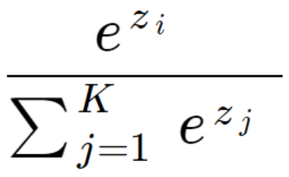
 | output | exp | softmax | actuals | index
cat | -4.89 | 0.01 | 0.00 | 0 | 0
dog | 2.60 | 13.43 | 0.87 | 1 | 1
plane | 0.59 | 1.81 | 0.12 | 0 | 2
fish | -2.07 | 0.13 | 0.01 | 0 | 3
building | -4.57 | 0.01 | 0.00 | 0 | 4
 |  | 15.38 | 1.00

entropy
 | softmax | actuals | x-entropy
cat | 0.00 | 0 | 0
dog | 0.87 | 1 | -0.058916412363
plane | 0.12 | 0 | 0
fish | 0.01 | 0 | 0
building | 0.00 | 0 | 0
 |  |  | 0.058916412363
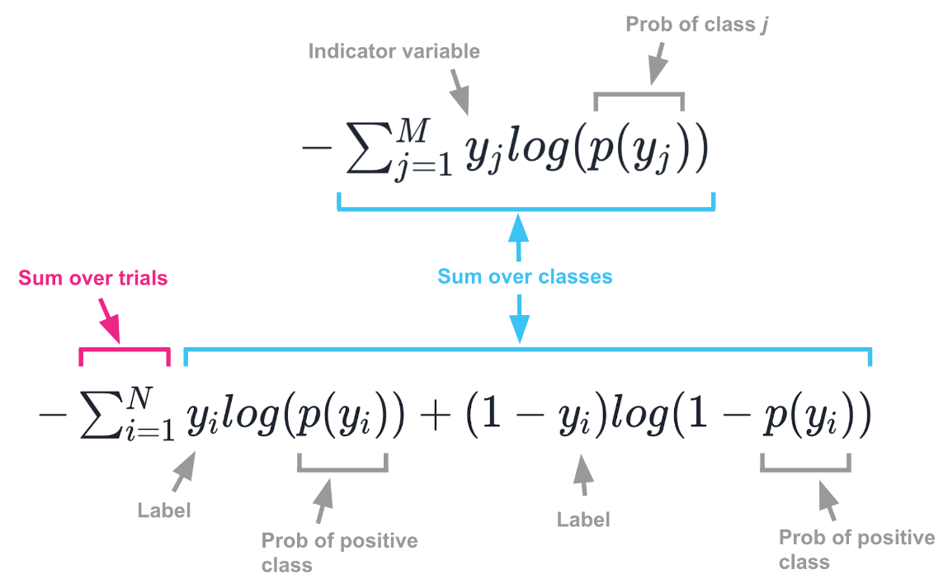

 | isCat | isNotCat | PredCat | PredNotCat
 | 1 | 0 | 0.5 | 0.5 | 0.30102999566 | 0.30102999566
 | 1 | 0 | 0.98 | 0.02 | 0.0087739243075 | 0.0087739243075
 | 0 | 1 | 0.9 | 0.1 | 1 | 1
 | 0 | 1 | 0.5 | 0.5 | 0.30102999566 | 0.30102999566
 | 1 | 0 | 0.9 | 0.1 | 0.045757490561 | 0.045757490561
 |  |  |  |  | -1.6565914062

Image: Things that confused me about cross-entropy by Chris Said
https://chris-said.io/2020/12/26/two-things-that-confused-me-about-cross-entropy/

