Standard
News Data Auto Update Working Sheet
Version: 12/09/2016
1. Introduction
 | This working sheet is for automatically updating of UNC C:B news letter using Python language. It also stores historical news records for further usage.
2. Color Legend

 |  | General information
 |  | Information for events
 |  | Information for publications
 |  | Optional data
 |  | Require data leaving blank
3. Step
 | 1) Fill in News_data according to bellowing matrix, and click "Update" button on the top when you finish editing. √ = required
 | * Note: | ID = "P-"&(row number-1), e.g. row number = 20, ID = "P-19", directly enter the number without "P"
 | Category | ID | Title | Subtitle | Post_URL | Post_Date | Associate | Category | Event_Speaker | Event_Date | Event_Time | Event_Loc | Record_URL | Flyer_URL | Pub_Type | Pub_Journal | Pub_Date | Pub_Author | Pub_DOI | Pub_URL | Pub_Publisher | Final_Text | Post_Image
 | Event | √ | √ | Optional | √ | √ |  | √ | √ | √ | √ | √ | Optional | Optional |  |  |  |  |  |  |  | √ | √
 | News | √ | √ | Optional | √ | √ | √ | √ |  |  |  |  |  |  |  |  |  |  |  |  |  | √ | √
 | Publication | √ | √ | Optional | √ | √ |  | √ |  |  |  |  |  |  | √ | Varies | √ | √ | Optional | √ | Varies | √
 | 2) Save spreadsheet into CSV.
 |  | a. Right click on "News_data", select "Move and Copy"
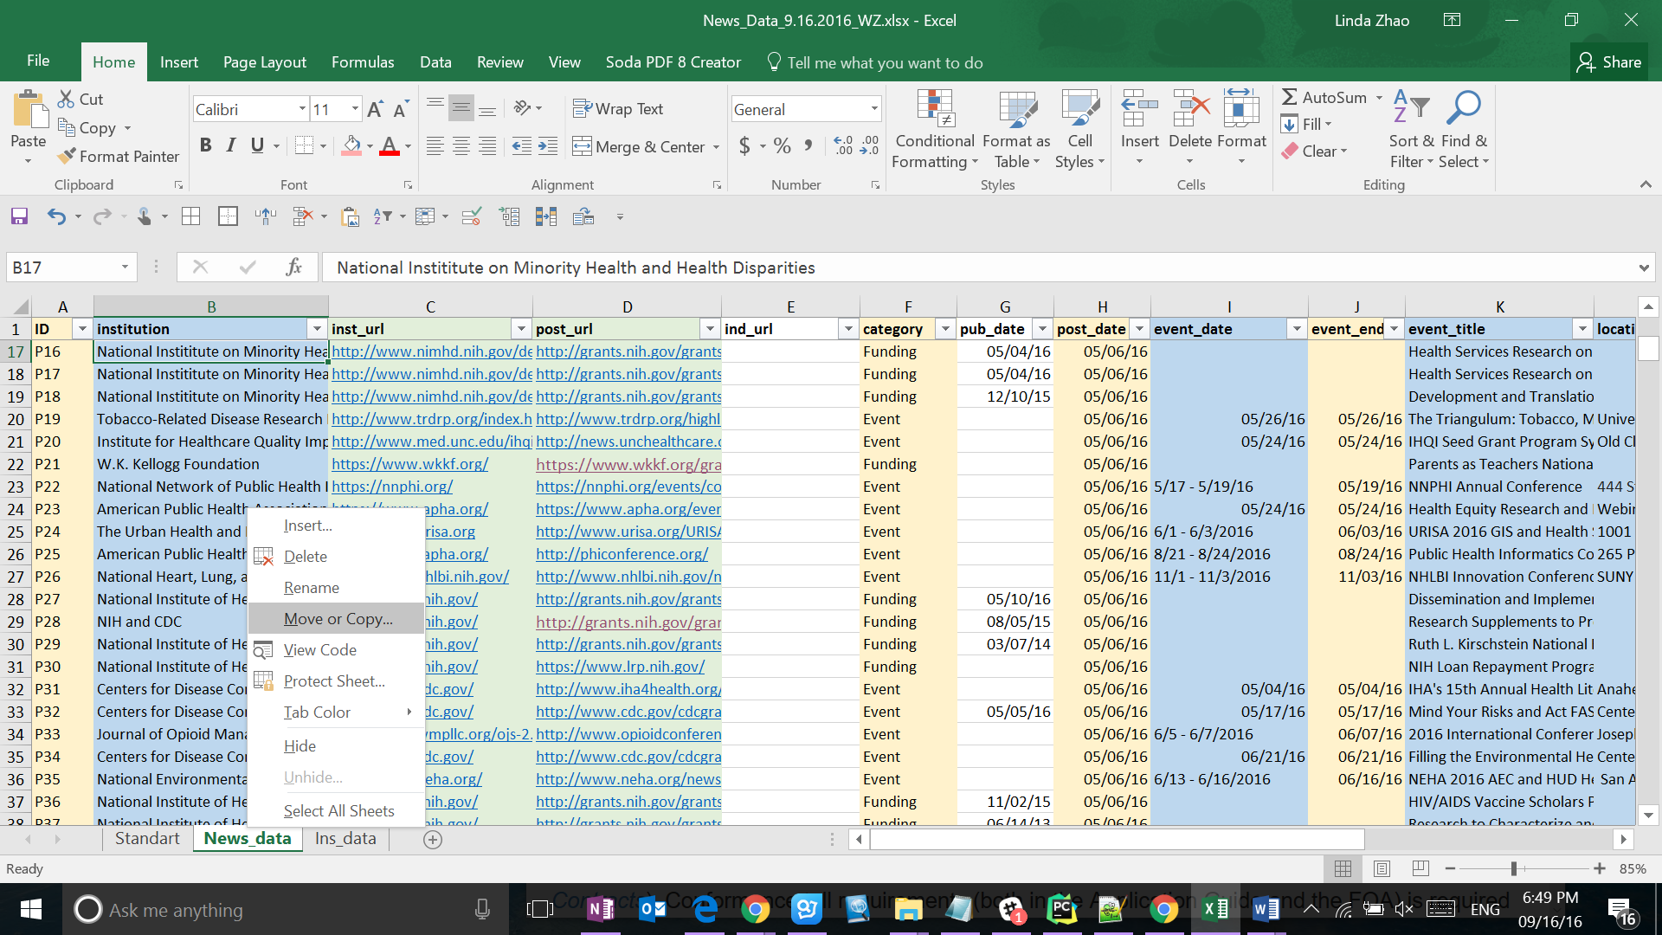

 |  | b. Select "Create a copy" and "New book"
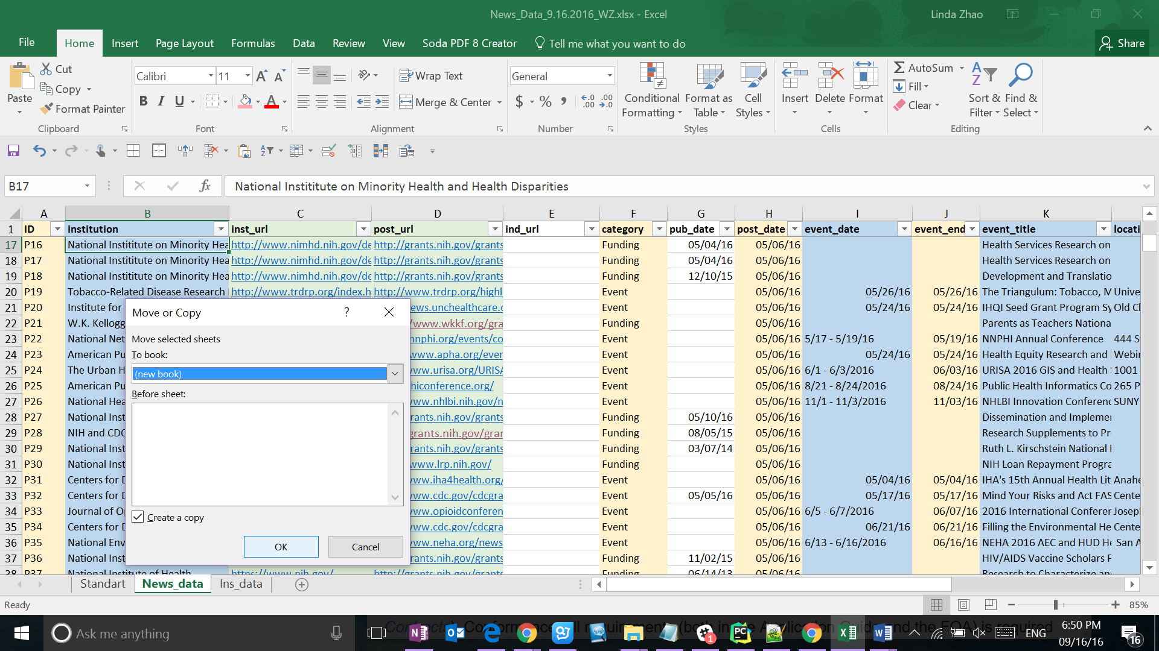

 |  | c. Save as "CSV"
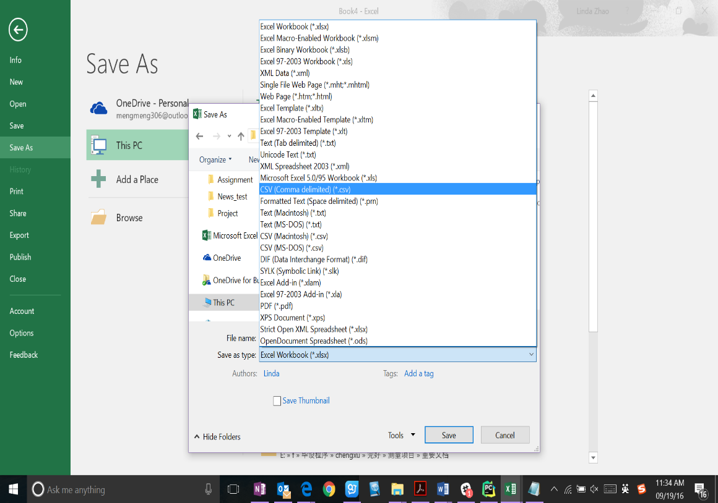

 |  | d. Name the CSV file, and note down the path, e.g. C:\Users\Linda\Documents\CHER\CHER Website\News_Data_9.16.2016_WR.csv
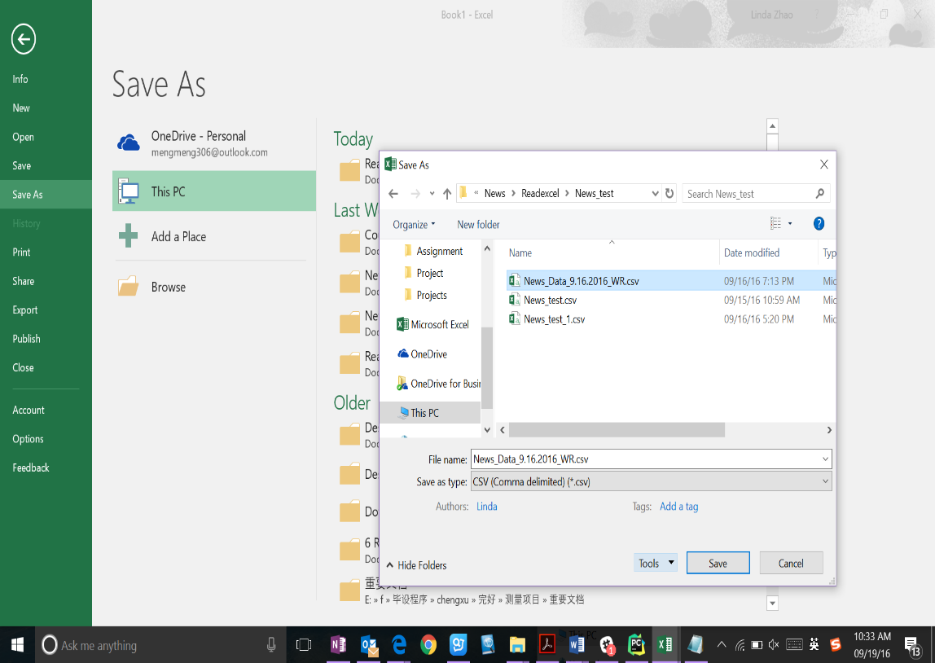

 |  | e. Select "Tools" and "Web options..."
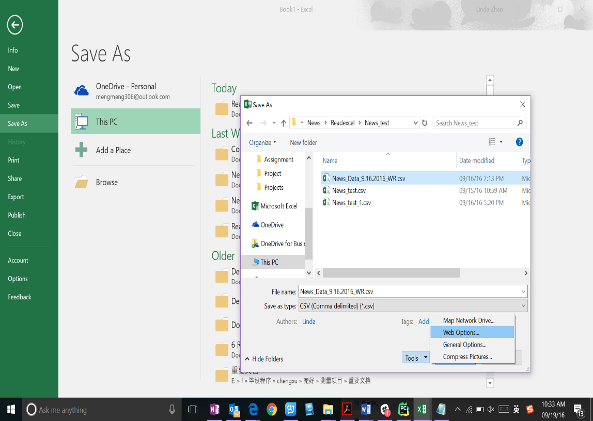

 |  | f. Select “Encoding” tab, and select "Unicode (UTF-8)", then OK
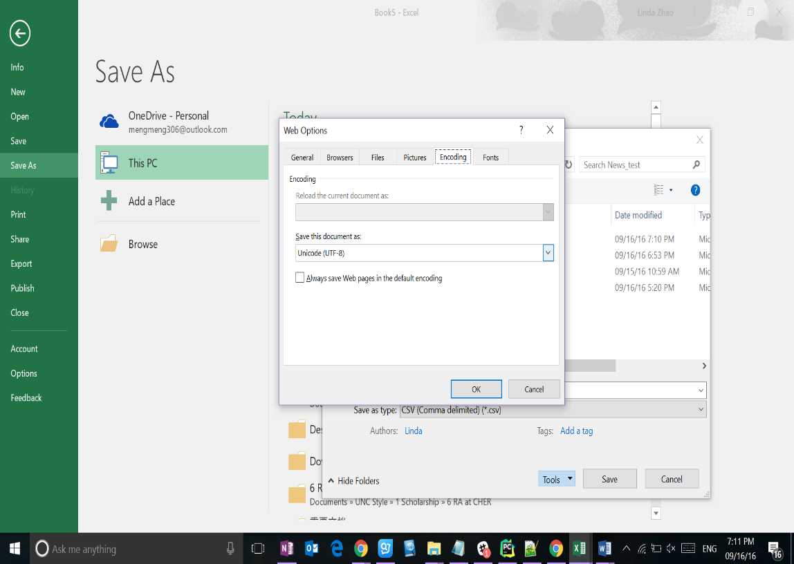

 | 3) Run Python code (set up the environment of runing python first, see install Python: https://www.youtube.com/watch?v=GE3IHS1wAZI, run Python in Win cmd: https://www.youtube.com/watch?v=IokKz-LZsEo )
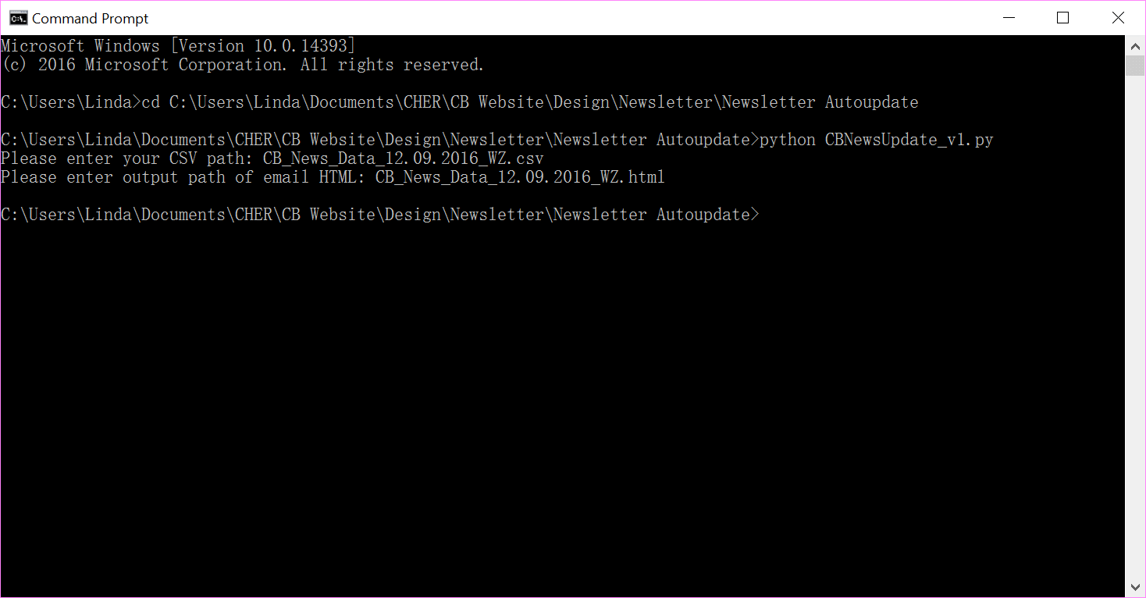

cd the path of CBNewsUpdate_v1.py

Type: "python CBNewsUpdate_v1.py" ENTER

Type the path of CSV you just saved. ENTER

Type the path that you want to save the news letter HTML. ENTER

