Sheet1
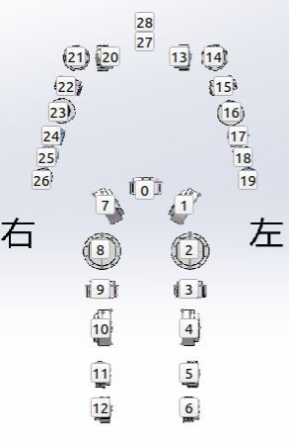
Num | Kp | Kd | name
0 | 13 | 1.5 | waist_yaw_joint
1 | 25 | 2 | 0_left_hip_pitch_joint
2 | 25 | 2 | left_hip_roll_joint
3 | 6.5 | 1 | left_hip_yaw_joint
4 | 9 | 0.8 | left_knee_joint
5 | 6.5 | 0.8 | left_ankle_pitch_joint
6 | 6.5 | 0.8 | left_ankle_roll_joint
7 | 25 | 2 | right_hip_pitch_joint
8 | 25 | 2 | right_hip_roll_joint
9 | 6.5 | 1 | right_hip_yaw_joint
10 | 9 | 0.8 | right_knee_joint
11 | 6.5 | 0.8 | right_ankle_pitch_joint
12 | 6.5 | 0.8 | right_ankle_roll_joint
13 | 16 | 2 | left_shoulder_pitch_joint
14 | 20 | 2 | left_shoulder_roll_joint
15 | 5 | 0.5 | left_shoulder_yaw_joint
16 | 8 | 0.5 | left_elbow_joint
17 | 5 | 0.5 | left_wrist_roll_joint
18 | 6 | 0.5 | left_wrist_yaw_joint
19 | 5 | 0.5 | left_wrist_pitch_joint
20 | 16 | 2 | right_shoulder_pitch_joint
21 | 20 | 2 | right_shoulder_roll_joint
22 | 5 | 0.5 | right_shoulder_yaw_joint
23 | 8 | 0.5 | right_elbow_joint
24 | 5 | 0.5 | right_wrist_roll_joint
25 | 6 | 0.5 | right_wrist_yaw_joint
26 | 5 | 0.5 | right_wrist_pitch_joint
27 | NaN | NaN
28 | NaN | NaN

